F.3.1-4 Tube Chassis
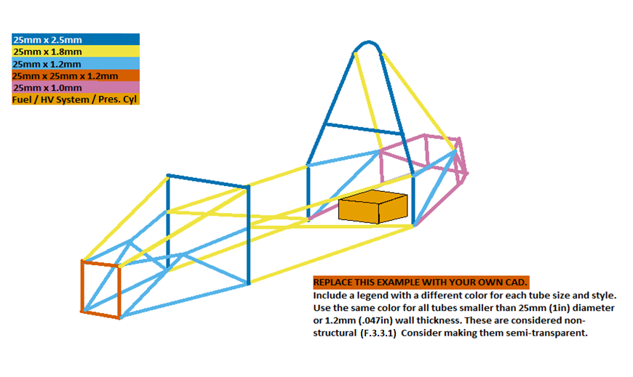
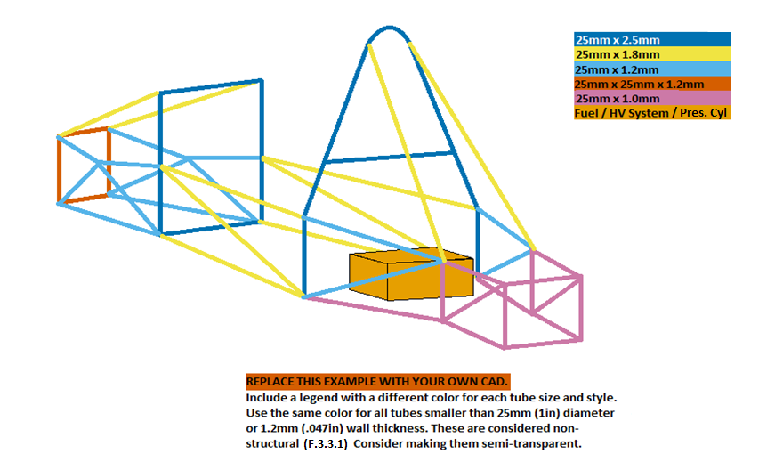
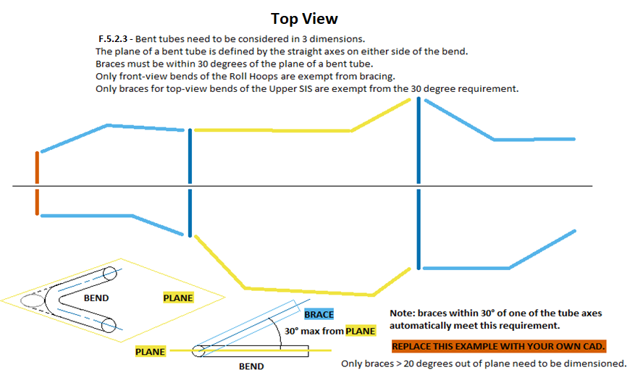
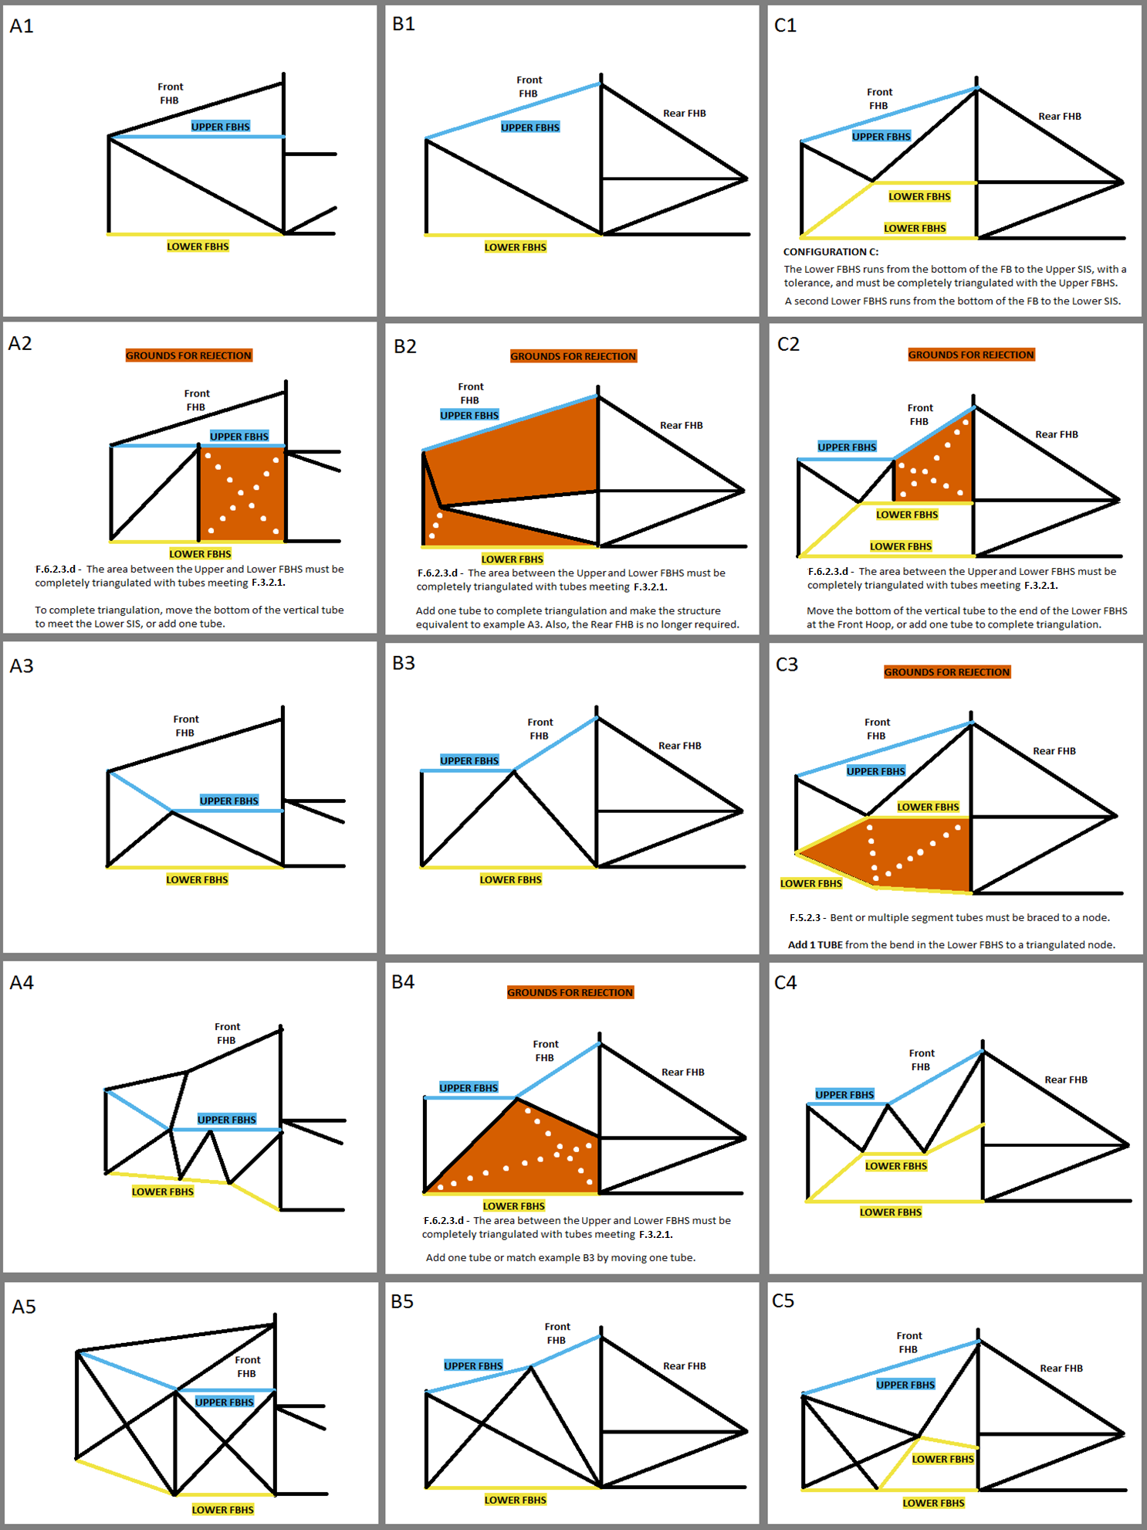
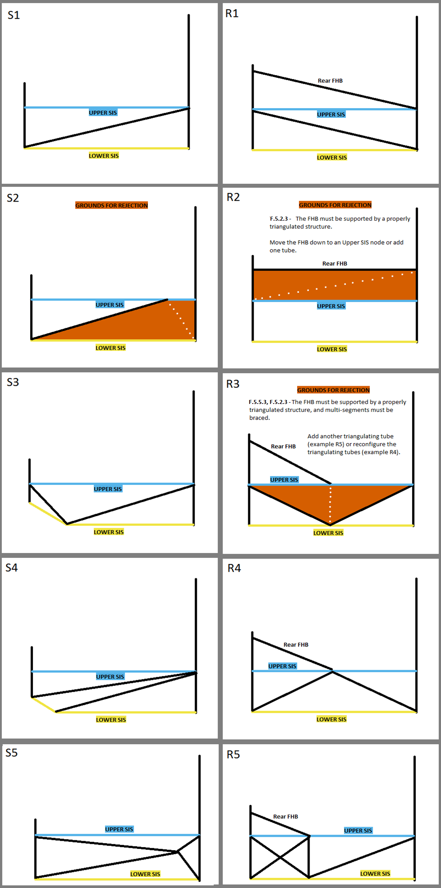
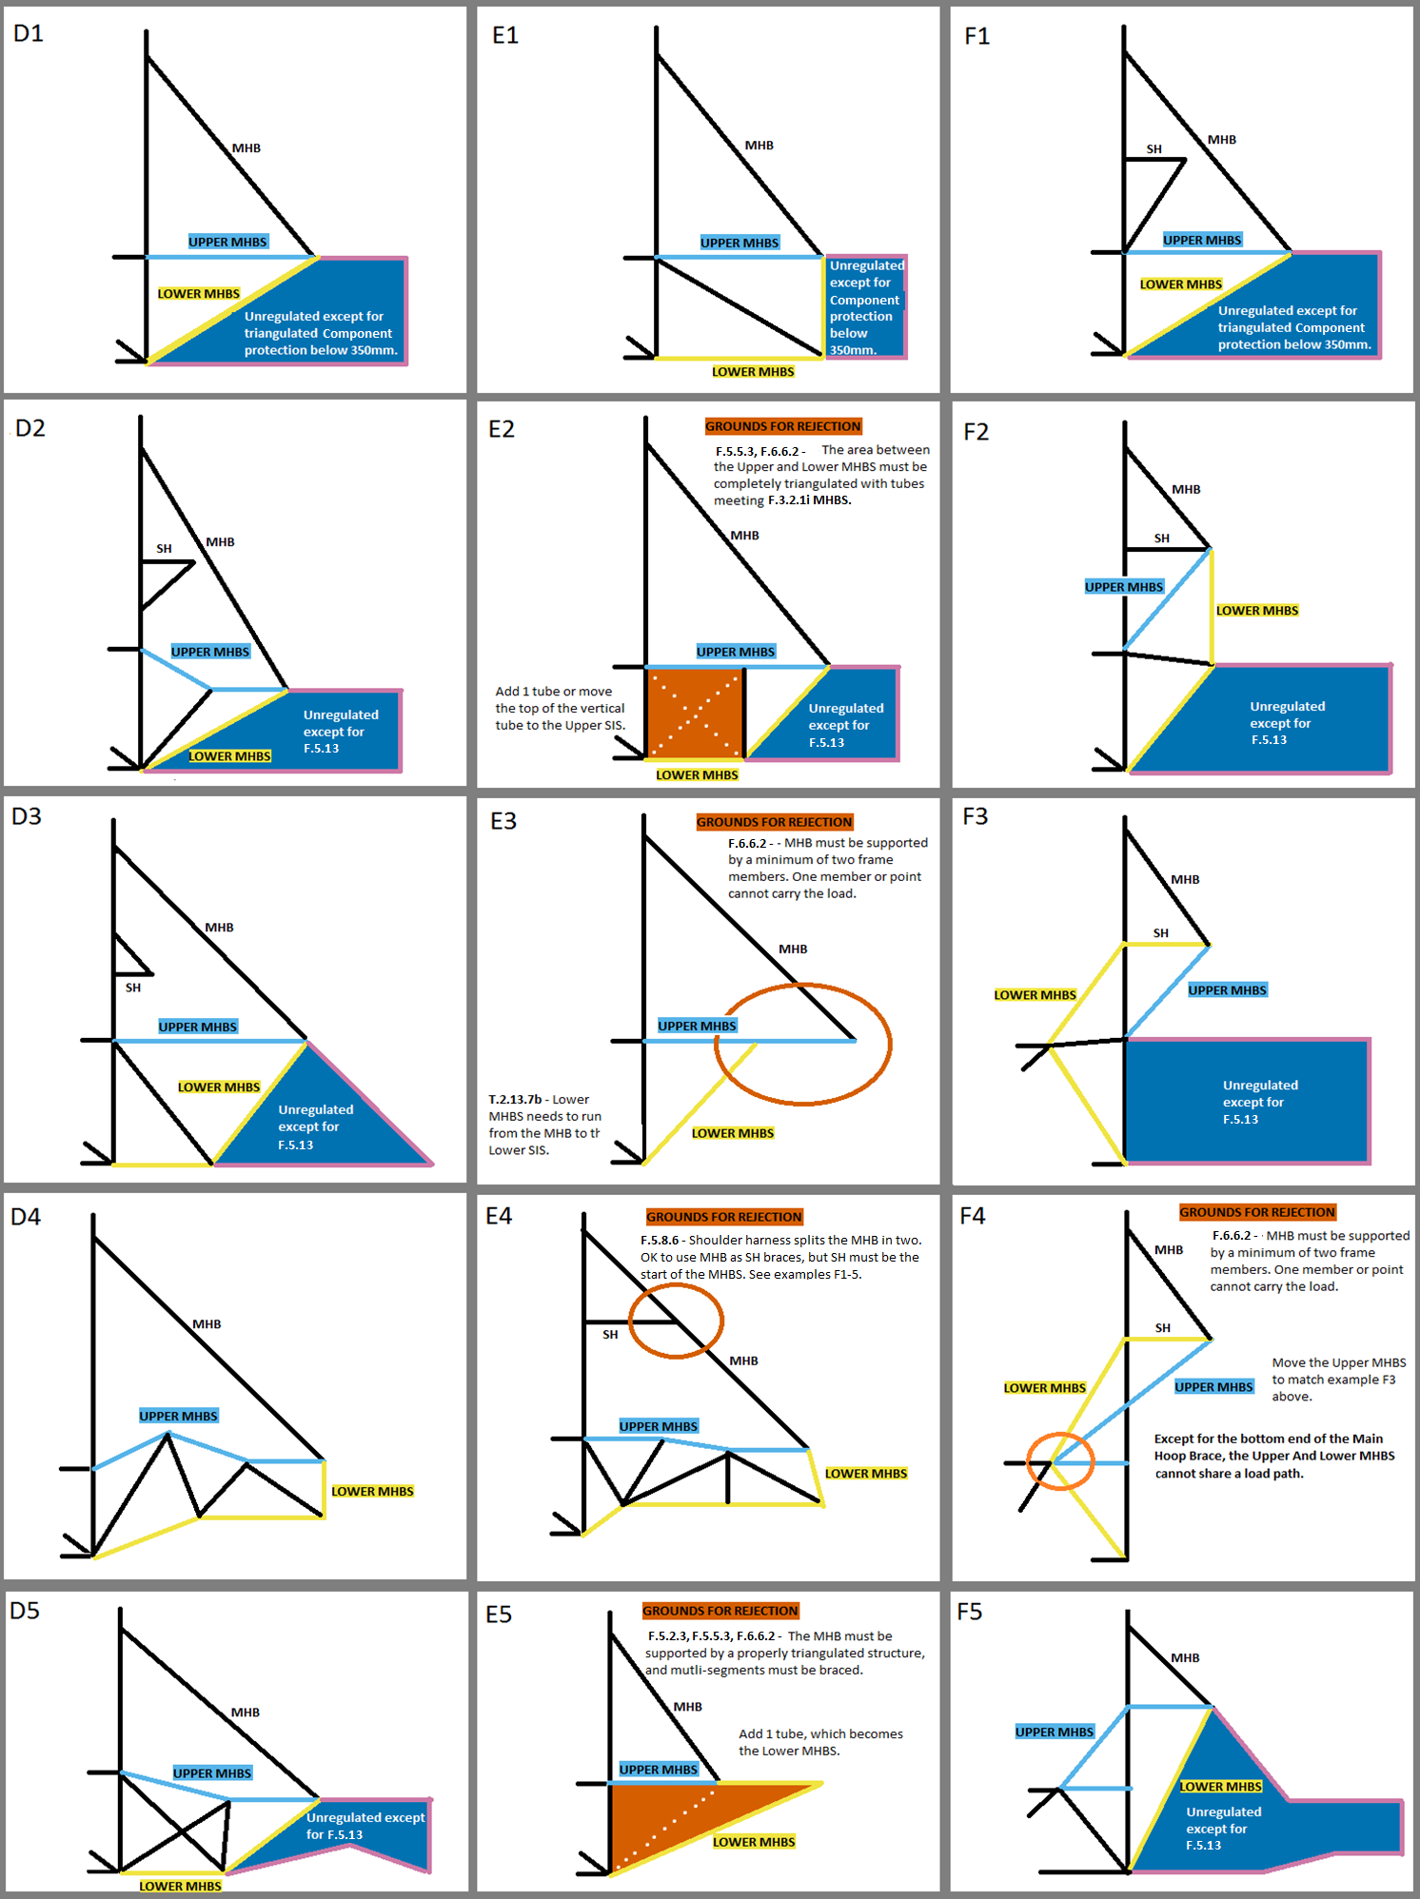
 | University Name |  |  |  |  |  |  |  |  | BLANK |  | 2020 | FSAE Structural Equivalency Spreadsheet (SES), includes Impact Attenuator Document (IAD) |  |  |  |  |  |  |  |  |  |  | Steel Tube | 1.3 | Cell locking. |  |  |  |  |  |  |  |  |  |  |  |  |  |  |  |  |  |  |  |  |  |  |  |  |  |  |  |  |  |  |  |  |  |  |  |  |  |  |  |  |  |  |  |  |  |  |  |  |  |  |  |  |  |  |  |  |  |  | The examples to the right cover the tube location requirements for the FBHS, SIS, and MHBS. There are many solutions not shown that can meet the documentation, triangulation, and bracing requirements. The examples to the left need to be replaced with your own CAD. Images should be clear, undistorted, moderate filesize. Each SES file 25MB max. |  |  |  | FBHS: Some examples and explanations for configurations A, B, and C. | SIS Examples | SIS with Rear FHB (or Forward MHB) | MHBS examples and explanations. | Using Shoulder Harness Bar/Braces
 | Team Name |  |  |  |  |  |  |  |  | BLANK |  |  |  |  |  |  |  |  |  |  |  |  |  |  |  | Tabs to N/A.
 | Competitions |  | Michigan |  | North |  | California |  |  | EQ |  | There are two versions of the 2020 SES: Steel Tube and Monocoque/Hybrid/Non-Ferrous. |  |  |  |  |  |  |  |  |  |  |  |  |  | Bonded EV shear.
 | Car Numbers |  |  |  |  |  |  |  |  | BLANK |  | Aluminum equivalance may be used in the Steel Tube SES for Anti-Intrusion, EV Rear Impact, or Accumulator Containers and Mounting.
 | Team Contact(s) |  |  |  |  |  |  |  |  | BLANK |  | Steel can be used for any part of the frame in the Monocoque/Hybrid/Non-Ferrous SES.
 | Email Address(es) |  |  |  |  |  |  |  |  | BLANK |  | F.3.4.2 - Any and all steel grades are assigned the same material properties. No material properties for different grades may be used in the SES.
Faculty Advisor |  | Email Address |  | Chassis Rules |  | Powertrain |  |  |  | EQ |  | The IAD Impact Attenuator Document is now a tab at the end of each SES.
 |  |  |  | Select |  | Select |  |  |  | BLANK |  |  |  |  |  |  |  |  |  |  |  |  |  |  |  |  |  |  |  |  |  |  |  |  |  |  |  |  |  |  |  |  |  |  |  |  |  |  |  |  |  |  |  |  |  |  |  |  |  |  |  |  |  |  |  |  |  |  |  |  |  |  |  |  |  |  |  |  |  |  |  |  |  |  | The row numbers are for reference only.
 |  |  |  |  |  |  |  |  |  |  |  |  | Only cells with borders can be edited. Enter all values as positive numerals. |  |  |  |  |  |  |  |  |  |  |  |  |  |  |  | Front 3/4 3D CAD with color coded tube sizes required. |  |  |  |  |  |  |  |  |  |  | Rear 3/4 3D CAD with color coded tube sizes required. |  |  |  |  |  |  |  |  |  |  |  |  |  |  |  |  |  |  |  |  |  |  | Bottom View with color coded tube sizes / layups. |  |  |  |  |  |  |  |  |  |  | Side View CAD with color coded tube sizes / layups. |  |  |  |  |  |  |  |  |  |  | Designating the FBHS as A,B, or C needed to check rule |  |  | F.6.2.3a-b.
Overall |  |  | Ready to submit for review? |  |  |  |  |  | NO |  |  | Drop down options can be identified by the heavy border. Delete will clear the entry. |  |  |  |  |  |  |  |  |  |  |  |  |  |  |  |  |  |  |  |  |  |  |  |  |  |  |  |  |  |  |  |  |  |  |  |  |  |  |  |  |  |  |  |  |  |  |  |  |  |  |  |  |  |  |  |  |  |  |  |  |  |  |  |  |  |  |  |  |  |  |  |  | The other column letters are for reference only.
 |  |  |  |  |  |  |  |  |  |  |  | Each entry, each category, each tab, and the entire sheet are coded as one of the following: |  |  |  |  |  |  |  | BLANK | EQ | CHECK | REJECT | N/A |  |  |  |  |  | Use different colors for square and round. |  |  |  |  |  |  |  |  |  |  | Use different colors for square and round. |  |  |  |  |  |  |  |  |  |  | Top view required for 30 degree bend check. |  |  |  |  |  |  |  |  |  |  | Use different colors for square and round. |  |  |  |  |  |  |  |  |  |  | Use different colors for square and round.
 | F.3.1-4 Tube Chassis | BLANK | BLUE: NO. BLANK ENTRY. INCOMPLETE. CHECK ALL TABS. |  |  |  |  |  |  |  |  | The status of some cells depends on entries in other cells. |  |  |  |  |  |  |  |  |  |  |  |  |  |  |  |  |  |  |  |  |  |  |  |  |  |  |  |  |  |  |  |  |  |  |  |  |  |  |  |  |  |  |  |  |  |  |  |  |  |  |  |  |  |  |  |  |  |  |  |  |  |  |  |  |  |  |  |  |  |  |  |  | Using this 7-color palette will accommodate color blind students or reviewers:
 | F.10-11 EV Accumulator | BLANK | This will not change until all required entries are filled out. Check all tabs. |  |  |  |  |  |  |  |  |  |  |  |  |  |  |  |  |  |  |  |  |  |  |  |  |  |  | Include a legend that shows each color and size. |  |  |  |  |  |  |  |  |  |  | Include a legend that shows each color and size. |  |  |  |  |  |  |  |  |  |  | Multiple or detail images may be used anywhere in the SES. |  |  |  |  |  |  |  |  |  |  | Include a legend that shows each color and size. |  |  |  |  |  |  |  |  |  |  | Include a legend that shows each color and size. |  |  |  |  |  |  |  |  |  |  | http://mkweb.bcgsc.ca/colorblind/
 | F.8.4 Impact Attenuator | BLANK | Incomplete submissions will incur a penalty. |  |  |  |  |  |  |  |  | SELECT YOUR UNITS. The entire SES will be completed in either mm or Inch. Inch tubing can be entered in mm, and vice versa. |  |  |  |  |  |  |  |  |  |  |  |  |  |  |  |  |  |  |  |  |  |  |  |  |  |  |  |  |  |  |  |  |  |  |  |  |  |  |  |  |  |  |  |  |  |  |  |  |  |  |  |  |  |  |  |  |  |  |  |  |  |  |  |  |  |  |  |  |  |  |  |  | In the examples to the right:
 | F.3.3, F.4, F.8.4 Materials | BLANK | BROWN: NO. GROUNDS FOR REJECTION. CHECK ALL TABS. |  |  |  |  |  |  |  |  | Keep a copy of the rules open to reference rule numbers directly while filling out the SES. |  |  |  |  |  |  |  |  |  |  |  |  |  |  |  |  | Fuel tank or HV systems must be shown in orange. |  |  |  |  |  |  |  |  |  |  | Fuel tank or HV systems must be shown in orange. |  |  |  |  |  |  |  |  |  |  |  |  |  |  |  |  |  |  |  |  |  |  | Fuel tank, HV systems, pressurized tanks shown in orange. |  |  |  |  |  |  |  |  |  |  | Fuel tank, HV systems, pressurized tanks shown in orange. |  |  |  |  |  |  |  |  |  |  | THE SKY BLUE LINE is the upper tube
 | F.3.2.2 Welded Inserts | BLANK | The SES will permanently REJECT for removing any tab. Fill out a fresh copy. |  |  |  |  |  |  |  |  | Read the additional guidance on the right side of the sheet. |  |  |  |  |  |  |  |  |  |  |  |  |  |  |  |  |  |  |  |  |  |  |  |  |  |  |  |  |  |  |  |  |  |  |  |  |  |  |  |  |  |  |  |  |  |  |  |  |  |  |  |  |  |  |  |  |  |  |  |  |  |  |  |  |  |  |  |  |  |  |  |  | THE YELLOW LINE is the lower tube
 | F.5.10 Bolted Members | BLANK | Locate all violations and bring the design into compliance before submitting. |  |  |  |  |  |  |  |  | Fill in all | BLANK | sections on ALL TABS. Start with any drop downs in the top left corner of each tab. |  |  |  |  |  |  |  |  |  |  |  |  |  |  |  |  |  |  |  |  |  |  |  |  |  |  |  |  |  |  |  |  |  |  |  |  |  |  |  |  |  |  |  |  |  |  |  |  |  |  |  |  |  |  |  |  |  |  |  |  |  |  |  |  |  |  |  |  |  |  | BLACK LINES are additional related tubes
BLANK |  |  | Grounds for rejection could be considered incomplete and incur a penalty. |  |  |  |  |  |  |  |  | Replace example images with your own clear, undistorted CAD, showing all required dimensions in a moderate filesize. Each SES file 25Mb max. |  |  |  |  |  |  |  |  |  |  |  |  |  |  |  |  |  |  |  |  |  |  |  |  |  |  |  |  |  |  |  |  |  |  |  |  |  |  |  |  |  |  |  |  |  |  |  |  |  |  |  |  |  |  |  |  |  |  |  |  |  |  |  |  |  |  |  |  |  |  |  |  | BROWN AREAS highlight design aspects that do not meet the rules
 |  |  | SKY: YES. RULES EQUIVALENCE. |  |  |  |  |  |  |  |  |  |  |  |  |  |  |  |  |  |  |  |  |  |  |  |  |  |  |  |  |  |  |  |  |  |  |  |  |  |  |  |  |  |  |  |  |  |  |  |  |  |  |  |  |  |  |  |  |  |  |  |  |  |  |  |  |  |  |  |  |  |  |  |  |  |  |  |  |  |  |  |  |  | White dotted lines |  | represent potential design changes to an orange area to allow it to pass.
 |  |  | Document is ready for review. Double check triangulation. |  |  |  |  |  |  |  | F.2.2.1 | SES forms must be completed and submitted by all teams no later than the date specified in the Action Deadlines on the specific event website.
 |  |  | T.2.5.3 Any and all steel grades are assigned the same properties for SES analysis. |  |  |  |  |  |  |  | DR.3.2.1 | Submission of late, blank, incomplete, or previous car's SES will incur a competition point penalty. |  |  |  |  |  |  |  |  |  |  |  |  |  |  |  |  |  |  |  |  |  |  |  |  |  |  |  |  |  |  |  |  |  |  |  |  |  |  |  |  |  |  |  |  |  |  |  |  |  |  |  |  |  |  |  |  |  |  |  |  |  |  |  |  |  |  |  |  |  |  |  |  | ACRONYMS
 |  |  | YELLOW: YES. CHECK ADDITIONAL EQUIVALENCIES. |  |  |  |  |  |  |  | DR.3.1.2b | Do not submit an updated document after the deadline without having the previous document rejected.
 |  |  | Some entries require additional tubes or documentation. |  |  |  |  |  |  |  | DR.3.1.2b | Submit a comment requesting a rejection on your team's SES page on fsaeonline.com. |  |  |  |  |  |  |  |  |  |  |  |  |  |  |  |  |  |  |  |  |  |  |  |  |  |  |  |  |  |  |  |  |  |  |  |  |  |  |  |  |  |  |  |  |  |  |  |  |  |  |  |  |  |  |  |  |  |  |  |  |  |  |  |  |  |  |  |  |  |  |  |  | AI | Anti Intrusion Plate
 |  |  | Once these are added, document is ready for review. |  |  |  |  |  |  |  | DR.3.1.3 | Please respond quickly to requests for revisions or clarifications. Submissions or comments on FSAEonline.com will send a notification to your reviewer. |  |  |  |  |  |  |  |  |  |  |  |  |  |  |  |  |  |  |  |  |  |  |  |  |  |  |  |  |  |  |  |  |  |  |  |  |  |  |  |  |  |  |  |  |  |  |  |  |  |  |  |  |  |  |  |  |  |  |  |  |  |  |  |  |  |  |  |  |  |  |  |  | IA | Impact Attenuator
Units |  |  | mm |  |  |  |  |  |  |  | IN.8.1 | Bring an ELECTRONIC copy of the approved SES to Tech Inspection. It is your responsibility to bring a functioning, charged tablet or laptop. Bring backups. |  |  |  |  |  |  |  |  |  |  |  |  |  |  |  |  |  |  |  |  |  |  |  |  |  |  |  |  |  |  |  |  |  |  |  |  |  |  |  |  |  |  |  |  |  |  |  |  |  |  |  |  |  |  |  |  |  |  |  |  |  |  |  |  |  |  |  |  |  |  |  |  | IC | Internal Combustion
 |  |  |  |  |  |  |  |  |  |  | IN.1.4 | Approval of an SES does not guarantee passing Tech Inspection. The final decision about all designs will be made at Tech Inspection. |  |  |  |  |  |  |  |  |  |  |  |  |  |  |  |  |  |  |  |  |  |  |  |  |  |  |  |  |  |  |  |  |  |  |  |  |  |  |  |  |  |  |  |  |  |  |  |  |  |  |  |  |  |  |  |  |  |  |  |  |  |  |  |  |  |  |  |  |  |  |  |  | EV | Electric Vehicle
 |  |  |  |  |  |  |  |  |  |  |  |  |  |  |  |  |  |  |  |  |  |  |  |  |  |  |  |  |  |  |  |  |  |  |  |  |  |  |  |  |  |  |  |  |  |  |  |  |  |  |  |  |  |  |  |  |  |  |  |  |  |  |  |  |  |  |  |  |  |  |  |  |  |  |  |  |  |  |  |  |  |  |  |  | EQ | Rules Equivalence Achieved
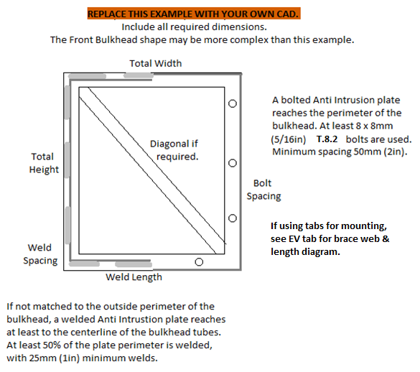
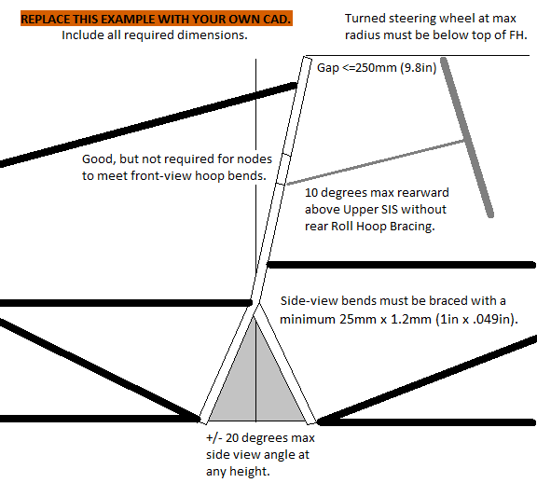
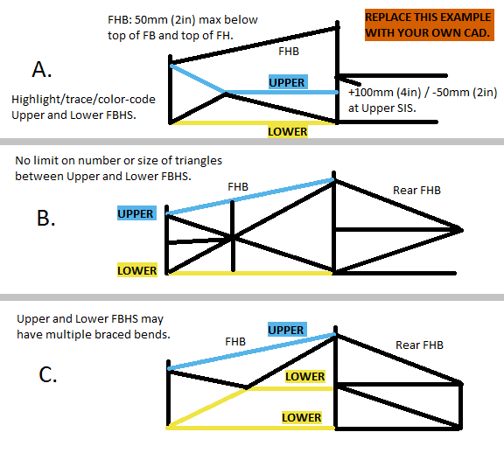
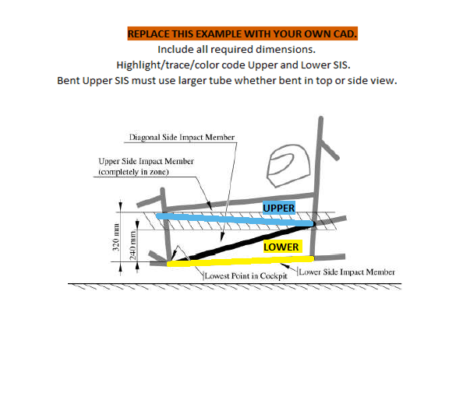
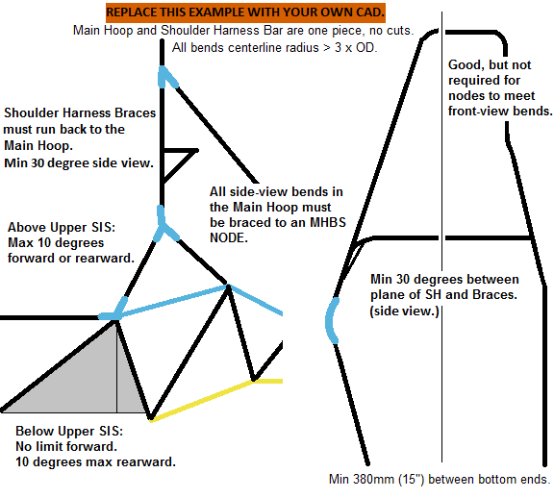
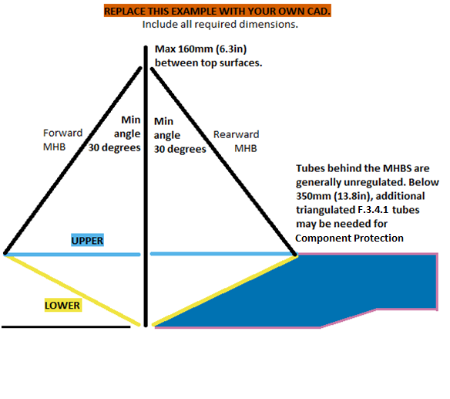
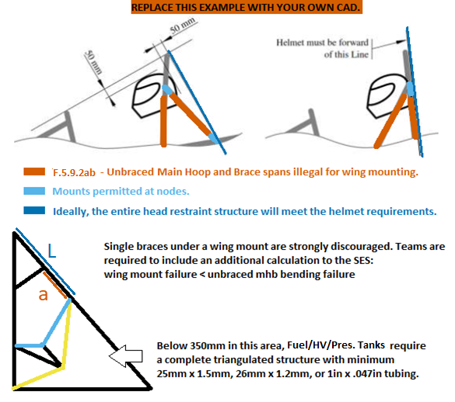
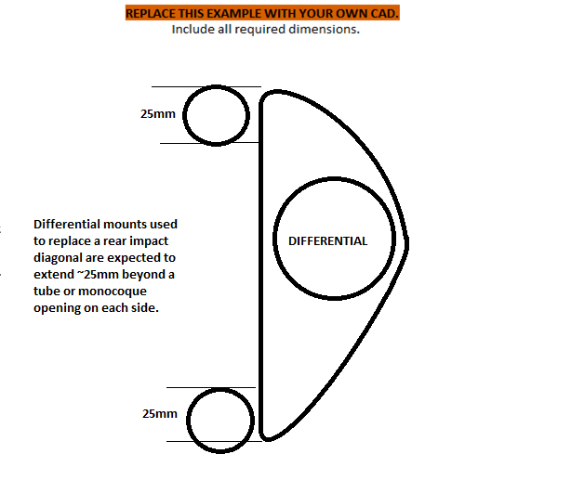
 |  |  |  |  |  |  |  |  |  |  |  |  |  |  |  |  |  |  |  |  |  |  |  |  |  |  |  |  |  |  |  |  |  |  |  |  |  |  |  |  |  |  |  |  |  |  |  |  |  |  |  |  |  |  |  |  |  |  |  |  |  |  |  |  |  |  |  |  |  |  |  |  |  |  |  |  |  |  |  |  |  |  |  |  | FB | Front Bulkhead
 |  |  |  |  |  |  |  |  |  |  |  |  |  |  |  |  |  |  |  |  |  |  |  |  |  |  |  |  |  |  |  |  |  |  |  |  |  |  |  |  |  |  |  |  |  |  |  |  |  |  |  |  |  |  |  |  |  |  |  |  |  |  |  |  |  |  |  |  |  |  |  |  |  |  |  |  |  |  |  |  |  |  |  |  | FBHS | Front Bulkhead Support
 |  |  |  |  |  |  |  |  |  |  |  |  |  |  |  |  |  |  |  |  |  |  |  |  |  |  |  |  |  |  |  |  |  |  |  |  |  |  |  |  |  |  |  |  |  |  |  |  |  |  |  |  |  |  |  |  |  |  |  |  |  |  |  |  |  |  |  |  |  |  |  |  |  |  |  |  |  |  |  |  |  |  |  |  | FH | Front Roll Hoop
 |  |  |  |  |  |  |  |  |  |  |  |  |  |  |  |  |  |  |  |  |  |  |  |  |  |  |  |  |  |  |  |  |  |  |  |  |  |  |  |  |  |  |  |  |  |  |  |  |  |  |  |  |  |  |  |  |  |  |  |  |  |  |  |  |  |  |  |  |  |  |  |  |  |  |  |  |  |  |  |  |  |  |  |  | FHB | Front Hoop Brace
 |  |  |  |  |  |  |  |  |  |  |  |  |  |  |  |  |  |  |  |  |  |  |  |  |  |  |  |  |  |  |  |  |  |  |  |  |  |  |  |  |  |  |  |  |  |  |  |  |  |  |  |  |  |  |  |  |  |  |  |  |  |  |  |  |  |  |  |  |  |  |  |  |  |  |  |  |  |  |  |  |  |  |  |  | HV | High Voltage
 |  |  |  |  |  |  |  |  |  |  |  |  |  |  |  |  |  |  |  |  |  |  |  |  |  |  |  |  |  |  |  |  |  |  |  |  |  |  |  |  |  |  |  |  |  |  |  |  |  |  |  |  |  |  |  |  |  |  |  |  |  |  |  |  |  |  |  |  |  |  |  |  |  |  |  |  |  |  |  |  |  |  |  |  | MH | Main Roll Hoop
 |  |  |  |  |  |  |  |  |  |  |  |  |  |  |  |  |  |  |  |  |  |  |  |  |  |  |  |  |  |  |  |  |  |  |  |  |  |  |  |  |  |  |  |  |  |  |  |  |  |  |  |  |  |  |  |  |  |  |  |  |  |  |  |  |  |  |  |  |  |  |  |  |  |  |  |  |  |  |  |  |  |  |  |  | MHB | Main Hoop Brace
 |  |  |  |  |  |  |  |  |  |  |  |  |  |  |  |  |  |  |  |  |  |  |  |  |  |  |  |  |  |  |  |  |  |  |  |  |  |  |  |  |  |  |  |  |  |  |  |  |  |  |  |  |  |  |  |  |  |  |  |  |  |  |  |  |  |  |  |  |  |  |  |  |  |  |  |  |  |  |  |  |  |  |  |  | MHBS | Main Hoop Brace Support
 |  |  |  |  |  |  |  |  |  |  |  |  |  |  |  |  |  |  |  |  |  |  |  |  |  |  |  |  |  |  |  |  |  |  |  |  |  |  |  |  |  |  |  |  |  |  |  |  |  |  |  |  |  |  |  |  |  |  |  |  |  |  |  |  |  |  |  |  |  |  |  |  |  |  |  |  |  |  |  |  |  |  |  |  | N/A | Not Applicable (Not required.)
 |  |  |  |  |  |  |  |  |  |  |  |  |  |  |  |  |  |  |  |  |  |  |  |  |  |  |  |  |  |  |  |  |  |  |  |  |  |  |  |  |  |  |  |  |  |  |  |  |  |  |  |  |  |  |  |  |  |  |  |  |  |  |  |  |  |  |  |  |  |  |  |  |  |  |  |  |  |  |  |  |  |  |  |  | SH | Shoulder Harness Structure
Front Bulkhead CAD with dimensions required. |  |  |  |  |  |  |  |  |  |  |  |  |  |  |  |  |  |  |  |  |  |  |  |  |  |  |  |  |  |  |  |  |  |  |  |  |  |  |  |  |  |  |  |  |  |  |  |  |  |  |  |  |  |  |  |  |  |  |  |  |  |  |  |  |  |  |  |  |  |  |  |  |  |  |  |  |  |  |  |  |  |  |  |  | SES | Structural Equivalency Spreadsheet
 |  |  |  |  |  |  |  |  |  | Front Hoop CAD with dimensions required. |  |  |  |  |  |  |  |  | FBHS, FHB CAD with dimensions required. |  |  |  |  |  |  |  |  | SIS CAD with dimensions required. |  |  |  |  |  |  |  | MH + SH CAD with dimensions required. |  |  |  |  |  |  |  | MHB, MHBS CAD with dimensions required. |  |  |  |  |  |  |  |  | Clearance CAD with dimensions required. |  |  |  |  |  |  |  | Accumulator Side Protection with dimensions. |  |  |  |  |  |  |  | Tractive Side Protection CAD with dimensions. |  |  |  |  |  |  |  | Rear Impact CAD with dimensions required. |  |  |  |  |  |  |  | SIS | Side Impact Structure

 |  |  |  |  |  |  |  |  |  |  |  |  |  |  |  |  |  |  | Highlight/trace/color code required tubes. |  |  |  |  |  |  |  |  | Highlight/trace/color code required tubes. |  |  |  |  |  |  |  |  |  |  |  |  |  |  |  | Highlight/trace/color code required tubes. |  |  |  |  |  |  |  |  |  |  |  |  |  |  |  |  |  |  |  |  |  |  |  |  |  |  |  |  |  |  |  |  |  |  |  |  |  |  |  |  | TRIANGULATION

 |  |  |  |  |  |  |  |  |  |  |  |  |  |  |  |  |  |  |  |  |  |  |  |  |  |  |  |  |  |  |  |  |  |  |  |  |  |  |  |  |  |  |  |  |  |  |  |  |  |  |  |  |  |  |  |  |  |  |  |  |  |  |  |  |  |  |  |  |  |  |  |  |  |  |  |  |  |  |  |  |  |  |  |  | F.1.2 | An arrangement of Frame Members where all members and segments of members
 |  |  |  |  |  |  |  |  |  |  |  |  |  |  |  |  |  |  |  |  |  |  |  |  |  |  |  |  |  |  |  |  |  |  |  |  |  |  |  |  |  |  |  |  |  |  |  |  |  |  |  |  |  |  |  |  |  |  |  |  |  |  |  |  |  |  |  |  |  |  |  |  |  |  |  |  |  |  |  |  |  |  |  |  | between bends or nodes with other structural tubes form a structure composed entirely of triangles.
 |  |  |  |  |  |  |  |  |  |  |  |  |  |  |  |  |  |  |  |  |  |  |  |  |  |  |  |  |  |  |  |  |  |  |  |  |  |  |  |  |  |  |  |  |  |  |  |  |  |  |  |  |  |  |  |  |  |  |  |  |  |  |  |  |  |  |  |  |  |  |  |  |  |  |  |  |  |  |  |  |  |  |  |  | a. This is generally required between an upper member and a lower member, both of which
 |  |  |  |  |  |  |  |  |  |  |  |  |  |  |  |  |  |  |  |  |  |  |  |  |  |  |  |  |  |  |  |  |  |  |  |  |  |  |  |  |  |  |  |  |  |  |  |  |  |  |  |  |  |  |  |  |  |  |  |  |  |  |  |  |  |  |  |  |  |  |  |  |  |  |  |  |  |  |  |  |  |  |  |  | may have multiple segments requiring a diagonal to form multiple triangles.
 |  |  |  |  |  |  |  |  |  |  |  |  |  |  |  |  |  |  |  |  |  |  |  |  |  |  |  |  |  |  |  |  |  |  |  |  |  |  |  |  |  |  |  |  |  |  |  |  |  |  |  |  |  |  |  |  |  |  |  |  |  |  |  |  |  |  |  |  |  |  |  |  |  |  |  |  |  |  |  |  |  |  |  |  | b. This is also what is meant by “properly triangulated”.

 |  |  |  |  |  |  |  |  |  |  |  |  |  |  |  |  |  |  |  |  |  |  |  |  |  |  |  |  |  |  |  |  |  |  |  |  |  |  |  |  |  |  |  |  |  |  |  |  |  |  |  |  |  |  |  |  |  |  |  |  |  |  |  |  |  |  |  |  |  |  |  |  |  |  |  |  |  |  |  |  |  |  |  |  | The Upper and Lower must maintain spacing and not share a load path.
 |  |  |  |  |  |  |  |  |  |  |  |  |  |  |  |  |  |  |  |  |  |  |  |  |  |  |  |  |  |  |  |  |  |  |  |  |  |  |  |  |  |  |  |  |  |  |  |  |  |  |  |  |  |  |  |  |  |  |  |  |  |  |  |  |  |  |  |  |  |  |  |  |  |  |  |  |  |  |  |  |  |  |  |  | The bottom of the MHB is the only exception to this requirement.

 |  |  |  |  |  |  |  |  |  |  |  |  |  |  |  |  |  |  |  |  |  |  |  |  |  |  |  |  |  |  |  |  |  |  |  |  |  |  |  |  |  |  |  |  |  |  |  |  |  |  |  |  |  |  |  |  |  |  |  |  |  |  |  |  |  |  |  |  |  |  |  |  |  |  |  |  |  |  |  |  |  |  |  |  | F.3.1.3 | Non structural tubing will be ignored.
 |  |  |  |  |  |  |  |  |  |  |  |  |  |  |  |  |  |  |  |  |  |  |  |  |  |  |  |  |  |  |  |  |  |  |  |  |  |  |  |  |  |  |  |  |  |  |  |  |  |  |  |  |  |  |  |  |  |  |  |  |  |  |  |  |  |  |  |  |  |  |  |  |  |  |  |  |  |  |  |  |  |  |  |  |  | Tubes with smaller than 25mm (1in) Outer Diamter will be ignored.
If additional images are necessary, they may be placed below each section. |  |  |  |  |  |  |  |  |  | If additional images are necessary, they may be placed below each section. |  |  |  |  |  |  |  |  | If additional images are necessary, they may be placed below each section. |  |  |  |  |  |  |  |  | If additional images are necessary, they may be placed below each section. |  |  |  |  |  |  |  | If additional images are necessary, they may be placed below each section. |  |  |  |  |  |  |  | If additional images are necessary, they may be placed below each section. |  |  |  |  |  |  |  |  | If additional images are necessary, they may be placed below each section. |  |  |  |  |  |  |  | Additional images may be placed below each section. |  |  |  |  |  |  |  | Additional images may be placed below each section. |  |  |  |  |  |  |  | Additional images may be placed below each section. |  |  |  |  |  |  |  |  | Tubes with Wall thinner than 1.2mm (0.047in) will be ignored.
BLANK |  | Anti-Intrusion and Front Bulkhead |  |  |  |  |  |  |  | BLANK |  | Front Hoop (FH) |  |  |  |  |  |  | EQ |  | Front Bulkhead Supports (FBHS) |  |  |  |  |  |  | EQ |  | Side Impact Structure (SIS) |  |  |  |  |  | BLANK |  | Main Hoop (MH) |  |  |  |  |  | BLANK |  | Main Hoop Braces (MHB) |  |  |  |  |  |  | BLANK |  | Helmet Clearance, Head Restraint, |  |  |  |  |  | BLANK |  | EV Accumulator Side Protection |  |  |  |  |  | BLANK |  | EV Tractive Side Protection |  |  |  |  |  | BLANK |  | EV Rear Impact Protection
 |  |  |  |  |  |  |  |  |  |  |  |  |  |  |  |  |  |  |  |  |  |  |  |  |  |  |  |  |  |  |  |  |  |  |  |  |  |  |  |  |  |  |  |  |  |  |  |  |  |  |  |  |  |  |  |  |  |  |  |  |  |  |  |  |  |  |  |  |  |  |  |  |  |  |  |  |  |  |  |  |  |  |  |  | X-geometry may be used instead of diagonals.
 |  |  |  |  |  |  |  |  |  |  |  |  |  |  |  |  |  |  | and Front Hoop Braces (FHB) |  |  |  |  |  |  |  |  |  |  |  |  |  |  |  |  | and Shoulder Harness Bar (SH) |  |  |  |  |  |  |  | and Main Hoop Brace Supports (MHBS) |  |  |  |  |  |  |  |  | and Rear Wing Mounting
BLANK |  |  |  |  |  |  |  |  |  | F.5.6.3 - The FH runs from the lowest frame member on each side. |  |  |  |  |  |  |  |  |  |  |  |  |  |  |  |  |  | F.6.4.4 - Designate the Upper SIS along its entire length. |  |  |  |  |  |  |  |  |  |  |  |  |  |  |  |  |  |  |  |  |  |  |  |  |  |  |  |  |  |  |  |  | F.11.1.1 | F.1.1j | Accumulators must be within the Primary Structure. |  |  |  |  |  | F.11.1.3 | F.1.1l | HV Components must be within the Rollover Protection Envelope. |  |  |  |  |  | F.11.2.1 - Size B equivalence is required if the accumulator is adjacent to the rear impact protection. |  |  |  |  |  |  |  | The SES examples show that quadrilateral openings are unacceptable.
F.8.2.1 | Anti-Intrusion Plate (AI) material: |  |  |  |  | Steel |  | EQ |  | F.5.6.2 - The FH may be multiple pieces. Side view bends must be braced per F.5.2. |  |  |  |  |  |  |  |  | There are three basic configurations for the FBHS: |  |  |  |  |  |  |  |  | F.6.4.5 - Lower SIS on each side from the bottom of the FH to the bottom of the MH. |  |  |  |  |  |  |  | F.5.7.1 - The Main Hoop must be one piece of uncut, continuous steel tubing. |  |  |  |  |  |  |  | F.5.8.6 - The Main Hoop Braces must be one piece, steel, with no bends. |  |  |  |  |  |  |  |  | The rollover plane is defined by the direction of the main hoop braces, shown above. |  |  |  |  |  |  |  | F.11.2.1 | Accumulator protection tubes are part of the Primary Structure |  |  |  |  |  |  | F.11.1.2 | Outboard wheel motors are the only exception. |  |  |  |  |  |  | F.11.2.3 - Size C equivalence is allowed If:
 | Steel: 1.5mm (0.060in), Aluminum: 4.0mm (.157in): |  |  |  |  |  | mm | BLANK |  |  |  |  |  |  |  |  |  |  | A. | Upper FBHS from the top of the FB to the Upper SIS, with a tolerance. |  |  |  |  |  |  |  | Designate the Lower SIS along its entire length. |  |  |  |  |  |  |  | F.5.7.2 - The Main Hoop must extend up from the lowest frame member on both sides. |  |  |  |  |  |  |  | Designate the Main Hoop Braces. |  |  |  |  |  |  |  |  | F.5.5.5 - The dummy's foot must be resting on the brake pedal face. |  |  |  |  |  |  |  |  |  |  |  |  |  |  |  |  |  |  |  |  |  |  |  | - the motor, differential, or spool, whichever the car has, fit between the acc. and rear impact. |  |  |  |  |  |  |  | Exception One:
 |  |  |  |  |  |  |  |  |  | EQ |  |  |  |  |  |  |  |  |  | Lower FBHS from the bottom of the FB to the Lower SIS. |  |  |  |  |  |  |  | F.6.4.6 - The area between the upper and lower SIS must be completely triangulated |  |  |  |  |  |  |  | F.5.7.3b - Main Hoop side view bends above Upper SIS must be braced to an MHBS or SIS node. |  |  |  |  |  |  |  | 'X' or 'V' MHB configurations are strongly discouraged. |  |  |  |  |  |  |  |  | T.2.8.4c - Head restraints cannot form part of the rollover envelope at any angle. |  |  |  |  |  |  |  | F.11.2.1 - From the side, below 350mm, the accumulator must be protected with: |  |  |  |  |  |  |  | F.11.2.3 - From the side, below 350mm, the tractive HV components must be protected with: |  |  |  |  |  |  |  | - none of these components need to actually be between the accumulator and rear impact. |  |  |  |  |  |  |  | 1. The space between the two lower paths of a Type-C FBHS is not required to be triangulated.
BLANK |  |  |  |  |  |  |  |  |  | F.5.6 | Front Hoop (FH) |  |  |  | Minimum | Tube Used |  | EQ | B. | Upper FBHS from the top of FB to above the Upper SIS, braced rearward. |  |  |  |  |  |  |  | with tubes meeting F.3.4.1 SIS. |  |  |  |  |  |  |  |  |  |  |  |  |  |  |  |  |  |  |  |  |  |  |  |  | A Head Restraint tube may run between the MHB tubes. A Head Restraint tube behind the |  |  |  |  |  |  |  | 1. An upper tube, generally not above Upper SIS height or below the top of the accumulator. |  |  |  |  |  |  |  | 1. An upper tube, generally not above Upper SIS height or below the top of a motor at axle level. |  |  |  |  |  |  |  | - equivalent spacing is sufficient to use Size C equivalence. |  |  |  |  |  |  |  | 1a. All bends on the lowest tube must still be braced to the corner of another triangle.
F.8.2.3 | AI Attachment: |  |  |  |  | Welded |  | EQ |  | F.3.2.1 | Example: 25mm x 2.5mm round |  |  |  | Size A | Round |  | EQ |  | Lower FBHS from the bottom of the FB to the Lower SIS. |  |  |  |  |  |  |  |  |  |  |  |  |  |  |  | F.6.5.1a - Tube Shoulder Harness Bars must be one piece of uncut, continuous steel tubing. |  |  |  |  |  |  |  | F.6.6.2 - The MHB must be triangulated back to the Main Hoop at the Upper and Lower SIS. |  |  |  |  |  |  |  |  | MHB tubes requires rear triangulated structure to extend the rollover envelope rearward. |  |  |  |  |  |  |  | 2. A lower tube meeting F.11.1.1. |  |  |  |  |  |  |  | 2. A lower tube.
 | AI plate must at least reach the centerline of Front Bulkhead tubes. |  |  |  |  |  |  | EQ |  | F.3.4.1 |  |  |  | Wall thickness: | 2 | 2 | mm | EQ | C. | Upper FBHS from the top of FB to above the Upper SIS, braced rearward. |  |  |  |  |  |  |  | F.3.1.1 | A bent Upper Side Impact tube requires a larger tube. |  |  |  |  |  |  | F.6.5.1b - Tube Shoulder Harness Bars must connect to the Main Hoop at both ends. |  |  |  |  |  |  |  | F.6.6.2a - The Upper MHBS runs from MHB to the Upper SIS. |  |  |  |  |  |  |  |  |  |  |  |  |  |  |  |  | 3. A diagonal tube or tubes completely triangulating the upper and lower tubes. |  |  |  |  |  |  |  | 3. A diagonal tube or tubes completely triangulating the upper and lower tubes. |  |  |  |  |  |  |  | F.11.2.3 - From the rear, below 350mm, the HV components must be protected with: |  |  |  |  |  |  |  | Exception Two:
 | At least half the perimeter must be welded: |  |  |  |  |  | % | BLANK |  |  |  |  |  | Outer Diameter (OD): | 25 | 30 | mm | EQ |  | Lower FBHS from the bottom of the FB to the Upper SIS, with a tolerance. |  |  |  |  |  |  |  | A straight Upper SIS may be intersected by triangulated tubes without being considered bent. |  |  |  |  |  |  |  | F.6.5.2b - Shoulder Harness Braces must support the middle of SH bends. |  |  |  |  |  |  |  | Designate the Upper MHBS along its entire length. |  |  |  |  |  |  |  |  | F.5.9 | Wing mounts and other items outside the rollover envelope buckle the MH or MHB. |  |  |  |  |  |  |  |  |  |  |  |  |  |  |  |  |  |  |  |  |  |  | 1. An upper tube, generally not above Upper SIS height or below the top of a motor at axle level. |  |  |  |  |  |  |  | 2. A diagonal that ends on the Upper and Lower tube may be replaced by a tube with a single bend,
 | Shortest weld >= 25mm (1in): |  |  |  |  |  | mm | BLANK |  |  |  |  |  | Wall thickness: | 2.0 | 2 | mm | EQ |  | A second Lower FBHS path from the bottom of the FB to the Lower SIS. |  |  |  |  |  |  |  |  |  |  |  |  |  |  |  | F.6.5.2b - Shoulder Harness Braces must connect back to the Main Hoop. |  |  |  |  |  |  |  | F.6.6.2b- The Lower MHBS runs from MHB to the Lower SIS. |  |  |  |  |  |  |  |  | F.5.9.2a | Place rear wing mounts at nodes, or away from the MH and MHB. |  |  |  |  |  |  | BLANK |  |  |  |  |  |  |  | BLANK |  |  |  |  |  |  |  | 2. A lower tube. |  |  |  |  |  |  |  | leaving one quadrilateral opening.
 |  |  |  |  |  |  |  |  |  |  |  |  |  | Outer Diameter (OD): | 25.0 | 30 | mm | EQ | F.6.2.3a - Designate the Upper FBHS along its entire length. |  |  |  |  |  |  |  |  |  |  |  | The 2020 Upper SIS location is intended to be less restrictive. |  |  |  |  |  |  |  |  |  |  |  |  | Designate the Lower MHBS along its entire length. |  |  |  |  |  |  |  |  | F.5.9.2b | Each wing mount on the MHB that is not at a node must: |  |  |  |  |  |  | F.5.8.1 | Accumulator Side Protection |  |  | Minimum | Tube Used |  | EQ | F.6.6 | Tractive Side Protection |  |  | Minimum | Tube Used |  | EQ | 3. A diagonal tube or tubes completely triangulating the upper and lower tubes. |  |  |  |  |  |  |  | 2a. The brace for the bent tube must form part of a triangle on both sides.
EQ |  |  |  |  |  |  |  |  |  |  |  |  |  | Tube cross sectional area (A): | 173 | 176 | mm^2 | EQ | F.6.2.3c - Designate the Lower FBHS along its entire length. |  |  |  |  |  |  |  |  |  |  |  | For 2020 only, cars built in compliance with the 2019 Upper SIS location will also be accepted. |  |  |  |  | The MHB may act as braces for a bent Shoulder Harness Bar. See column 'F' to the right. |  |  |  |  |  |  |  | F.6.6.2, F.5.5.2 - The area between the Upper and Lower MHBS must be completely triangulated |  |  |  |  |  |  |  |  |  | 1. Have a structural tube brace underneath. |  |  |  |  |  |  | F.3.2.1 | Example: 25.4mm x 1.6mm round |  |  | Size B | Round |  | EQ | F.3.2.1 | Example: 25.4mm x 1.2mm round |  |  | Size C | Round |  | EQ | 3a. V-triangulation may be asymmetric.
F.6.1 | Front Bulkhead (FB) |  |  |  | Minimum | Tube Used |  | EQ |  |  |  |  |  | Tube second moment of inertia (I): | 11320 | 17329 | mm^4 | EQ | F.6.2.3d - The area between the Upper and Lower FBHS must be completely triangulated |  |  |  |  |  |  |  |  | EQ |  |  |  |  |  |  |  |  |  |  |  |  |  |  |  | with tubes meeting F.3.4.1 FBHS. |  |  |  |  |  |  |  |  |  | 2. Have a detachment force below the calculated buckling yield of the MHB. |  |  |  |  |  |  | F.3.4.1 |  |  | Wall thickness: | 1.2 |  | mm | BLANK | F.3.4.1 |  |  | Wall thickness: | 1.2 |  | mm | BLANK | 4. The Rear Protection must be fully triangulated to the rear of the Acc. or Tractive Side Protection. |  |  |  |  |  |  |  | Bent Tubes
F.3.2.1 | Example: 25.4mm x 1.6mm round |  |  |  | Size B | Round |  | EQ |  |  |  |  |  |  |  |  |  |  | with tubes meeting F.3.4.1 SIS. |  |  |  |  |  |  |  |  |  |  |  |  | Tube frame Upper SIS compliance: | 2020 SIS Height |  | EQ | EQ |  |  |  |  |  |  |  | F.6.6.2a - A Shoulder Harness Bar and/or SH Brace may be used as part of the MHBS. |  |  |  |  |  |  |  |  | F.6.6.2 | If the brace has a path to the SIS and is triangulated underneath, it could be the MHBS. |  |  |  |  |  |  |  |  |  | Outer Diameter (OD): | 25 |  | mm | BLANK |  |  |  | Outer Diameter (OD): | 25 |  | mm | BLANK
F.3.4.1 |  |  |  | Wall thickness: | 1.2 | 1.5 | mm | EQ |  | BLANK |  |  |  |  |  |  |  |  |  |  |  |  |  |  |  |  |  |  |  |  |  | F.6.4.4.b - Lowest UpperSIS point above lowest LowerSIS point >=240mm: | 264 | mm | EQ | F.5.7.1 | Main Hoop (MH) |  |  | Minimum | Tube Used |  | EQ |  |  |  |  |  |  |  |  |  | F.5.8.6 | The wing mount would be at an MHB node, and there is no failure requirement. |  |  |  |  |  |  |  |  |  | Wall thickness: | 1.2 |  | mm | BLANK |  |  |  | Wall thickness: | 1.2 |  | mm | BLANK | Outisde rear differential mounts may be used for equivalence across tubes or composite openings.
 |  |  |  | Outer Diameter (OD): | 25 | 28 | mm | EQ |  | F.5.6.4 | Turned Steering Wheel minimum below FH top: |  |  |  |  |  | mm | BLANK | X-braces form two segments in side view, and cannot be used for Upper FBHS |  |  |  |  |  |  |  |  |  |  |  |  | F.6.4.4.b - Highest UpperSIS point above lowest LowerSIS point <=320mm: | 310 | mm | EQ | F.3.2.1 | Example: 25mm x 2.5mm round |  |  | Size A | Round |  | EQ | F.5.7.3b - Main Hoop side view bends above Upper SIS must be braced to an MHBS node. |  |  |  |  |  |  |  |  |  |  |  |  |  |  |  |  |  |  |  | Outer Diameter (OD): | 25.0 |  | mm | BLANK |  |  |  | Outer Diameter (OD): | 25.0 |  | mm | BLANK | Differential mounts must protect against: |  |  |  |  |  |  |  | All bends and multiple segment members must be braced according to F.5.2.
 |  |  |  | Wall thickness: | 1.2 | 1.5 | mm | EQ |  |  |  |  |  |  |  |  |  |  | in Types B or C without additional triangulation to the center node. |  |  |  |  |  |  |  |  |  |  |  |  | Highest and lowest are on the top and bottom of the Upper SIS tube. | 46 | mm | EQ | F.3.4.1 |  |  | Wall thickness: | 2 | 2 | mm | EQ |  |  |  |  |  |  |  |  |  | BLANK |  |  |  |  |  |  |  |  |  |  | Tube cross sectional area (A): | 114 |  | mm^2 | BLANK |  |  |  | Tube cross sectional area (A): | 91 |  | mm^2 | BLANK | 5. The intrusion of a 10" diameter impactor |  |  |  |  |  |  |  | F.5.2.1 - The bend radius at the centerline axis must be >= 3 x tube OD.
 |  |  |  | Outer Diameter (OD): | 25.0 | 28 | mm | EQ |  | BLANK |  |  |  |  |  |  |  |  | V-braces meet at the center at one end, and cannot be used for Upper FBHS in Types B or C. |  |  |  |  |  |  |  |  |  |  |  |  |  |  |  |  |  |  |  | Outer Diameter (OD): | 25 | 30 | mm | EQ |  | Main Hoop requires braces that run rearward. |  |  |  |  |  |  |  | F.5.5.3a | Helmet >=50mm (2in) below Roll Hoop plane: |  |  |  |  | mm | BLANK |  |  |  | Tube second moment of inertia (I): | 8509 |  | mm^4 | BLANK |  |  |  | Tube second moment of inertia (I): | 6695 |  | mm^4 | BLANK | 6. The intrusion of components mounted behind the rear impact protection, such as a differential. |  |  |  |  |  |  |  | F.5.2.3a - The brace must be at the center of the bend or intersection.
 |  |  |  | Tube cross sectional area (A): | 114 | 125 | mm^2 | EQ |  | F.5.6.5 | FH to Steering Wheel gap <=250mm (9.8in) |  |  |  |  |  | mm | BLANK | 'X' or 'V' FHB configurations are discouraged. |  |  |  |  |  |  |  |  | EQ |  |  |  |  |  |  |  |  |  |  | Wall thickness: | 2.0 | 2 | mm | EQ | BLANK |  |  |  |  |  |  |  |  |  |  |  |  |  |  |  |  |  |  |  |  |  |  |  |  |  |  |  |  |  |  |  |  | 6a. The mounts themselves, which need to be generally 25mm wider on each end than the opening. |  |  |  |  |  |  |  | F.5.2.3b - The brace must be at least as big as the largest tube being braced.
 |  |  |  | Tube second moment of inertia (I): | 8509 | 10997 | mm^4 | EQ |  |  |  |  |  |  |  |  |  |  | The upper and lower segments of the FH (created by the offset with the Upper SIS) are |  |  |  |  |  |  |  |  | F.6.4 | Upper Side Impact Structure (SIS) |  |  |  | Straight |  | EQ |  |  |  | Outer Diameter (OD): | 25.0 | 30 | mm | EQ | F.5.8.2 | Main Hoop brace direction: |  |  |  | Rearward |  | EQ |  | BLANK |  |  |  |  |  |  |  |  |  |  |  |  |  |  |  |  |  |  |  |  |  |  |  |  |  |  |  |  |  |  |  | F.5.2.3b - The brace must be within 30 degrees of the plane of the bend.
F.8.2.3b |  |  |  |  | Locate AI bolts through FB tube inserts or on tabs: | Centerline Inserts |  | EQ |  | EQ |  |  |  |  |  |  |  |  | treated as one segment. |  |  |  |  |  |  |  |  |  |  |  |  | Minimum | Tube Used |  | EQ |  |  |  | Tube cross sectional area (A): | 173 | 176 | mm^2 | EQ | F.5.8.5 | Angle between MH and MHB >=30 degrees: |  |  |  |  | degrees | BLANK |  | F.5.5.3bc | Main Hoop Braces protecting Helmet: |  |  |  | Rearward |  | EQ |  |  |  |  |  |  |  |  |  |  |  |  |  |  |  |  | Bolted joints must be documented if a removable panel or tube is used. |  |  |  |  |  |  |  | The plane of the bend is defined by the straight axes on either side of the bend.
 |  |  |  |  | Maximum Fastener centerline offset from tube surface: |  | mm | N/A |  | F.5.6.6 | Maximum Front Hoop side angle <=20 degrees: |  |  |  |  | 8 | degrees | EQ |  |  |  |  |  |  |  |  |  | F.3.2.1 | Example: 25.4mm x 1.6mm round |  |  | Size B | Round |  | EQ |  |  |  | Tube second moment of inertia (I): | 11320 | 17329 | mm^4 | EQ |  |  |  |  |  |  |  |  |  | F.5.5.3bc | Helmet >=50mm (2in) below Hoop/Brace plane: |  |  |  |  | mm | BLANK |  |  |  |  |  |  |  |  |  |  |  |  |  |  |  |  |  |  |  |  |  |  |  |  | The plane and 30 degree requirement must be considered in 3 dimensions.
 |  |  |  |  | Brace web thickness parallel to fastener shear plane: |  | mm | N/A |  |  |  |  |  |  |  |  |  |  | F.6.3.6 - A tube FHB must be straight, without any bends. (One segment.) |  |  |  |  |  |  |  |  | F.3.4.1 |  |  | Wall thickness: | 1.2 | 1.5 | mm | EQ |  |  |  |  |  |  |  |  | BLANK |  |  |  |  |  |  |  |  |  |  |  |  |  |  |  |  |  |  |  |  |  |  |  |  |  |  |  |  |  |  |  |  | BLANK
F.3.4.2 |  |  |  |  | Fastener shear plane brace length: |  | mm | N/A |  | EQ |  |  |  |  |  |  |  |  | Designate the Front Hoop Braces. |  |  |  |  |  |  |  |  |  |  |  | Outer Diameter (OD): | 25 | 28 | mm | EQ | BLANK |  |  |  |  |  |  |  | F.5.8.4 | Top of MH of MHB tube, 160mm vertical limit: |  |  |  |  | mm | BLANK |  | BLANK |  |  |  |  |  |  |  |  |  |  |  |  |  |  |  |  |  |  |  |  |  |  |  | F.11.2.3 |  |  |  |  | Your motor or diff could fit between the acc.and rear impact? | Yes | EQ | There is no limit to the number bends.
3.00E+08 |  |  |  |  | 15kN Bending M*y / I <= UTS: |  |  | N/A |  | F.6.3.5 | FH rearward lean above Upper SIS <= 10, or braced: |  |  |  |  | 8 | degrees | EQ | F.6.3.3 - The FHB should extend all the way to the Front Bulkhead. |  |  |  |  |  |  |  |  |  |  |  | Wall thickness: | 1.2 | 1.5 | mm | EQ | F.6.5 | Shoulder Harness Bar (SH) |  |  |  | Straight |  | EQ |  |  |  |  |  |  |  |  |  | T.2.8.4c | Head Restraint >=0 from ground in any rollover: |  |  |  |  | mm | BLANK |  |  |  |  |  |  |  |  |  |  |  |  |  |  |  |  |  | Tractive Rear Impact Protection |  |  | Minimum | Tube Used |  | EQ | There is no limit to the number or size of triangles used between an Upper and Lower.
1.73E+08 |  |  |  |  | Parabolic shear 3*Test Load/2*b*h <= Shear: |  |  | N/A |  |  | Rearward Front Hoop Brace is not required. |  |  |  |  |  |  |  | F.5.5.2 - Front FHB that do not reach the FB must end the node of a completely triangulated structure. |  |  |  |  |  |  |  |  |  |  |  | Outer Diameter (OD): | 25.0 | 28.0 | mm | EQ |  |  |  |  | Minimum | Tube Used |  | EQ | EQ |  |  |  |  |  |  |  |  |  |  |  |  |  |  |  |  |  |  |  |  |  |  |  |  |  |  |  |  |  |  |  |  | F.3.2.1 | Example: 25.4mm x 1.2mm round |  |  | Size C | Round |  | EQ
 |  |  |  |  | Brace web thickness parallel to fastener axis: |  | mm | N/A |  |  |  |  |  |  |  |  |  |  | F.5.5.2 - Rear FHB must end at the node of a completely triangulated structure. |  |  |  |  |  |  |  |  |  |  |  | Tube cross sectional area (A): | 114 | 125 | mm^2 | EQ | F.3.2.1 | Example: 25mm x 2.5mm round |  |  | Size A | Round |  | EQ | F.5.8.1 | Main Hoop Brace (MHB) |  |  | Minimum | Tube Used |  | EQ |  | Note: A straight tube between the MHB tubes as part of the Head Restraint does not form part of the rollover envelope. A Head Restraint protruding behind the MHB tubes risks becoming part of the rollover envelope, and is strongly discouraged. |  |  |  |  |  |  |  |  |  |  |  |  |  |  |  |  |  |  |  |  |  |  |  | F.3.4.1 |  |  | Wall thickness: | 1.2 |  | mm | BLANK | GR.1.4 - Good Engineering Practice
F.3.4.2 |  |  |  |  | Fastener axis brace length: |  | mm | N/A |  |  |  |  |  |  |  |  |  |  | T.1.3.2 - The driver's feet must be completely enclosed by tubes meeting F.3.4.1. |  |  |  |  |  |  |  |  |  |  |  | Tube second moment of inertia (I): | 8509 | 10997 | mm^4 | EQ | F.3.4.1 |  |  | Wall thickness: | 2 |  | mm | BLANK | F.3.2.1 | Example: 25.4mm x 1.6mm round |  |  | Size B | Round |  | EQ |  |  |  |  |  |  |  |  |  |  |  |  |  |  |  |  |  |  |  |  |  |  |  |  |  |  |  |  | Outer Diameter (OD): | 25 |  | mm | BLANK
3.00E+08 |  |  |  |  | 15kN Bending M*y / I <= UTS: |  |  | N/A |  |  |  |  |  |  |  |  |  |  | Tubes may be added for leg and foot protection. |  |  |  |  |  |  |  |  |  |  |  |  |  |  |  |  |  |  |  | Outer Diameter (OD): | 25 |  | mm | BLANK | F.3.4.1 |  |  | Wall thickness: | 1.2 | 1.5 | mm | EQ |  |  |  |  |  |  |  |  |  |  |  |  |  |  |  |  |  |  |  |  |  |  |  |  |  |  |  |  | Wall thickness: | 1.2 |  | mm | BLANK
1.73E+08 |  |  |  |  | Parabolic shear 3*Test Load/2*b*h <= Shear: |  |  | N/A |  |  |  |  |  |  |  |  |  |  |  |  |  |  |  |  |  |  |  | EQ |  |  |  |  |  |  |  |  |  |  | Wall thickness: | 2.0 |  | mm | BLANK |  |  |  | Outer Diameter (OD): | 25 | 28 | mm | EQ |  |  |  |  |  |  |  |  |  |  |  |  |  |  |  |  |  |  |  |  |  |  |  |  |  |  |  |  | Outer Diameter (OD): | 25.0 |  | mm | BLANK | GR.1.4 Chassis catch all:
 |  |  |  |  |  |  |  |  |  |  |  |  |  |  |  |  |  |  | EQ |  |  |  |  |  |  |  |  | F.6.4 | Lower and Diagonal SIS |  |  | Minimum | Tube Used |  | EQ |  |  |  | Outer Diameter (OD): | 25.0 |  | mm | BLANK |  |  |  | Wall thickness: | 1.2 | 1.5 | mm | EQ |  | BLANK |  |  |  |  |  |  |  |  |  |  |  |  |  |  |  |  |  |  |  |  |  |  |  |  |  |  | Tube cross sectional area (A): | 91 |  | mm^2 | BLANK | No openings up to Upper SIS Height may allow a 254mm diameter impactor to pass through.
F.8.4.3 - If the Front Bulkhead > 406mm x 355mm (16in x 14in), the Standard Impact Attenuator 355mm x 304mm (14in x 12in) does not reach the edges of the tubes. For EQ Equivalence, a diagonal or X-brace is needed. The diagonal ends should point to a node where FBHS tubes support the FB. Do not mount diagonal tubes between unsupported mid-span points of the FB. |  |  |  |  |  |  |  |  |  |  |  |  |  |  |  |  |  |  | F.6.2 | Front Bulkhead Support (FBHS) |  |  |  | Minimum | Tube Used |  | EQ | F.3.2.1 | Example: 25.4mm x 1.6mm round |  |  | Size B | Round |  | EQ |  |  |  | Tube cross sectional area (A): | 173 |  | mm^2 | BLANK |  |  |  | Outer Diameter (OD): | 25.0 | 28 | mm | EQ |  | F.5.9 | Rear Wing chassis mounting locations: |  |  | Select drop down: |  |  | BLANK |  |  |  |  |  |  |  |  |  |  |  |  |  |  |  |  |  |  |  | Tube second moment of inertia (I): | 6695 |  | mm^4 | BLANK | The top of the impactor will not be raised above the maximum Upper SIS height permitted by rules.
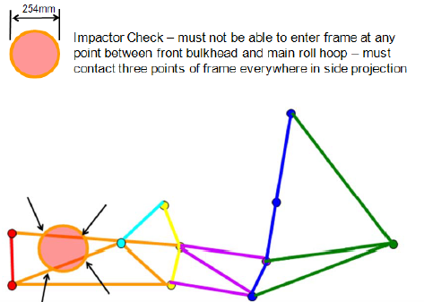
 |  |  |  |  |  |  |  |  |  |  |  |  |  |  |  |  |  |  | F.3.2.1 | Example: 25.4mm x 1.2mm round |  |  |  | Size C | Round |  | EQ | F.3.4.1 |  |  | Wall thickness: | 1.2 | 1.5 | mm | EQ |  |  |  | Tube second moment of inertia (I): | 11320 |  | mm^4 | BLANK |  |  |  | Tube cross sectional area (A): | 114 | 125 | mm^2 | EQ |  | F.5.9.2b | Wing Mount Braces |  |  | Minimum | Tube Used |  | N/A
 |  |  |  |  |  |  |  |  |  |  |  |  |  |  |  |  |  |  | F.3.4.1 |  |  |  | Wall thickness: | 1.2 | 1.5 | mm | EQ |  |  |  | Outer Diameter (OD): | 25 | 28 | mm | EQ |  |  |  |  |  |  |  |  |  |  |  | Tube second moment of inertia (I): | 8509 | 10997 | mm^4 | EQ |  | F.3.2.1 | Example: 25.4mm x 1.2mm round |  |  | Size C | Round |  | N/A |  |  |  |  |  |  |  |  |  |  |  |  |  |  |  |  | BLANK
 |  |  |  |  |  |  |  |  |  |  |  |  |  |  |  |  |  |  |  |  |  |  | Outer Diameter (OD): | 25 | 25 | mm | EQ |  |  |  | Wall thickness: | 1.2 | 1.5 | mm | EQ |  | Shoulder Harness Bar does not require braces. |  |  |  |  |  |  |  |  |  |  |  |  |  |  |  | F.3.4.1 |  |  | Wall thickness: | 1.2 |  | mm | N/A |  |  |  |  |  |  |  |  |  |  |  |  |  |  |  |  | F.11.2.3 | Rear Impact Diagonal: |  |  | Tube |  |  | EQ
F.8.4.3 - A Standard Impact Attenuator may be oriented horizontally or vertically. For Bulkheads < 406mm x 355mm (16in x 14in), a Standard Attenuator must be oriented to keep the outside profile of the Bulkhead no more than 25mm (1in) from the edge. Otherwise, testing or a diagonal will be required. |  |  |  |  |  |  |  |  |  |  |  |  |  |  |  |  |  |  |  |  |  |  | Wall thickness: | 1.2 | 1.5 | mm | EQ |  |  |  | Outer Diameter (OD): | 25.0 | 28 | mm | EQ |  |  |  |  |  |  |  |  | EQ |  |  |  |  |  |  |  |  |  |  |  | Outer Diameter (OD): | 25 |  | mm | N/A |  |  |  |  |  |  |  |  |  |  |  |  |  |  |  |  |  | Tractive Rear Impact Protection |  |  | Minimum | Tube Used |  | EQ
 |  |  |  |  |  |  |  |  |  |  |  |  |  |  |  |  |  |  |  |  |  |  | Outer Diameter (OD): | 25.0 | 25 | mm | EQ |  |  |  | Tube cross sectional area (A): | 114 | 125 | mm^2 | EQ | EQ |  |  |  |  |  |  |  | F.6.6 | Main Hoop Brace Support (MHBS) |  |  | Minimum | Tube Used |  | EQ |  |  |  |  | Wall thickness: | 1.2 |  | mm | N/A |  |  |  |  |  |  |  |  |  |  |  |  |  |  |  |  | F.3.2.1 | Example: 25.4mm x 1.2mm round |  |  | Size C | Round |  | EQ
 |  |  |  |  |  |  |  |  |  |  |  |  |  |  |  |  |  |  |  |  |  |  | Tube cross sectional area (A): | 91 | 111 | mm^2 | EQ |  |  |  | Tube second moment of inertia (I): | 8509 | 10997 | mm^4 | EQ | T.4.5.3b | Brace angle to plane of SH side view >= 30: |  |  |  |  | degrees | N/A | F.3.2.1 | Example: 25.4mm x 1.2mm round |  |  | Size C | Round |  | EQ |  |  |  |  | Outer Diameter (OD): | 25.0 |  | mm | N/A |  |  |  |  |  |  |  |  |  |  |  |  |  |  |  |  | F.3.4.1 |  |  | Wall thickness: | 1.2 |  | mm | BLANK
 |  |  |  |  |  |  |  |  |  |  |  |  |  |  |  |  |  |  |  |  |  |  | Tube second moment of inertia (I): | 6695 | 7676 | mm^4 | EQ |  |  |  |  |  |  |  |  |  |  |  |  |  |  |  |  | F.3.4.1 |  |  | Wall thickness: | 1.2 | 1.5 | mm | EQ |  |  |  |  | Tube cross sectional area (A): | 91 |  | mm^2 | N/A |  |  |  |  |  |  |  |  |  |  |  |  |  |  |  |  |  |  |  | Outer Diameter (OD): | 25 |  | mm | BLANK
F.8.4.3b - It may be shown with quasi-static or dynamic testing on the IAD tab that the AI plate deflects less than 25mm without a diagonal. |  |  |  |  |  |  |  |  |  |  |  |  |  |  |  |  |  |  |  |  |  |  |  |  |  |  |  |  |  |  |  |  |  |  |  | F.5.2.3 - The plane of a bent tube is defined by the straight axes on either side of the bend. |  |  |  |  |  |  |  |  |  |  | Outer Diameter (OD): | 25 | 25 | mm | EQ |  |  |  |  | Tube second moment of inertia (I): | 6695 |  | mm^4 | N/A |  |  |  |  |  |  |  |  |  |  |  |  |  |  |  |  |  |  |  | Wall thickness: | 1.2 |  | mm | BLANK
 |  |  |  |  |  |  |  |  |  |  |  |  |  |  |  |  |  |  | EQ |  |  |  |  |  |  |  |  |  |  |  |  |  |  |  |  |  |  |  |  |  |  |  |  |  |  |  | Wall thickness: | 1.2 | 1.5 | mm | EQ |  | F.5.9.2b |  |  | Calculation of buckling strength of MHB tube. |  |  |  | N/A |  |  |  |  |  |  |  |  |  |  |  |  |  |  |  |  |  |  |  | Outer Diameter (OD): | 25.0 |  | mm | BLANK
 |  |  |  |  |  |  |  |  |  |  |  |  |  |  |  |  |  |  | F.6.2.3a | Top of FB to Upper FBHS tube, 50mm vertical limit: |  |  |  |  | 0 | mm | EQ |  |  |  |  |  |  |  |  |  | Shoulder Harness Bar does not require braces. |  |  |  |  |  |  |  |  |  | Outer Diameter (OD): | 25.0 | 25 | mm | EQ |  | F.3.4.2 |  |  |  | Yield Strength (Sy): | 3.05E+08 | Pa | N/A |  |  |  |  |  |  |  |  |  |  |  |  |  |  |  |  |  |  |  | Tube cross sectional area (A): | 91 |  | mm^2 | BLANK
EQ |  |  |  |  |  |  |  |  |  |  |  |  |  |  |  |  |  |  |  |  |  |  |  |  |  |  |  |  |  |  |  |  |  |  |  | EQ |  |  |  |  |  |  |  |  |  |  | Tube cross sectional area (A): | 91 | 111 | mm^2 | EQ |  |  |  |  |  | Main Hoop Brace Outer Diameter (OD): | 28 | mm | N/A |  |  |  |  |  |  |  |  |  |  |  |  |  |  |  |  |  |  |  | Tube second moment of inertia (I): | 6695 |  | mm^4 | BLANK
F.8.4.3 | Impact Attenuator (IA) used: |  |  |  |  | Standard |  | EQ |  |  |  |  |  |  |  |  |  |  | EQ |  |  |  |  |  |  |  |  |  |  |  |  |  |  |  |  | F.6.5.1 | Shoulder Harness Braces |  |  | Minimum | Tube Used |  | N/A |  |  |  | Tube second moment of inertia (I): | 6695 | 7676 | mm^4 | EQ |  |  |  |  |  | Main Hoop Brace second moment of inertia (I): | 10997 | mm^4 | N/A |  |  |  |  |  |  |  |  |  |  |  |  |  |  |  |  |  |  |  |  |  |  |  | N/A
 |  |  |  |  | Impact Attenuator Height: | 304mm (12in) |  | EQ |  |  |  |  |  |  |  |  |  |  | F.6.2.3ab | FBHS configuration: |  |  |  |  | B |  | EQ |  |  |  |  |  |  |  |  | F.3.2.1 | Example: 25.4mm x 1.2mm round |  |  | Size C | Round |  | N/A |  |  |  |  |  |  |  |  |  |  |  |  |  | Main Hoop Brace Length (Main Hoop to MHBS) (L): |  | mm | N/A |  |  |  |  |  |  |  |  |  |  |  |  |  |  |  |  | F.3.4.2 |  |  |  |  |  | Pa | N/A
 |  |  |  |  | Impact Attenuator Width: | 355mm (14in) |  | EQ |  |  |  |  |  |  |  |  |  |  | Top of Upper FBHS tube relative to top of Upper SIS tube: |  |  |  |  |  | Above |  | EQ |  |  |  |  |  |  |  |  | F.3.4.1 |  |  | Wall thickness: | 1.2 |  | mm | N/A |  |  |  |  |  |  |  |  |  |  |  |  |  | Wing Mount distance to closest MHB end (a): |  | mm | N/A |  |  |  |  |  |  |  |  |  |  |  |  |  |  |  |  |  |  |  |  |  |  | Pa | N/A
 |  |  |  |  | Front Bulkhead Height: | 388 | mm | EQ |  |  |  |  |  |  |  |  |  |  | Without Rear FHB, vertical limit 100mm above: |  |  |  |  |  | 230.5 | mm | EQ |  |  |  |  |  |  |  |  |  |  |  | Outer Diameter (OD): | 25 |  | mm | N/A |  |  |  |  |  |  |  |  |  |  |  |  |  | Pinned MHB Buckling Force (Sy*L*I)/(a*(L-a)*OD/2): |  | N | N/A |  |  |  |  |  |  |  |  |  |  |  |  |  |  |  |  |  |  |  |  |  |  | Pa | N/A
 |  |  |  |  | Front Bulkhead Width: | 388 | mm | EQ |  |  |  |  |  |  |  |  |  |  |  | Rearward Front Hoop Brace Required by FBHS. |  |  |  |  |  |  |  |  |  |  |  |  |  |  |  |  |  |  | Wall thickness: | 1.2 |  | mm | N/A |  |  |  |  |  |  |  |  |  | F.5.9.2b |  |  |  | Rear Wing Detachment Force (On One Side): |  | N | N/A |  |  |  |  |  |  |  |  |  |  |  |  |  |  |  |  |  |  |  |  |  |  | Pa | N/A
Diagonal or test required. |  |  |  |  |  |  |  |  |  |  |  |  |  |  |  |  |  |  |  |  |  |  |  |  |  |  |  |  |  |  |  |  |  |  |  |  |  |  | Outer Diameter (OD): | 25.0 |  | mm | N/A |  |  |  |  |  |  |  |  |  |  |  |  |  |  |  |  |  |  |  |  |  |  |  |  |  |  |  |  |  |  |  |  |  |  |  |  |  |  |  | m^2 | N/A
 |  |  |  |  |  |  |  |  |  |  |  |  |  |  |  |  |  |  | EQ |  |  |  |  |  |  |  |  |  |  |  |  |  |  |  |  |  |  |  | Tube cross sectional area (A): | 91 |  | mm^2 | N/A |  |  |  |  |  |  |  |  |  |  |  |  |  |  |  |  |  |  |  |  |  |  |  |  |  |  |  |  |  |  |  |  |  |  |  |  |  |  |  | m^4 | N/A
EQ |  |  |  |  |  |  |  |  |  |  |  |  |  |  |  |  |  |  | F.6.3.4 | Top of FH to top of FHB tube, 50mm vertical limit: |  |  |  |  | 0 | mm | EQ |  |  |  |  |  |  |  |  |  |  |  | Tube second moment of inertia (I): | 6695 |  | mm^4 | N/A |  |  |  |  |  |  |  |  |  | EV: Complete EV protection columns to the right |  |  |  |  |  |  |  |  |  |  |  |  |  |  |  |  |  |  |  |  |  |  |  |  |  |  |  |  |  | m | N/A
F.8.4.3 | Diagonal Tube or Impact Attenuator Test |  |  |  |  | Tube |  | EQ |  |  |  |  |  |  |  |  |  |  |  |  |  |  |  |  |  |  |  |  |  |  |  |  |  |  |  |  |  |  |  |  |  |  |  |  |  |  |  |  |  |  |  |  |  |  |  |  |  |  |  |  |  |  |  |  |  |  |  |  |  |  |  |  |  |  |  |  |  |  |  |  |  |  |  | N/A
 | Example: 25.4mm x 1.2mm round |  |  |  | Minimum | Tube Used |  | EQ |  |  |  |  |  |  |  |  |  |  | EQ |  |  |  |  |  |  |  |  |  |  |  |  |  |  |  |  | EQ |  |  |  |  |  |  |  |  |  |  |  |  |  |  |  |  |  |  |  |  |  |  |  |  |  |  |  |  |  |  |  |  |  |  |  |  |  |  |  |  |  |  |  |  |  |  |  | N/A
F.3.2.1 |  |  |  |  | Size C | Round |  | EQ |  |  |  |  |  |  |  |  |  |  | F.6.3 | Forward Front Hoop Braces (FHB) |  |  |  | Minimum | Tube Used |  | EQ |  |  |  |  |  |  |  |  | F.5.7.3a | Main Hoop direction in side view above Upper SIS: |  |  |  | Rearward |  | EQ |  |  |  |  |  |  |  |  |  | EV: Complete all other tabs |  |  |  |  |  |  |  |  |  |  |  |  |  |  |  |  |  |  |  |  |  |  |  |  |  |  |  |  |  |  | N/A
F.3.4.1 |  |  |  | Wall thickness: | 1.2 | 1.5 | mm | EQ |  |  |  |  |  |  |  |  |  |  | F.3.2.1 | Example: 25.4mm x 1.6mm round |  |  |  | Size B | Round |  | EQ |  |  |  |  |  |  |  |  |  | Main Hoop side angle above Upper SIS <=10: |  |  |  | 7 | degrees | EQ |  |  |  |  |  |  |  |  |  |  |  |  |  |  |  |  |  |  |  |  |  |  |  |  |  |  |  |  |  |  |  |  |  |  |  |  |  |  |  |  | N/A
 |  |  |  | Outer Diameter (OD): | 25 | 28 | mm | EQ |  |  |  |  |  |  |  |  |  |  | F.3.4.1 |  |  |  | Wall thickness: | 1.2 | 1.5 | mm | EQ |  |  |  |  |  |  |  |  | F.5.8.2 | Main Hoop requires braces that run rearward. |  |  |  |  |  |  |  |  |  |  |  |  |  |  |  |  |  |  |  |  |  |  |  |  |  |  |  |  |  |  |  |  |  |  |  |  |  |  |  |  |  |  |  |  |  |  | N/A
 |  |  |  | Wall thickness: | 1.2 | 1.5 | mm | EQ |  |  |  |  |  |  |  |  |  |  |  |  |  |  | Outer Diameter (OD): | 25 | 28 | mm | EQ |  |  |  |  |  |  |  |  |  |  |  |  |  |  |  |  |  |  |  |  |  |  |  |  |  | BLANK |  | F.3.1-4 Tube Chassis
 |  |  |  | Outer Diameter (OD): | 25.0 | 28 | mm | EQ |  |  |  |  |  |  |  |  |  |  |  |  |  |  | Wall thickness: | 1.2 | 1.5 | mm | EQ |  |  |  |  |  |  |  |  | EQ
 |  |  |  | Tube cross sectional area (A): | 91 | 125 | mm^2 | EQ |  |  |  |  |  |  |  |  |  |  |  |  |  |  | Outer Diameter (OD): | 25.0 | 28 | mm | EQ |  |  |  |  |  |  |  |  | F.5.7.3c | Main Hoop direction in side view below Upper SIS: |  |  |  | Rearward |  | EQ |  |  |  |  |  |  |  |  |  | BLANK |  | F.10-11 EV Accumulator
 |  |  |  | Tube second moment of inertia (I): | 6695 | 10997 | mm^4 | EQ |  |  |  |  |  |  |  |  |  |  |  |  |  |  | Tube cross sectional area (A): | 114 | 125 | mm^2 | EQ |  |  |  |  |  |  |  |  |  | Main Hoop <=10 degrees in the rearward direction: |  |  |  | 8 | degrees | EQ
 |  |  |  |  |  |  |  |  |  |  |  |  |  |  |  |  |  |  |  |  |  |  | Tube second moment of inertia (I): | 8509 | 10997 | mm^4 | EQ |  |  |  |  |  |  |  |  |  |  |  |  |  |  |  |  |  |  |  |  |  |  |  |  |  | BLANK |  | F.8.4 Impact Attenuator
 |  |  |  |  |  |  |  |  |  |  |  |  |  |  |  |  |  |  |  |  |  |  |  |  |  |  |  |  |  |  |  |  |  |  |  | EQ
 |  |  |  |  |  |  |  |  |  |  |  |  |  |  |  |  |  |  |  | Rear Front Bulkhead Support is required by: |  |  |  |  |  |  | FBHS |  |  |  |  |  |  |  |  | F.5.7.4 | Distance between Main Hoop ends >=380mm (15") |  |  |  | 400 | mm | EQ |  |  |  |  |  |  |  |  |  | BLANK |  | F.3.3, F.4, F.8.4 Materials
 |  |  |  |  |  |  |  |  |  |  |  |  |  |  |  |  |  |  | EQ
 |  |  |  |  |  |  |  |  |  |  |  |  |  |  |  |  |  |  | F.6.2.3b | Rear Front Bulkhead Support (FBHS) |  |  |  | Minimum | Tube Used |  | EQ |  |  |  |  |  |  |  |  |  |  |  | F.5.2.1 - Enter the tightest bend on any T.5-6 tube in the chassis (usually in the MH or SH.) |  |  |  |  |  |  |  |  |  |  |  |  |  | BLANK |  | F.3.2.3 Welded Inserts
 |  |  |  |  |  |  |  |  |  |  |  |  |  |  |  |  |  |  | F.3.2.1 | Example: 25.4mm x 1.2mm round |  |  |  | Size C | Round |  | EQ |  |  |  |  |  |  |  |  | EQ
 |  |  |  |  |  |  |  |  |  |  |  |  |  |  |  |  |  |  | F.3.4.1 |  |  |  | Wall thickness: | 1.2 | 1.5 | mm | EQ |  |  |  |  |  |  |  |  | F.5.2.1 | Minimum tube centerline radius: |  |  |  | 100 | mm | EQ |  |  |  |  |  |  |  |  |  | BLANK |  | F.5.10 Bolted Members
 |  |  |  |  |  |  |  |  |  |  |  |  |  |  |  |  |  |  |  |  |  |  | Outer Diameter (OD): | 25 | 28 | mm | EQ |  |  |  |  |  |  |  |  |  | Outer Diameter (OD): |  |  |  | 30 | mm | EQ
 |  |  |  |  |  |  |  |  |  |  |  |  |  |  |  |  |  |  |  |  |  |  | Wall thickness: | 1.2 | 1.5 | mm | EQ |  |  |  |  |  |  |  |  |  | Minimum radius::diameter ratio >=3: |  |  |  | 3.3333333333 |  | EQ |  |  |  |  |  |  |  |  |  | NO |  | Ready to submit for review? |  |  |  |  |  |  |  |  |  |  |  |  |  |  |  |  |  |  |  |  |  |  |  |  |  |  |  |  |  |  | Triangulation, by definition, means composed of triangles.
 |  |  |  |  |  |  |  |  |  |  |  |  |  |  |  |  |  |  |  |  |  |  | Outer Diameter (OD): | 25.0 | 28 | mm | EQ |  |  |  |  |  |  |  |  |  |  |  |  |  |  |  |  |  |  |  |  |  |  |  |  |  |  |  |  |  |  |  |  |  |  |  |  |  |  |  |  |  |  |  |  |  |  |  |  |  |  |  |  |  |  |  |  |  |  | Between the Upper and Lower tubes of the FBHS, SIS, and MHBS, and HV Side and Rear protection, all openings between regulated tubes must be triangles.
 |  |  |  |  |  |  |  |  |  |  |  |  |  |  |  |  |  |  |  |  |  |  | Tube cross sectional area (A): | 91 | 125 | mm^2 | EQ |  |  |  |  |  |  |  |  |  |  |  |  |  |  |  |  |  |  |  |  |  |  |  |  |  |  |  |  |  |  |  |  |  |  |  |  |  |  |  |  |  |  |  |  |  |  |  |  |  |  |  |  |  |  |  |  |  |  | It is difficult to create a questionable or illegal structure that is fully triangulated.
 |  |  |  |  |  |  |  |  |  |  |  |  |  |  |  |  |  |  |  |  |  |  | Tube second moment of inertia (I): | 6695 | 10997 | mm^4 | EQ

 |  |  |  |  |  |  |  |  |  |  |  |  |  |  |  |  |  |  | F.6.2.3b - Rear FBHS braces minimum Size C. |  |  |  |  |  |  |  |  |  |  |  |  |  |  |  |  |  |  |  |  |  |  |  |  |  |  |  |  |  |  |  |  |  |  |  |  |  |  |  |  |  |  |  |  |  |  |  |  |  |  |  |  |  |  |  |  |  |  |  |  |  |  |  |  |  |  | Represented as pinned two-force members, a quadrilateral forms a movable four bar mechanism.
 |  |  |  |  |  |  |  |  |  |  |  |  |  |  |  |  |  |  | F.6.3.5 - Rear FH braces minimum Size B. |  |  |  |  |  |  |  |  |  |  |  |  |  |  |  |  |  |  |  |  |  |  |  |  |  |  |  |  |  |  |  |  |  |  |  |  |  |  |  |  |  |  |  |  |  |  |  |  |  |  |  |  |  |  |  |  |  |  |  |  |  |  |  |  |  |  | Triangulation fixes a structure in place and increases the load capacity.

F.10-11 EV Accumulator
Materials |  |  |  | Note: Forces are given in psi, not ksi. |  |  |  |  |  |  |  |  |  |  |  |  |  |  |  |  |  |  |  |  |  |  | Notes and Guidance |  |  |  |  |  |  |  |  |  | Using this 7-color palette will accommodate color-blind students or reviewers:
 |  |  |  | Material |  | E (psi) |  | S_Ultimate (psi) |  | Shear (psi) |  |  |  |  |  |  | EV.4.3.6 Corner Attachment |  |  |  |  |  |  |  |  |  |  |  |  |  |  |  |  |  |  |  |  |  | http://mkweb.bcgsc.ca/colorblind/
Note: Forces are given in Pa, not Mpa or Gpa. |  |  |  | Steel Unwelded |  | 2.00E+11 |  | 3.65E+08 |  | 2.11E+08 |  |  |  |  |  |  | The segment structures drive the loading on the accumulator container and mounts. |  |  |  |  |  |  |  |  |  | This tab looks at the following interfaces: |  |  |  |  |  |  |  |  | Additional comments or discussion may be entered here.
 |  |  |  | Steel Welded |  | 2.00E+11 |  | 3.00E+08 |  | 1.73E+08 |  |  |  |  |  |  | Corner attachments are located at the structural limits of the assembled segments. |  |  |  |  |  |  |  |  |  | Accumulator-Side Mounts
This table is linked to the same table on the EV.6.2.3 HV Protection tab. |  |  |  | Aluminum Unwelded |  |  |  |  |  |  |  | Core | Outer | Inner |  |  | Rectangular segment arrangements have mounts at all eight corners: |  |  |  |  |  |  |  |  |  | - Fastener attachment to Chassis Mount
 |  |  |  | Aluminum Welded |  |  |  |  |  |  |  | in | in | in |  |  | Front, Back, Top, Bottom, Left, Right |  |  |  |  |  |  |  |  |  | - Braces back to the accumulator skin
 |  |  |  |  |  |  |  |  |  |  |  |  |  |  |  |  | The test load is equal to 1/4 accumulator mass * 40g acceleration. |  |  |  |  |  |  |  |  |  | - Accumulator-side mount attachment to the accumulator skin
 |  |  |  |  |  |  |  |  |  |  |  |  |  |  |  |  |  |  |  |  |  |  |  |  |  |  | Mount must maintain same minimum thickness, shear perimeter, hole spacing, and edge distance for all fasteners.
 |  |  |  |  |  |  |  |  |  |  |  |  |  |  |  |  | Fasteners may be offset up to 50mm from the corner in each orthogonal direction. |  |  |  |  |  |  |  |  |  | Fasteners attached directly into the accumulator inserts or chassis inserts do not need respective braces |  |  |  |  |  |  |  |  |  |  |  |  |  |  |  |  |  | Show accumulator installation/removal. |  |  |  |  |  |  |  |  |  |  | Installation/removal, second view.
2020 |  |  |  |  |  |  |  |  |  |  |  |  |  |  |  |  | Panel thickness does not count toward this limit.
0 |  |  |  |  |  |  |  |  |  |  |  |  |  |  |  |  | Additional container walls or volumes are not counted. |  |  |  |  |  |  |  |  |  | Chassis-Side Mounts |  |  |  |  |  |  |  |  |  |  |  |  |  |  |  |  |  |  |  | Use different colors for square and round. |  |  |  |  |  |  |  |  |  |  | Use different colors for square and round.
0 |  |  |  |  |  |  |  |  |  |  |  |  |  |  |  |  | The structural limits may be extended with a 1-tube thick exoskeleton on perimeter faces. |  |  |  |  |  |  |  |  |  | - Fastener attachment to Accumulator Mount
 |  |  |  |  |  |  |  |  |  |  |  |  |  |  |  |  | Minimum tube sizes are given by T.2.5-7. |  |  |  |  |  |  |  |  |  | - Braces back to the chassis tubes/panels |  |  |  |  |  |  |  |  |  |  |  |  |  |  |  |  |  |  |  | Include a legend that shows each color and size. |  |  |  |  |  |  |  |  |  |  | Include a legend that shows each color and size.
 |  |  |  |  |  |  |  |  |  |  |  |  |  |  |  |  | The structural dimensions of a composite container are best increased with core size. |  |  |  |  |  |  |  |  |  | - Chassis-side mount attachment to the chassis/subframe
Comp. | EV | Sheet Acc |  |  |  |  |  |  |  |  |  |  |  |  |  |  | Core is preferably used on all interior and exterior panels. |  |  |  |  |  |  |  |  |  |  |  |  |  |  |  |  |  |  |  |  |  |  |  |  |  |  |  | Fuel tank, HV systems, pressurized tanks shown in orange. |  |  |  |  |  |  |  |  |  |  | Fuel tank, HV systems, pressurized tanks shown in orange.
 |  |  |  |  |  |  |  |  |  |  |  |  |  |  |  |  |  |  |  |  |  |  |  |  |  |  | The location of a fastener between an accumulator mount and a chassis mount:
BLANK |  |  |  |  |  |  |  |  |  |  |  |  |  |  |  |  | EV.4.3.7 Mass Based: |  |  |  |  |  |  |  |  |  | The point intersection between the fastener axis and its shear plane.
 |  |  |  |  |  |  |  |  |  |  |  |  |  |  |  |  | The number of attachment points is determined by the accumulator mass. |  |  |  |  |  |  |  |  |  | Fastener axes and shear planes may be oriented in any direction.
 |  |  |  |  |  |  |  |  |  |  |  |  |  |  |  |  | Without spacing limits or corner mounts guaranteed to react moments, the test load is fixed at 15kN.
 |  |  |  |  |  |  |  |  | Composite teams: Enter tab names for materials used. |  |  |  |  |  |  |  | The dimensions of a large flange with multiple attachment points may be used for brace requirements. |  |  |  |  |  |  |  |  |  | All mounts on an accumulator, even if identical, need to be entered into the SES.
 |  |  |  |  | BLANK |  |  |  |  |  |  |  |  |  |  |  | BLANK |  |  |  |  |  |  |  |  |  | Identical mounts for multiple packs only need to be entered once.
 |  |  |  |  |  |  |  |  |  | Total mass of all segments: |  | kg | BLANK |  |  |  |  |  | Mounting Method: |  |  |  |  |  | BLANK |  | Nearly identical mounts across multiple packs should be entered as highest offset, smallest brace.
 |  |  |  |  |  |  |  |  |  | Total accumulator mass: |  | kg | BLANK |  |  |  |  |  | Test Load: | 15000 | N |  |  |  | EQ |  | For asymmetric packs, more than 10 mounts, or removable subframes: Right click and make a copy of this tab.
 |  |  |  |  |  |  |  |  |  | EV.4.3.6 Corner attachment test load: | 0 | N | each |  |  |  |  |  | Accumulator mount symmetry: |  |  | This will change the names of sections. |  |  | BLANK
mm |  |  |  |  |  |  |  |  | EV.4.3.7 Mass based minimum attachment points: | 4x at | 15000 | N | each |  |  |  |  |  | Chassis mount symmetry: |  |  | This will change the names of sections. |  |  | BLANK

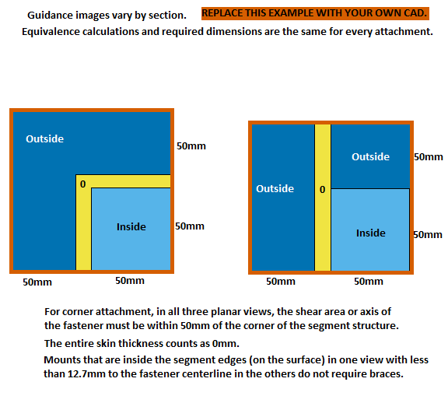
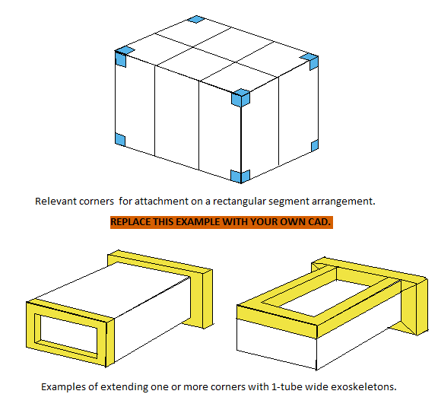
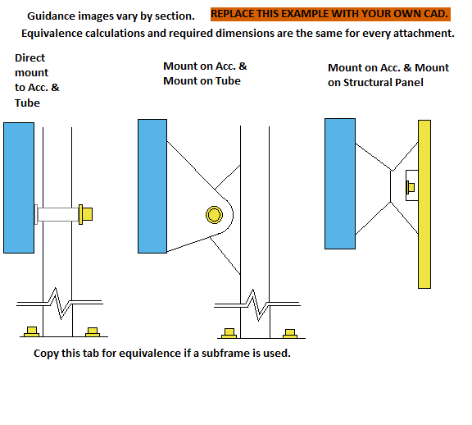
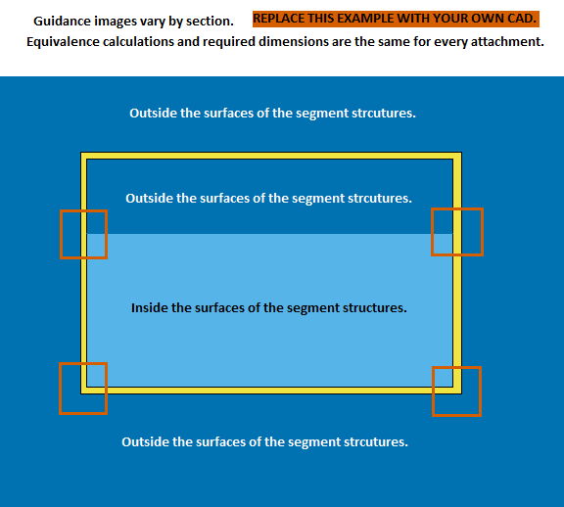
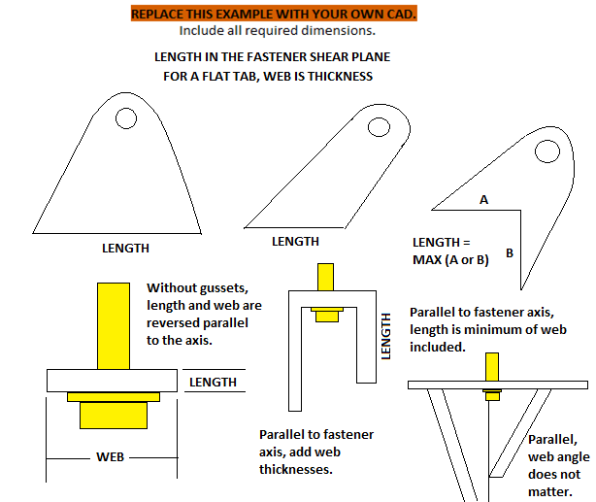
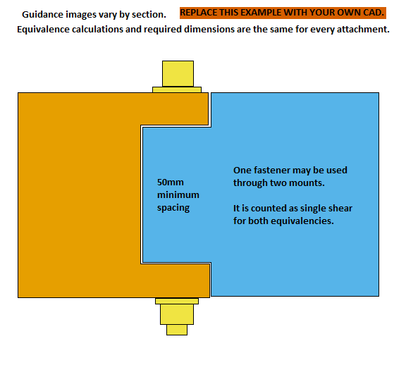

Segment cross sections required. |  |  |  |  |  |  |  |  |  | Segment arrangement CAD required. |  |  |  |  |  |  |  |  |  | Top Front Accumulator Mount |  |  |  |  |  |  |  | Top Rear Accumulator Mount |  |  |  |  |  |  |  | Bottom Front Accumulator Mount |  |  |  |  |  |  |  |  | Bottom Rear Accumulator Mount |  |  |  |  |  |  |  | Accumulator Mount 5 |  |  |  |  |  |  |  | Top Front Chassis Mount |  |  |  |  |  |  |  |  | Top Rear Chassis Mount |  |  |  |  |  |  |  |  | Bottom Front Chassis Mount |  |  |  |  |  |  |  |  | Bottom Rear Chassis Mount |  |  |  |  |  |  |  |  | Chassis Mount 5

 |  |  |  |  |  |  |  |  |  |  | Include all dimensions entered below.

 | Segment lateral cross section. (Multiple if modules are not identical.) |  |  |  |  |  |  |  |  |  | Lateral cross sections at attachment points.
 | Segment longitudinal cross section. (Multiple if modules are not identical.) |  |  |  |  |  |  |  |  |  | Longitudinal cross sections at attachment points.
 | Include all dimensions entered below. |  |  |  |  |  |  |  |  |  | If symmetric, only one lateral and longitudinal section cut showing half of the attachments is needed.

 |  |  |  |  |  |  |  |  |  |  | If the section through the mounts does not intersect the segments, provide the accumulator cross sections at the segment ends.

 |  |  |  |  |  |  |  |  |  |  |  |  |  |  |  |  |  |  |  | Include all dimensions entered below. |  |  |  |  |  |  |  | Include all dimensions entered below. |  |  |  |  |  |  |  | Include all dimensions entered below. |  |  |  |  |  |  |  |  | Include all dimensions entered below. |  |  |  |  |  |  |  | Include all dimensions entered below. |  |  |  |  |  |  |  | Include all dimensions entered below. |  |  |  |  |  |  |  |  | Include all dimensions entered below. |  |  |  |  |  |  |  |  | Include all dimensions entered below. |  |  |  |  |  |  |  |  | Include all dimensions entered below. |  |  |  |  |  |  |  |  | Include all dimensions entered below.

Additional images may be placed below each section. |  |  |  |  |  |  |  |  |  | Additional images may be placed below each section. |  |  |  |  |  |  |  |  |  | Additional images may be placed below each section. |  |  |  |  |  |  |  | Additional images may be placed below each section. |  |  |  |  |  |  |  | Additional images may be placed below each section. |  |  |  |  |  |  |  |  | Additional images may be placed below each section. |  |  |  |  |  |  |  | Additional images may be placed below each section. |  |  |  |  |  |  |  | Additional images may be placed below each section. |  |  |  |  |  |  |  |  | Additional images may be placed below each section. |  |  |  |  |  |  |  |  | Additional images may be placed below each section. |  |  |  |  |  |  |  |  | Additional images may be placed below each section. |  |  |  |  |  |  |  |  | Additional images may be placed below each section.
BLANK |  | Accumulator Segments |  |  |  |  |  |  |  | BLANK |  | Accumulator Container |  |  |  |  |  |  |  | BLANK |  | Top Front Accumulator Mount |  |  |  |  |  | BLANK |  | Top Rear Accumulator Mount |  |  |  |  |  | BLANK |  | Bottom Front Accumulator Mount |  |  |  |  |  |  | BLANK |  | Bottom Rear Accumulator Mount |  |  |  |  |  | EQ |  | Accumulator Mount 5 |  |  |  |  |  | BLANK |  | Top Front Chassis Mount |  |  |  |  |  |  | BLANK |  | Top Rear Chassis Mount |  |  |  |  |  |  | BLANK |  | Bottom Front Chassis Mount |  |  |  |  |  |  | BLANK |  | Bottom Rear Chassis Mount |  |  |  |  |  |  | EQ |  | Chassis Mount 5

 |  |  |  |  |  |  |  |  |  |  |  |  |  |  |  |  |  |  |  |  |  |  |  |  |  |  |  |  |  |  |  |  |  |  |  |  |  |  |  |  |  |  |  |  |  |  |  |  |  |  |  |  |  |  |  | Clear entry cells if unused. |  |  |  |  |  |  |  |  |  |  |  |  |  |  |  |  |  |  |  |  |  |  |  |  |  |  |  |  |  |  |  |  |  |  |  |  |  |  |  |  |  |  |  |  | Clear entry cells if unused.
The segment structures carry the load to the accumulator container and mounts. |  |  |  |  |  |  |  |  |  | A 1-tube thick exoskeleton with a direct load path around the perimeter of the assembled segments may be used to define the structural limits and corners. |  |  |  |  |  |  |  |  |  | Accumulator Mount attachment to Chassis Mount |  |  |  |  |  |  |  | Accumulator Mount attachment to Chassis Mount |  |  |  |  |  |  |  | Accumulator Mount attachment to Chassis Mount |  |  |  |  |  |  |  |  | Accumulator Mount attachment to Chassis Mount |  |  |  |  |  |  |  | Accumulator Mount attachment to Chassis Mount |  |  |  |  |  |  |  | Chassis Mount attachment to Accumulator Mount |  |  |  |  |  |  |  |  | Chassis Mount attachment to Accumulator Mount |  |  |  |  |  |  |  |  | Chassis Mount attachment to Accumulator Mount |  |  |  |  |  |  |  |  | Chassis Mount attachment to Accumulator Mount |  |  |  |  |  |  |  |  | Chassis Mount attachment to Accumulator Mount
This information will help develop FSAE standards for accumulator and segment internal structure. |  |  |  |  |  |  |  |  |  |  |  |  |  |  |  |  |  |  |  | BLANK |  |  |  |  |  |  |  | BLANK |  |  |  |  |  |  |  | BLANK |  |  |  |  |  |  |  |  | BLANK |  |  |  |  |  |  |  | EQ |  |  |  |  |  |  |  | BLANK |  |  |  |  |  |  |  |  | BLANK |  |  |  |  |  |  |  |  | BLANK |  |  |  |  |  |  |  |  | BLANK |  |  |  |  |  |  |  |  | EQ
 |  |  |  |  |  |  |  |  |  |  |  |  |  |  |  |  |  |  |  |  |  |  | Intersection of fastener axis and fastener shear plane. |  |  |  | EQ |  |  |  | Intersection of fastener axis and fastener shear plane. |  |  |  | EQ |  |  |  |  | Intersection of fastener axis and fastener shear plane. |  |  |  | EQ |  |  |  | Intersection of fastener axis and fastener shear plane. |  |  |  | EQ |  |  |  | Intersection of fastener axis and fastener shear plane. |  |  |  | EQ |  |  |  |  | Intersection of fastener axis and fastener shear plane. |  |  |  | EQ |  |  |  |  | Intersection of fastener axis and fastener shear plane. |  |  |  | EQ |  |  |  |  | Intersection of fastener axis and fastener shear plane. |  |  |  | EQ |  |  |  |  | Intersection of fastener axis and fastener shear plane. |  |  |  | EQ |  |  |  |  | Intersection of fastener axis and fastener shear plane. |  |  |  | EQ
EV.4.1.2 | Additional documentation is required in the EVSE. |  |  |  |  |  |  |  |  | A subframe may be used to bring nodes to the accumulator if the tubes meet F.3.4 |  |  |  |  |  |  |  |  |  | Between | the front/rear planes of the accumulator segments: |  |  |  |  | mm | BLANK | Between | the front/rear planes of the accumulator segments: |  |  |  |  | mm | BLANK | Between | the front/rear planes of the accumulator segments: |  |  |  |  |  | mm | BLANK | Between | the front/rear planes of the accumulator segments: |  |  |  |  | mm | BLANK | Outside | the front/rear planes of the accumulator segments: |  |  |  |  | mm | N/A |  |  |  | Enter 0 for fasteners directly through a Primary Structure tube or monocoque hardpoint. |  |  |  |  | EQ |  |  |  | Enter 0 for fasteners directly through a Primary Structure tube or monocoque hardpoint. |  |  |  |  | EQ |  |  |  | Enter 0 for fasteners directly through a Primary Structure tube or monocoque hardpoint. |  |  |  |  | EQ |  |  |  | Enter 0 for fasteners directly through a Primary Structure tube or monocoque. |  |  |  |  | EQ |  |  |  | Enter 0 for fasteners directly through a Primary Structure tube or monocoque hardpoint. |  |  |  |  | EQ
Nominal values reported here are for approximation only. |  |  |  |  |  |  |  |  |  |  |  |  |  |  |  |  |  |  |  | Between | the top/bottom planes of the accumulator segments: |  |  |  |  | mm | BLANK | Between | the top/bottom planes of the accumulator segments: |  |  |  |  | mm | BLANK | Between | the top/bottom planes of the accumulator segments: |  |  |  |  |  | mm | BLANK | Between | the top/bottom planes of the accumulator segments: |  |  |  |  | mm | BLANK | Between | the top/bottom planes of the accumulator segments: |  |  |  |  | mm | N/A |  |  |  |  |  | Offset from composite panel or radially from tube surface: |  | mm | BLANK |  |  |  |  |  | Offset from composite panel or radially from tube surface: |  | mm | BLANK |  |  |  |  |  | Offset from composite panel or radially from tube surface: |  | mm | BLANK |  |  |  |  |  | Offset from composite panel or radially from tube surface: |  | mm | BLANK |  |  |  |  |  | Offset from composite panel or radially from tube surface: |  | mm | N/A
BLANK |  |  |  |  |  |  |  |  |  | BLANK |  |  |  |  |  |  |  |  |  | Between | the left/right planes of the accumulator segments: |  |  |  |  | mm | BLANK | Between | the left/right planes of the accumulator segments: |  |  |  |  | mm | BLANK | Between | the left/right planes of the accumulator segments: |  |  |  |  |  | mm | BLANK | Between | the left/right planes of the accumulator segments: |  |  |  |  | mm | BLANK | Between | the left/right planes of the accumulator segments: |  |  |  |  | mm | N/A |  |  |  |  |  | Mount material (Composite skin for internal hardpoint): | Steel Unwelded |  | EQ |  |  |  |  |  | Mount material (Composite skin for internal hardpoint): | Steel Unwelded |  | EQ |  |  |  |  |  | Mount material (Composite skin for internal hardpoint): | Steel Unwelded |  | EQ |  |  |  |  |  | Mount material (Composite skin for internal hardpoint): | Steel Unwelded |  | EQ |  |  |  |  |  | Mount material (Composite skin for internal hardpoint): | Steel Unwelded |  | N/A
 |  |  |  |  | Cell type: | Cylindrical |  | EQ |  |  |  |  |  |  | Minimum segment mass: |  | kg | BLANK |  |  |  |  |  | Total Surface Offset, zero for an internal hardpoint: | 0 | mm | EQ |  |  |  |  | Total Surface Offset, zero for an internal hardpoint: | 0 | mm | EQ |  |  |  |  |  | Total Surface Offset, zero for an internal hardpoint: | 0 | mm | EQ |  |  |  |  | Total Surface Offset, zero for an internal hardpoint: | 0 | mm | EQ |  |  |  |  | Total Surface Offset, zero for an internal hardpoint: | 0 | mm | N/A |  |  | Young's Modulus (E): |  |  |  | 2.00E+11 | Pa | EQ |  |  | Young's Modulus (E): |  |  |  | 2.00E+11 | Pa | EQ |  |  | Young's Modulus (E): |  |  |  | 2.00E+11 | Pa | EQ |  |  | Young's Modulus (E): |  |  |  | 2.00E+11 | Pa | EQ |  |  | Young's Modulus (E): |  |  |  | 0.00E+00 | Pa | N/A
 |  |  |  |  | Maximum Voltage: |  | V | BLANK |  | F.10.2.2e |  |  |  |  | Maximum segment mass: |  | kg | BLANK |  |  |  |  |  | Mount material (Accumulator skin if directly mounted): | Steel Unwelded |  | EQ |  |  |  |  | Mount material (Accumulator skin if directly mounted): | Steel Unwelded |  | EQ |  |  |  |  |  | Mount material (Accumulator skin if directly mounted): | Steel Unwelded |  | EQ |  |  |  |  | Mount material (Accumulator skin if directly mounted): | Steel Unwelded |  | EQ |  |  |  |  | Mount material (Accumulator skin if directly mounted): | Steel Unwelded |  | N/A |  | Ultimate Tensile and Bending Strength (S): |  |  |  |  | 3.65E+08 | Pa | EQ |  | Ultimate Tensile and Bending Strength (S): |  |  |  |  | 3.65E+08 | Pa | EQ |  | Ultimate Tensile and Bending Strength (S): |  |  |  |  | 3.65E+08 | Pa | EQ |  | Ultimate Tensile and Bending Strength (S): |  |  |  |  | 3.65E+08 | Pa | EQ |  | Ultimate Tensile and Bending Strength (S): |  |  |  |  | 3.65E+08 | Pa | N/A
 |  |  |  |  | Nominal Voltage: |  | V | BLANK |  |  |  |  |  |  | Number of segments <= 8kg: |  |  | BLANK |  |  |  | Young's Modulus (E): |  |  | 2.00E+11 | Pa | EQ |  |  | Young's Modulus (E): |  |  | 2.00E+11 | Pa | EQ |  |  | Young's Modulus (E): |  |  |  | 2.00E+11 | Pa | EQ |  |  | Young's Modulus (E): |  |  | 2.00E+11 | Pa | EQ |  |  | Young's Modulus (E): |  |  | 2.00E+11 | Pa | N/A |  |  | Shear: |  |  |  | 2.11E+08 | Pa | EQ |  |  | Shear: |  |  |  | 2.11E+08 | Pa | EQ |  |  | Shear: |  |  |  | 2.11E+08 | Pa | EQ |  |  | Shear: |  |  |  | 2.11E+08 | Pa | EQ |  |  | Shear: |  |  |  | 0.00E+00 | Pa | N/A
 |  |  |  |  | Nominal Capacity: |  | mAh | BLANK |  |  |  |  |  |  | Number of 8kg < segments <= 12kg: |  |  | BLANK |  |  | Ultimate Tensile and Bending Strength (S): |  |  |  | 3.65E+08 | Pa | EQ |  | Ultimate Tensile and Bending Strength (S): |  |  |  | 3.65E+08 | Pa | EQ |  | Ultimate Tensile and Bending Strength (S): |  |  |  |  | 3.65E+08 | Pa | EQ |  | Ultimate Tensile and Bending Strength (S): |  |  |  | 3.65E+08 | Pa | EQ |  | Ultimate Tensile and Bending Strength (S): |  |  |  | 3.65E+08 | Pa | N/A |  |  |  |  |  | Mounting face thickness (Do not include core.): |  | mm | BLANK |  |  |  |  |  | Mounting face thickness (Do not include core.): |  | mm | BLANK |  |  |  |  |  | Mounting face thickness (Do not include core.): |  | mm | BLANK |  |  |  |  |  | Mounting face thickness (Do not include core.): |  | mm | BLANK |  |  |  |  |  | Mounting face thickness (Do not include core.): |  | mm | N/A
 |  |  |  |  | Maximum segment cells in series: |  |  | BLANK |  | EV.4.2.2f Baseline: 3 x 6mm (1/4in) fasteners connecting vertical walls. |  |  |  |  |  |  |  | 3 |  |  |  | Shear: |  |  | 2.11E+08 | Pa | EQ |  |  | Shear: |  |  | 2.11E+08 | Pa | EQ |  |  | Shear: |  |  |  | 2.11E+08 | Pa | EQ |  |  | Shear: |  |  | 2.11E+08 | Pa | EQ |  |  | Shear: |  |  | 2.11E+08 | Pa | N/A |  |  |  |  |  | Minimum - Fastener spacing, edge, or corner distance: |  | mm | BLANK |  |  |  |  |  | Minimum - Fastener spacing, edge, or corner distance: |  | mm | BLANK |  |  |  |  |  | Minimum - Fastener spacing, edge, or corner distance: |  | mm | BLANK |  |  |  |  |  | Minimum - Fastener spacing, edge, or corner distance: |  | mm | BLANK |  |  |  |  |  | Minimum - Fastener spacing, edge, or corner distance: |  | mm | N/A
 |  |  |  |  | Maximum segment cells in parallel: |  |  | BLANK |  |  |  |  |  |  |  |  |  |  |  |  |  |  |  | Mounting face thickness (Do not include core.): |  | mm | BLANK |  |  |  |  | Mounting face thickness (Do not include core.): |  | mm | BLANK |  |  |  |  |  | Mounting face thickness (Do not include core.): |  | mm | BLANK |  |  |  |  | Mounting face thickness (Do not include core.): |  | mm | BLANK |  |  |  |  | Mounting face thickness (Do not include core.): |  | mm | N/A |  |  |  |  |  | Number of fasteners used (2x if in double shear): |  |  | BLANK |  |  |  |  |  | Number of fasteners used (2x if in double shear): |  |  | BLANK |  |  |  |  |  | Number of fasteners used (2x if in double shear): |  |  | BLANK |  |  |  |  |  | Number of fasteners used (2x if in double shear): |  |  | BLANK |  |  |  |  |  | Number of fasteners used (2x if in double shear): |  |  | N/A
EV.4.1.2 |  |  |  |  | Maximum segment voltage: | 0 | V | EQ |  | BLANK |  |  |  |  |  |  |  |  |  |  |  |  |  | Minimum - Fastener spacing, edge, or corner distance: |  | mm | BLANK |  |  |  |  | Minimum - Fastener spacing, edge, or corner distance: |  | mm | BLANK |  |  |  |  |  | Minimum - Fastener spacing, edge, or corner distance: |  | mm | BLANK |  |  |  |  | Minimum - Fastener spacing, edge, or corner distance: |  | mm | BLANK |  |  |  |  | Minimum - Fastener spacing, edge, or corner distance: |  | mm | N/A |  |  |  |  |  | Fastener diameter: |  | mm | BLANK |  |  |  |  |  | Fastener diameter: |  | mm | BLANK |  |  |  |  |  | Fastener diameter: |  | mm | BLANK |  |  |  |  |  | Fastener diameter: |  | mm | BLANK |  |  |  |  |  | Fastener diameter: |  | mm | N/A
EV.4.1.2 |  |  |  |  | Nominal segment capacity: | 0 | MJ | EQ |  | F.10.2.2e |  |  |  |  | Number of segment external vertical walls: |  |  | BLANK |  |  |  |  |  | Number of fasteners used (2x if in double shear): |  |  | BLANK |  |  |  |  | Number of fasteners used (2x if in double shear): |  |  | BLANK |  |  |  |  |  | Number of fasteners used (2x if in double shear): |  |  | BLANK |  |  |  |  | Number of fasteners used (2x if in double shear): |  |  | BLANK |  |  |  |  | Number of fasteners used (2x if in double shear): |  |  | N/A |  |  |  |  |  | Threads in shear: |  |  | BLANK |  |  |  |  |  | Threads in shear: |  |  | BLANK |  |  |  |  |  | Threads in shear: |  |  | BLANK |  |  |  |  |  | Threads in shear: |  |  | BLANK |  |  |  |  |  | Threads in shear: |  |  | N/A
 |  |  |  |  | Total accumulator cells in series: |  |  | BLANK |  |  |  |  |  |  | Number of cover fasteners: |  |  | BLANK |  |  |  |  |  | Fastener diameter: |  | mm | BLANK |  |  |  |  | Fastener diameter: |  | mm | BLANK |  |  |  |  |  | Fastener diameter: |  | mm | BLANK |  |  |  |  | Fastener diameter: |  | mm | BLANK |  |  |  |  | Fastener diameter: |  | mm | N/A |  |  |  |  |  | Fastener shear capability: |  | N | BLANK |  |  |  |  |  | Fastener shear capability: |  | N | BLANK |  |  |  |  |  | Fastener shear capability: |  | N | BLANK |  |  |  |  |  | Fastener shear capability: |  | N | BLANK |  |  |  |  |  | Fastener shear capability: |  | N | N/A
 |  |  |  |  | Total accumulator cells in parallel: |  |  | BLANK |  | Make sure at least 1 fastener is used per segment external wall. |  |  |  |  |  |  |  |  |  |  |  |  |  | Threads in shear: |  |  | BLANK |  |  |  |  | Threads in shear: |  |  | BLANK |  |  |  |  |  | Threads in shear: |  |  | BLANK |  |  |  |  | Threads in shear: |  |  | BLANK |  |  |  |  | Threads in shear: |  |  | N/A |  |  |  |  |  | Min total perimeter of all washers, inserts, brackets on one surface: |  | mm | BLANK |  |  |  |  |  | Min total perimeter of all washers, inserts, brackets on one surface: |  | mm | BLANK |  |  |  |  |  | Min total perimeter of all washers, inserts, brackets on one surface: |  | mm | BLANK |  |  |  |  |  | Min total perimeter of all washers, inserts, brackets on one surface: |  | mm | BLANK |  |  |  |  |  | Min total perimeter of all washers, inserts, brackets on one surface: |  | mm | N/A
EV.1.3.2 |  |  |  |  | Maximum accumulator voltage: | 0 | V | EQ |  |  |  |  |  |  |  |  |  |  |  |  |  |  |  | Fastener shear capability: |  | N | BLANK |  |  |  |  | Fastener shear capability: |  | N | BLANK |  |  |  |  |  | Fastener shear capability: |  | N | BLANK |  |  |  |  | Fastener shear capability: |  | N | BLANK |  |  |  |  | Fastener shear capability: |  | N | N/A |  |  |  |  |  | Fastener shear >= Test Load: | 0.00E+00 |  | EQ |  |  |  |  |  | Fastener shear >= Test Load: | 0.00E+00 |  | EQ |  |  |  |  |  | Fastener shear >= Test Load: | 0.00E+00 |  | EQ |  |  |  |  |  | Fastener shear >= Test Load: | 0.00E+00 |  | EQ |  |  |  |  |  | Fastener shear >= Test Load: | 0.00E+00 |  | N/A
 |  |  |  |  | Nominal accumulator capacity: | 0 | kWh | EQ |  | BLANK |  |  |  |  |  |  |  |  |  |  |  |  |  | Min total perimeter of all washers, inserts, brackets on one surface: |  | mm | BLANK |  |  |  |  | Min total perimeter of all washers, inserts, brackets on one surface: |  | mm | BLANK |  |  |  |  |  | Min total perimeter of all washers, inserts, brackets on one surface: |  | mm | BLANK |  |  |  |  | Min total perimeter of all washers, inserts, brackets on one surface: |  | mm | BLANK |  |  |  |  | Min total perimeter of all washers, inserts, brackets on one surface: |  | mm | N/A |  |  |  |  |  | Fastener Pullout >= Test Load: | 0.00E+00 |  | EQ |  |  |  |  |  | Fastener Pullout >= Test Load: | 0.00E+00 |  | EQ |  |  |  |  |  | Fastener Pullout >= Test Load: | 0.00E+00 |  | EQ |  |  |  |  |  | Fastener Pullout >= Test Load: | 0.00E+00 |  | EQ |  |  |  |  |  | Fastener Pullout >= Test Load: | 0.00E+00 |  | N/A
 |  |  |  |  |  |  |  |  |  | F.10.2.2e |  |  |  |  | Vertical wall joining method: | Bolted |  | EQ |  |  |  |  |  | Fastener shear >= Test Load: | 0.00E+00 |  | EQ |  |  |  |  | Fastener shear >= Test Load: | 0.00E+00 |  | EQ |  |  |  |  |  | Fastener shear >= Test Load: | 0.00E+00 |  | EQ |  |  |  |  | Fastener shear >= Test Load: | 0.00E+00 |  | EQ |  |  |  |  | Fastener shear >= Test Load: | 0.00E+00 |  | N/A |  |  |  |  |  | Fastener Tearout >= Test Load: | 0.00E+00 |  | EQ |  |  |  |  |  | Fastener Tearout >= Test Load: | 0.00E+00 |  | EQ |  |  |  |  |  | Fastener Tearout >= Test Load: | 0.00E+00 |  | EQ |  |  |  |  |  | Fastener Tearout >= Test Load: | 0.00E+00 |  | EQ |  |  |  |  |  | Fastener Tearout >= Test Load: | 0.00E+00 |  | N/A
BLANK |  |  |  |  |  |  |  |  |  |  |  |  |  |  | Size of fasteners: | 4mm (#10) |  | EQ |  |  |  |  |  | Fastener Pullout >= Test Load: | 0.00E+00 |  | EQ |  |  |  |  | Fastener Pullout >= Test Load: | 0.00E+00 |  | EQ |  |  |  |  |  | Fastener Pullout >= Test Load: | 0.00E+00 |  | EQ |  |  |  |  | Fastener Pullout >= Test Load: | 0.00E+00 |  | EQ |  |  |  |  | Fastener Pullout >= Test Load: | 0.00E+00 |  | N/A
F.10.2.3 | Cell mounting and bracing material: |  |  |  | E: |  | Pa | BLANK |  |  |  |  |  |  | Number of fasteners: |  |  | BLANK |  |  |  |  |  | Fastener Tearout >= Test Load: | 0.00E+00 |  | EQ |  |  |  |  | Fastener Tearout >= Test Load: | 0.00E+00 |  | EQ |  |  |  |  |  | Fastener Tearout >= Test Load: | 0.00E+00 |  | EQ |  |  |  |  | Fastener Tearout >= Test Load: | 0.00E+00 |  | EQ |  |  |  |  | Fastener Tearout >= Test Load: | 0.00E+00 |  | N/A |  |  |  |  | Tube Check: < 95% not a cause for rejection in 2020. |  |  |  |  |  |  |  |  | Tube Check: < 95% not a cause for rejection in 2020. |  |  |  |  |  |  |  |  | Tube Check: < 95% not a cause for rejection in 2020. |  |  |  |  |  |  |  |  | Tube Check: < 95% not a cause for rejection in 2020. |  |  |  |  |  |  |  |  | Tube Check: < 95% not a cause for rejection in 2020.
 |  |  |  |  | UTS: |  | Pa | BLANK |  |  |  |  |  |  |  |  | N | N/A |  |  |  |  |  |  |  |  |  |  |  |  |  |  |  |  |  |  |  |  |  |  |  |  |  |  |  |  |  |  |  |  |  |  |  |  |  |  |  |  |  |  | BLANK |  |  |  |  |  |  |  |  | BLANK |  |  |  |  |  |  |  |  | BLANK |  |  |  |  |  |  |  |  | BLANK |  |  |  |  |  |  |  |  | EQ
 |  |  |  |  | Shear: |  | Pa | BLANK |  |  |  |  |  |  |  |  | N/mm^2 | N/A |  | Accumulator Side Braces |  |  |  |  |  |  |  | Accumulator Side Braces |  |  |  |  |  |  |  | Accumulator Side Braces |  |  |  |  |  |  |  |  | Accumulator Side Braces |  |  |  |  |  |  |  | Accumulator Side Braces |  |  |  |  |  |  |  |  |  |  |  |  | Chassis type at mount: | Tube |  | EQ |  |  |  |  |  | Chassis type at mount: | Tube |  | EQ |  |  |  |  |  | Chassis type at mount: | Tube |  | EQ |  |  |  |  |  | Chassis type at mount: | Tube |  | EQ |  |  |  |  |  | Chassis type at mount: | Tube |  | N/A
 |  |  |  |  | Assembled Segment moment of inertia, Lateral cross section: |  | mm^4 | BLANK |  |  |  |  |  |  |  |  | mm^2 | N/A |  | For tubes used as braces, enter 2*wall for thickness. |  |  |  |  |  |  |  | For tubes used as braces, enter 2*wall for thickness. |  |  |  |  |  |  |  | For tubes used as braces, enter 2*wall for thickness. |  |  |  |  |  |  |  |  | For tubes used as braces, enter 2*wall for thickness. |  |  |  |  |  |  |  | For tubes used as braces, enter 2*wall for thickness. |  |  |  |  |  |  |  |  |  |  |  |  |  | Round |  | EQ |  |  |  |  |  |  | Round |  | EQ |  |  |  |  |  |  | Round |  | EQ |  |  |  |  |  |  | Round |  | EQ |  |  |  |  |  |  | Round |  | N/A
 |  |  |  |  | Assembled Segment moment, Longitudinal cross section: |  | mm^4 | BLANK |  |  |  |  |  |  |  |  |  | N/A |  | EQ |  |  |  |  |  |  |  | EQ |  |  |  |  |  |  |  | EQ |  |  |  |  |  |  |  |  | EQ |  |  |  |  |  |  |  | EQ |  |  |  |  |  |  |  |  |  |  |  |  | Chassis tube diameter: |  | mm | BLANK |  |  |  |  |  | Chassis tube diameter: |  | mm | BLANK |  |  |  |  |  | Chassis tube diameter: |  | mm | BLANK |  |  |  |  |  | Chassis tube diameter: |  | mm | BLANK |  |  |  |  |  | Chassis tube diameter: |  | mm | N/A
 |  |  |  |  | Maximum segment length: |  | mm | BLANK |  |  |  |  |  |  |  |  |  |  |  |  |  |  |  | Brace web thickness parallel to fastener shear plane: |  | mm | N/A |  |  |  |  | Brace web thickness parallel to fastener shear plane: |  | mm | N/A |  |  |  |  |  | Brace web thickness parallel to fastener shear plane: |  | mm | N/A |  |  |  |  | Brace web thickness parallel to fastener shear plane: |  | mm | N/A |  |  |  |  | Brace web thickness parallel to fastener shear plane: |  | mm | N/A |  |  |  |  |  | Chassis tube wall: |  | mm | BLANK |  |  |  |  |  | Chassis tube wall: |  | mm | BLANK |  |  |  |  |  | Chassis tube wall: |  | mm | BLANK |  |  |  |  |  | Chassis tube wall: |  | mm | BLANK |  |  |  |  |  | Chassis tube wall: |  | mm | N/A
 |  |  |  |  | Maximum segment width: |  | mm | BLANK |  | ACCUMULATOR FLOOR |  |  |  |  |  |  |  |  |  |  |  |  |  | Fastener shear plane brace length: |  | mm | N/A |  |  |  |  | Fastener shear plane brace length: |  | mm | N/A |  |  |  |  |  | Fastener shear plane brace length: |  | mm | N/A |  |  |  |  | Fastener shear plane brace length: |  | mm | N/A |  |  |  |  | Fastener shear plane brace length: |  | mm | N/A | F.5.9.2b |  |  |  | Comparison of buckling strength of tube. |  |  |  | EQ | F.5.9.2b |  |  |  | Comparison of buckling strength of tube. |  |  |  | EQ | F.5.9.2b |  |  |  | Comparison of buckling strength of tube. |  |  |  | EQ | F.5.9.2b |  |  |  | Comparison of buckling strength of tube. |  |  |  | EQ | F.5.9.2b |  |  |  | Comparison of buckling strength of tube. |  |  |  | N/A
 |  |  |  |  | Maximum segment height: |  | mm | BLANK |  | BLANK |  |  |  |  |  |  |  |  |  |  |  |  |  | Bending M*y / I <= UTS: |  |  | N/A |  |  |  |  | Bending M*y / I <= UTS: |  |  | N/A |  |  |  |  |  | Bending M*y / I <= UTS: |  |  | N/A |  |  |  |  | Bending M*y / I <= UTS: |  |  | N/A |  |  |  |  | Bending M*y / I <= UTS: |  |  | N/A | F.3.4.2 |  |  |  |  | Ultimate Strength (Su): | 3.65E+08 | Pa | EQ | F.3.4.2 |  |  |  |  | Ultimate Strength (Su): | 3.65E+08 | Pa | EQ | F.3.4.2 |  |  |  |  | Ultimate Strength (Su): | 3.65E+08 | Pa | EQ | F.3.4.2 |  |  |  |  | Ultimate Strength (Su): | 3.65E+08 | Pa | EQ | F.3.4.2 |  |  |  |  | Ultimate Strength (Su): | 3.65E+08 | Pa | N/A
 |  |  |  |  |  |  |  |  |  | Floor width: |  |  |  |  |  |  | mm | BLANK |  |  |  |  |  | Parabolic shear 3*Test Load/2*b*h <= Shear: |  |  | N/A |  |  |  |  | Parabolic shear 3*Test Load/2*b*h <= Shear: |  |  | N/A |  |  |  |  |  | Parabolic shear 3*Test Load/2*b*h <= Shear: |  |  | N/A |  |  |  |  | Parabolic shear 3*Test Load/2*b*h <= Shear: |  |  | N/A |  |  |  |  | Parabolic shear 3*Test Load/2*b*h <= Shear: |  |  | N/A |  |  |  |  |  | Main Hoop Brace second moment of inertia (I): | 0.00E+00 | mm^4 | BLANK |  |  |  |  |  | Main Hoop Brace second moment of inertia (I): | 0.00E+00 | mm^4 | BLANK |  |  |  |  |  | Main Hoop Brace second moment of inertia (I): | 0.00E+00 | mm^4 | BLANK |  |  |  |  |  | Main Hoop Brace second moment of inertia (I): | 0.00E+00 | mm^4 | BLANK |  |  |  |  |  | Main Hoop Brace second moment of inertia (I): | 0.00E+00 | mm^4 | N/A
BLANK |  |  |  |  |  |  |  |  |  | Floor length: |  |  |  |  |  |  | mm | BLANK |  |  |  |  |  | Brace web thickness parallel to fastener axis: |  | mm | N/A |  |  |  |  | Brace web thickness parallel to fastener axis: |  | mm | N/A |  |  |  |  |  | Brace web thickness parallel to fastener axis: |  | mm | N/A |  |  |  |  | Brace web thickness parallel to fastener axis: |  | mm | N/A |  |  |  |  | Brace web thickness parallel to fastener axis: |  | mm | N/A |  |  |  |  |  | Tube Length (L): |  | mm | BLANK |  |  |  |  |  | Tube Length (L): |  | mm | BLANK |  |  |  |  |  | Tube Length (L): |  | mm | BLANK |  |  |  |  |  | Tube Length (L): |  | mm | BLANK |  |  |  |  |  | Tube Length (L): |  | mm | N/A
F.10.2.3 | Restraint Method: |  | Examples: Bolted, Friction, Adhesive |  |  |  |  | BLANK |  | F.10.2.2a | Accumulator Floor Construction: |  |  |  | Steel |  |  | EQ |  |  |  |  |  | Fastener axis brace length: |  | mm | N/A |  |  |  |  | Fastener axis brace length: |  | mm | N/A |  |  |  |  |  | Fastener axis brace length: |  | mm | N/A |  |  |  |  | Fastener axis brace length: |  | mm | N/A |  |  |  |  | Fastener axis brace length: |  | mm | N/A |  |  |  |  |  | Chassis mount distance to closest triangulated node (a): |  | mm | BLANK |  |  |  |  |  | Chassis mount distance to closest triangulated node (a): |  | mm | BLANK |  |  |  |  |  | Chassis mount distance to closest triangulated node (a): |  | mm | BLANK |  |  |  |  |  | Chassis mount distance to closest triangulated node (a): |  | mm | BLANK |  |  |  |  |  | Chassis mount distance to closest triangulated node (a): |  | mm | N/A
 |  |  |  |  |  |  |  |  |  |  |  |  |  |  | Steel: 1.25mm (0.049in), Aluminum: 3.2mm (.125in): |  | mm | BLANK |  |  |  |  |  | Bending M*y / I <= UTS: |  |  | N/A |  |  |  |  | Bending M*y / I <= UTS: |  |  | N/A |  |  |  |  |  | Bending M*y / I <= UTS: |  |  | N/A |  |  |  |  | Bending M*y / I <= UTS: |  |  | N/A |  |  |  |  | Bending M*y / I <= UTS: |  |  | N/A |  |  |  |  |  | Pinned Tube Buckling Force (Su*L*I)/(a*(L-a)*OD/2): |  |  | BLANK |  |  |  |  |  | Pinned Tube Buckling Force (Su*L*I)/(a*(L-a)*OD/2): |  |  | BLANK |  |  |  |  |  | Pinned Tube Buckling Force (Su*L*I)/(a*(L-a)*OD/2): |  |  | BLANK |  |  |  |  |  | Pinned Tube Buckling Force (Su*L*I)/(a*(L-a)*OD/2): |  |  | BLANK |  |  |  |  |  | Pinned Tube Buckling Force (Su*L*I)/(a*(L-a)*OD/2): |  |  | N/A
 |  |  |  |  |  |  |  |  |  | Material Used: |  |  |  |  |  |  |  | N/A |  |  |  |  |  | Parabolic shear 3*Test Load/2*b*h <= Shear: |  |  | N/A |  |  |  |  | Parabolic shear 3*Test Load/2*b*h <= Shear: |  |  | N/A |  |  |  |  |  | Parabolic shear 3*Test Load/2*b*h <= Shear: |  |  | N/A |  |  |  |  | Parabolic shear 3*Test Load/2*b*h <= Shear: |  |  | N/A |  |  |  |  | Parabolic shear 3*Test Load/2*b*h <= Shear: |  |  | N/A
 |  |  |  |  |  |  |  |  |  | Panel thickness: |  |  |  |  |  | 0 | mm | N/A |  |  |  |  |  |  |  |  |  |  |  |  |  |  |  |  |  |  |  |  |  |  |  |  |  |  |  |  |  |  |  |  |  |  |  |  |  |  |  |  |  |  | Chassis Side Braces |  |  |  |  |  |  |  |  | Chassis Side Braces |  |  |  |  |  |  |  |  | Chassis Side Braces |  |  |  |  |  |  |  |  | Chassis Side Braces |  |  |  |  |  |  |  |  | Chassis Side Braces
 |  |  |  |  |  |  |  |  |  | Core thickness: |  |  |  |  |  |  | mm | N/A |  | Accumulator Mount to Accumulator Skin interface |  |  |  |  |  |  |  | Accumulator Mount to Accumulator Skin interface |  |  |  |  |  |  |  | Accumulator Mount to Accumulator Skin interface |  |  |  |  |  |  |  |  | Accumulator Mount to Accumulator Skin interface |  |  |  |  |  |  |  | Accumulator Mount to Accumulator Skin interface |  |  |  |  |  |  |  | For tubes used as braces, enter 2*wall for thickness. |  |  |  |  |  |  |  |  | For tubes used as braces, enter 2*wall for brace web thickness. |  |  |  |  |  |  |  |  | For tubes used as braces, enter 2*wall for brace web thickness. |  |  |  |  |  |  |  |  | For tubes used as braces, enter 2*wall for brace web thickness. |  |  |  |  |  |  |  |  | For tubes used as braces, enter 2*wall for brace web thickness.
 |  |  |  |  |  |  |  |  |  | Outer skin thickness: |  |  |  |  |  |  | mm | N/A |  | EQ |  |  |  |  |  |  |  | EQ |  |  |  |  |  |  |  | EQ |  |  |  |  |  |  |  |  | EQ |  |  |  |  |  |  |  | EQ |  |  |  |  |  |  |  | EQ |  |  |  |  |  |  |  |  | EQ |  |  |  |  |  |  |  |  | EQ |  |  |  |  |  |  |  |  | EQ |  |  |  |  |  |  |  |  | EQ
 |  |  |  |  |  |  |  |  |  | Inner skin thickness: |  |  |  |  |  |  | mm | N/A |  |  |  |  |  | Accumulator skin at mount interface: | Steel Unwelded |  | N/A |  |  |  |  | Accumulator skin at mount interface: | Steel Unwelded |  | N/A |  |  |  |  |  | Accumulator skin at mount interface: | Steel Unwelded |  | N/A |  |  |  |  | Accumulator skin at mount interface: | Steel Unwelded |  | N/A |  |  |  |  | Accumulator skin at mount interface: | Steel Unwelded |  | N/A |  |  |  |  |  | Brace web thickness parallel to fastener shear plane: |  | mm | N/A |  |  |  |  |  | Brace web thickness parallel to fastener shear plane: |  | mm | N/A |  |  |  |  |  | Brace web thickness parallel to fastener shear plane: |  | mm | N/A |  |  |  |  |  | Brace web thickness parallel to fastener shear plane: |  | mm | N/A |  |  |  |  |  | Brace web thickness parallel to fastener shear plane: |  | mm | N/A
 |  |  |  |  |  |  |  |  |  | Flat Panel Properties |  |  | Flat Panel Properties |  |  | Flat Panel Properties |  |  |  |  |  | Young's Modulus (E): |  |  | 2.00E+11 | Pa | N/A |  |  | Young's Modulus (E): |  |  | 2.00E+11 | Pa | N/A |  |  | Young's Modulus (E): |  |  |  | 2.00E+11 | Pa | N/A |  |  | Young's Modulus (E): |  |  | 2.00E+11 | Pa | N/A |  |  | Young's Modulus (E): |  |  | 2.00E+11 | Pa | N/A |  |  |  |  |  | Fastener shear plane brace length: |  | mm | N/A |  |  |  |  |  | Fastener shear plane brace length: |  | mm | N/A |  |  |  |  |  | Fastener shear plane brace length: |  | mm | N/A |  |  |  |  |  | Fastener shear plane brace length: |  | mm | N/A |  |  |  |  |  | Fastener shear plane brace length: |  | mm | N/A
 |  |  |  |  |  |  |  |  |  | Outer (b) | 0 | m | A1 | 0.00E+00 | m^2 | I1 | 0.00E+00 | m^4 |  |  | Ultimate Tensile and Bending Strength (S): |  |  |  | 3.65E+08 | Pa | N/A |  | Ultimate Tensile and Bending Strength (S): |  |  |  | 3.65E+08 | Pa | N/A |  | Ultimate Tensile and Bending Strength (S): |  |  |  |  | 3.65E+08 | Pa | N/A |  | Ultimate Tensile and Bending Strength (S): |  |  |  | 3.65E+08 | Pa | N/A |  | Ultimate Tensile and Bending Strength (S): |  |  |  | 3.65E+08 | Pa | N/A |  |  |  |  |  | Bending M*y / I <= UTS: |  |  | N/A |  |  |  |  |  | Bending M*y / I <= UTS: |  |  | N/A |  |  |  |  |  | Bending M*y / I <= UTS: |  |  | N/A |  |  |  |  |  | Bending M*y / I <= UTS: |  |  | N/A |  |  |  |  |  | Bending M*y / I <= UTS: |  |  | N/A
 |  |  |  |  |  |  |  |  |  | Outer (h) | 0 | m | A2 | 0.00E+00 | m^2 | I2 | 0.00E+00 | m^4 |  |  |  | Shear: |  |  | 2.11E+08 | Pa | N/A |  |  | Shear: |  |  | 2.11E+08 | Pa | N/A |  |  | Shear: |  |  |  | 2.11E+08 | Pa | N/A |  |  | Shear: |  |  | 2.11E+08 | Pa | N/A |  |  | Shear: |  |  | 2.11E+08 | Pa | N/A |  |  |  |  |  | Parabolic shear 3*Test Load/2*b*h <= Shear: |  |  | N/A |  |  |  |  |  | Parabolic shear 3*Test Load/2*b*h <= Shear: |  |  | N/A |  |  |  |  |  | Parabolic shear 3*Test Load/2*b*h <= Shear: |  |  | N/A |  |  |  |  |  | Parabolic shear 3*Test Load/2*b*h <= Shear: |  |  | N/A |  |  |  |  |  | Parabolic shear 3*Test Load/2*b*h <= Shear: |  |  | N/A
 |  |  |  |  |  |  |  |  |  | Thickness | 0 | m | y1 | 0.000 | m | Ic1 | 0.00E+00 | m^4 |  |  |  |  |  |  |  | mm | N/A |  |  |  |  |  |  | mm | N/A |  |  |  |  |  |  |  | mm | N/A |  |  |  |  |  |  | mm | N/A |  |  |  |  |  |  | mm | N/A |  |  |  |  |  | Brace web thickness parallel to fastener axis: |  | mm | N/A |  |  |  |  |  | Brace web thickness parallel to fastener axis: |  | mm | N/A |  |  |  |  |  | Brace web thickness parallel to fastener axis: |  | mm | N/A |  |  |  |  |  | Brace web thickness parallel to fastener axis: |  | mm | N/A |  |  |  |  |  | Brace web thickness parallel to fastener axis: |  | mm | N/A
 |  |  |  |  |  |  |  |  |  | Inner (b) | 0 | m | y2 | 0.000 | m | Ic2 | 0.00E+00 | m^4 |  |  |  |  |  |  | Bolted |  | N/A |  |  |  |  |  | Bolted |  | N/A |  |  |  |  |  |  | Bolted |  | N/A |  |  |  |  |  | Bolted |  | N/A |  |  |  |  |  | Bolted |  | N/A |  |  |  |  |  | Fastener axis brace length: |  | mm | N/A |  |  |  |  |  | Fastener axis brace length: |  | mm | N/A |  |  |  |  |  | Fastener axis brace length: |  | mm | N/A |  |  |  |  |  | Fastener axis brace length: |  | mm | N/A |  |  |  |  |  | Fastener axis brace length: |  | mm | N/A
 |  |  |  |  |  |  |  |  |  | Inner (h) | 0 | m | Centroid | 0.000 | m | Ic12 | 0.00E+00 | m^4 |  |  |  |  |  |  |  | mm | N/A |  |  |  |  |  |  | mm | N/A |  |  |  |  |  |  |  | mm | N/A |  |  |  |  |  |  | mm | N/A |  |  |  |  |  |  | mm | N/A |  |  |  |  |  | Bending M*y / I <= UTS: |  |  | N/A |  |  |  |  |  | Bending M*y / I <= UTS: |  |  | N/A |  |  |  |  |  | Bending M*y / I <= UTS: |  |  | N/A |  |  |  |  |  | Bending M*y / I <= UTS: |  |  | N/A |  |  |  |  |  | Bending M*y / I <= UTS: |  |  | N/A
 |  |  |  |  |  |  |  |  |  |  |  |  |  | Baseline Steel |  | Steel |  |  |  |  |  |  |  |  |  |  | N/A |  |  |  |  |  |  |  | N/A |  |  |  |  |  |  |  |  | N/A |  |  |  |  |  |  |  | N/A |  |  |  |  |  |  |  | N/A |  |  |  |  |  | Parabolic shear 3*Test Load/2*b*h <= Shear: |  |  | N/A |  |  |  |  |  | Parabolic shear 3*Test Load/2*b*h <= Shear: |  |  | N/A |  |  |  |  |  | Parabolic shear 3*Test Load/2*b*h <= Shear: |  |  | N/A |  |  |  |  |  | Parabolic shear 3*Test Load/2*b*h <= Shear: |  |  | N/A |  |  |  |  |  | Parabolic shear 3*Test Load/2*b*h <= Shear: |  |  | N/A
 |  |  |  |  |  |  |  |  |  |  | Thickness: |  |  |  | 0.00125 | 0 | m | N/A |  |  |  |  |  |  |  | mm | N/A |  |  |  |  |  |  | mm | N/A |  |  |  |  |  |  |  | mm | N/A |  |  |  |  |  |  | mm | N/A |  |  |  |  |  |  | mm | N/A
 |  |  |  |  |  |  |  |  |  |  | Cross sectional area (A): |  |  |  | 0.00E+00 | 0.00E+00 | m^2 | N/A |  |  |  |  |  |  |  |  | N/A |  |  |  |  |  |  |  | N/A |  |  |  |  |  |  |  |  | N/A |  |  |  |  |  |  |  | N/A |  |  |  |  |  |  |  | N/A | Chassis Mount to Chassis interface |  |  |  |  |  |  |  |  | Chassis Mount to Chassis interface |  |  |  |  |  |  |  |  | Chassis Mount to Chassis interface |  |  |  |  |  |  |  |  | Chassis Mount to Chassis interface |  |  |  |  |  |  |  |  | Chassis Mount to Chassis interface
 |  |  |  |  |  |  |  |  |  |  | Second moment of inertia (I): |  |  |  | 0.00E+00 | 0.00E+00 | m^4 | N/A |  |  |  |  |  |  |  | N | N/A |  |  |  |  |  |  | N | N/A |  |  |  |  |  |  |  | N | N/A |  |  |  |  |  |  | N | N/A |  |  |  |  |  |  | N | N/A | EQ |  |  |  |  |  |  |  |  | EQ |  |  |  |  |  |  |  |  | EQ |  |  |  |  |  |  |  |  | EQ |  |  |  |  |  |  |  |  | EQ
 |  |  |  |  |  |  |  |  |  | F.3.4.2 | Young's Modulus (E): |  |  |  | 2.00E+11 | #N/A | Pa | N/A |  |  |  |  |  |  |  | mm | N/A |  |  |  |  |  |  | mm | N/A |  |  |  |  |  |  |  | mm | N/A |  |  |  |  |  |  | mm | N/A |  |  |  |  |  |  | mm | N/A |  |  |  |  |  | Chassis wall at mount interface: | Steel Unwelded |  | N/A |  |  |  |  |  | Chassis wall at mount interface: | Steel Unwelded |  | N/A |  |  |  |  |  | Chassis wall at mount interface: | Steel Unwelded |  | N/A |  |  |  |  |  | Chassis wall at mount interface: | Steel Unwelded |  | N/A |  |  |  |  |  | Chassis wall at mount interface: | Steel Unwelded |  | N/A
 |  |  |  |  |  |  |  |  |  | Ultimate Tensile and Bending Strength (S): |  |  |  |  | 3.65E+08 | #N/A | #N/A | N/A |  |  |  |  |  |  | 0.00E+00 |  | N/A |  |  |  |  |  | 0.00E+00 |  | N/A |  |  |  |  |  |  | 0.00E+00 |  | N/A |  |  |  |  |  | 0.00E+00 |  | N/A |  |  |  |  |  | 0.00E+00 |  | N/A |  |  | Young's Modulus (E): |  |  |  | 2.00E+11 | Pa | N/A |  |  | Young's Modulus (E): |  |  |  | 2.00E+11 | Pa | N/A |  |  | Young's Modulus (E): |  |  |  | 2.00E+11 | Pa | N/A |  |  | Young's Modulus (E): |  |  |  | 2.00E+11 | Pa | N/A |  |  | Young's Modulus (E): |  |  |  | 2.00E+11 | Pa | N/A
 |  |  |  |  |  |  |  |  |  |  | Shear: |  |  |  | 2.11E+08 | #N/A | #N/A | N/A |  |  |  |  |  |  | 0.00E+00 |  | N/A |  |  |  |  |  | 0.00E+00 |  | N/A |  |  |  |  |  |  | 0.00E+00 |  | N/A |  |  |  |  |  | 0.00E+00 |  | N/A |  |  |  |  |  | 0.00E+00 |  | N/A |  | Ultimate Tensile and Bending Strength (S): |  |  |  |  | 3.65E+08 | Pa | N/A |  | Ultimate Tensile and Bending Strength (S): |  |  |  |  | 3.65E+08 | Pa | N/A |  | Ultimate Tensile and Bending Strength (S): |  |  |  |  | 3.65E+08 | Pa | N/A |  | Ultimate Tensile and Bending Strength (S): |  |  |  |  | 3.65E+08 | Pa | N/A |  | Ultimate Tensile and Bending Strength (S): |  |  |  |  | 3.65E+08 | Pa | N/A
 |  |  |  |  |  |  |  |  |  | Buckling Modulus |  | E_1*I_1 <= E_2*I_2: |  |  | 0.00E+00 | #N/A | #N/A | N/A |  |  |  |  |  |  | 0.00E+00 |  | N/A |  |  |  |  |  | 0.00E+00 |  | N/A |  |  |  |  |  |  | 0.00E+00 |  | N/A |  |  |  |  |  | 0.00E+00 |  | N/A |  |  |  |  |  | 0.00E+00 |  | N/A |  |  | Shear: |  |  |  | 2.11E+08 | Pa | N/A |  |  | Shear: |  |  |  | 2.11E+08 | Pa | N/A |  |  | Shear: |  |  |  | 2.11E+08 | Pa | N/A |  |  | Shear: |  |  |  | 2.11E+08 | Pa | N/A |  |  | Shear: |  |  |  | 2.11E+08 | Pa | N/A
 |  |  |  |  |  |  |  |  |  | UTS | S_1*A_1 <= S_2*A_2: |  |  |  | 0.00E+00 | #N/A | #N/A | N/A |  |  |  |  |  |  | 0.00E+00 | 0.0% | N/A |  |  |  |  |  | 0.00E+00 | 0.0% | N/A |  |  |  |  |  |  | 0.00E+00 | 0.0% | N/A |  |  |  |  |  | 0.00E+00 | 0 | N/A |  |  |  |  |  | 0.00E+00 | 0.0% | N/A |  |  |  |  |  |  |  | mm | N/A |  |  |  |  |  |  |  | mm | N/A |  |  |  |  |  |  |  | mm | N/A |  |  |  |  |  |  |  | mm | N/A |  |  |  |  |  |  |  | mm | N/A
 |  |  |  |  |  |  |  |  |  | Bending | 4*S_1*I_1/r <= 4*S_2*I_2/r: |  |  |  | 0.00E+00 | #N/A | #N/A | N/A |  |  |  |  |  |  |  | mm | N/A |  |  |  |  |  | 2.0 | mm | N/A |  |  |  |  |  |  |  | mm | N/A |  |  |  |  |  |  | mm | N/A |  |  |  |  |  |  | mm | N/A |  |  |  |  |  |  | Bolted |  | N/A |  |  |  |  |  |  | Bolted |  | N/A |  |  |  |  |  |  | Bolted |  | N/A |  |  |  |  |  |  | Bolted |  | N/A |  |  |  |  |  |  | Bolted |  | N/A
 |  |  |  |  |  |  |  |  |  | Deflection | Bending_1/(48*EI): |  |  |  | 0.00E+00 | #N/A | #N/A | N/A |  |  |  |  |  |  | 0 | mm | N/A |  |  |  |  |  | 0 | mm | N/A |  |  |  |  |  |  | 0 | mm | N/A |  |  |  |  |  | 0 | mm | N/A |  |  |  |  |  | 0 | mm | N/A |  |  |  |  |  |  |  | mm | N/A |  |  |  |  |  |  |  | mm | N/A |  |  |  |  |  |  |  | mm | N/A |  |  |  |  |  |  |  | mm | N/A |  |  |  |  |  |  |  | mm | N/A
 |  |  |  |  |  |  |  |  |  | Energy | 0.5*Bending^2/(48*EI): |  |  |  | 0.00E+00 | #N/A | #N/A | N/A |  |  |  |  |  |  |  |  | N/A |  |  |  |  |  | 0.00E+00 | 0.0% | N/A |  |  |  |  |  |  |  |  | N/A |  |  |  |  |  |  |  | N/A |  |  |  |  |  |  |  | N/A |  |  |  |  |  |  |  |  | N/A |  |  |  |  |  |  |  |  | N/A |  |  |  |  |  |  |  |  | N/A |  |  |  |  |  |  |  |  | N/A |  |  |  |  |  |  |  |  | N/A
 |  |  |  |  |  |  |  |  |  |  |  |  |  |  |  |  |  |  |  |  |  |  |  |  |  | N/mm^2 | N/A |  |  |  |  |  |  | N/mm^2 | N/A |  |  |  |  |  |  |  | N/mm^2 | N/A |  |  |  |  |  |  | N/mm^2 | N/A |  |  |  |  |  |  | N/mm^2 | N/A |  |  |  |  |  |  |  | mm | N/A |  |  |  |  |  |  |  | mm | N/A |  |  |  |  |  |  |  | mm | N/A |  |  |  |  |  |  |  | mm | N/A |  |  |  |  |  |  |  | mm | N/A
 |  |  |  |  |  |  |  |  |  | ACCUMULATOR EXTERIOR WALLS |  |  |  |  |  |  |  |  |  |  |  |  |  |  |  | N/mm^2 | N/A |  |  |  |  |  |  | N/mm^2 | N/A |  |  |  |  |  |  |  | N/mm^2 | N/A |  |  |  |  |  |  | N/mm^2 | N/A |  |  |  |  |  |  | N/mm^2 | N/A |  |  |  |  |  |  |  |  | N/A |  |  |  |  |  |  |  |  | N/A |  |  |  |  |  |  |  |  | N/A |  |  |  |  |  |  |  |  | N/A |  |  |  |  |  |  |  |  | N/A
 |  |  |  |  |  |  |  |  |  | BLANK |  |  |  |  |  |  |  |  |  |  |  |  |  |  |  | mm^2 | N/A |  |  |  |  |  |  | mm^2 | N/A |  |  |  |  |  |  |  | mm^2 | N/A |  |  |  |  |  |  | mm^2 | N/A |  |  |  |  |  |  | mm^2 | N/A |  |  |  |  |  |  |  | N | N/A |  |  |  |  |  |  |  | N | N/A |  |  |  |  |  |  |  | N | N/A |  |  |  |  |  |  |  | N | N/A |  |  |  |  |  |  |  | N | N/A
 |  |  |  |  |  |  |  |  |  | Exterior wall height: |  |  |  |  |  |  | mm | BLANK |  |  |  |  |  |  |  |  | N/A |  |  |  |  |  |  |  | N/A |  |  |  |  |  |  |  |  | N/A |  |  |  |  |  |  |  | N/A |  |  |  |  |  |  |  | N/A |  |  |  |  |  |  |  | mm | N/A |  |  |  |  |  |  |  | mm | N/A |  |  |  |  |  |  |  | mm | N/A |  |  |  |  |  |  |  | mm | N/A |  |  |  |  |  |  |  | mm | N/A
 |  |  |  |  |  |  |  |  |  | F.10.2.2b | Exterior Wall Construction: |  |  |  | Steel |  |  | EQ |  |  |  |  |  |  |  |  | N/A |  |  |  |  |  |  |  | N/A |  |  |  |  |  |  |  |  | N/A |  |  |  |  |  |  |  | N/A |  |  |  |  |  |  |  | N/A |  |  |  |  |  |  | 0.00E+00 |  | N/A |  |  |  |  |  |  | 0.00E+00 |  | N/A |  |  |  |  |  |  | 0.00E+00 |  | N/A |  |  |  |  |  |  | 0.00E+00 |  | N/A |  |  |  |  |  |  | 0.00E+00 |  | N/A
 |  |  |  |  |  |  |  |  |  |  |  |  |  |  | Steel: 0.90mm (0.035in), Aluminum: 2.3mm (0.090in): |  | mm | BLANK |  |  |  |  |  |  |  | mm | N/A |  |  |  |  |  |  | mm | N/A |  |  |  |  |  |  |  | mm | N/A |  |  |  |  |  |  | mm | N/A |  |  |  |  |  |  | mm | N/A |  |  |  |  |  |  | 0.00E+00 |  | N/A |  |  |  |  |  |  | 0.00E+00 |  | N/A |  |  |  |  |  |  | 0.00E+00 |  | N/A |  |  |  |  |  |  | 0.00E+00 |  | N/A |  |  |  |  |  |  | 0.00E+00 |  | N/A
 |  |  |  |  |  |  |  |  |  | Material Used: |  |  |  |  |  |  |  | N/A |  |  |  |  |  |  |  | mm | N/A |  |  |  |  |  |  | mm | N/A |  |  |  |  |  |  |  | mm | N/A |  |  |  |  |  |  | mm | N/A |  |  |  |  |  |  | mm | N/A |  |  |  |  |  |  | 0.00E+00 |  | N/A |  |  |  |  |  |  | 0.00E+00 |  | N/A |  |  |  |  |  |  | 0.00E+00 |  | N/A |  |  |  |  |  |  | 0.00E+00 |  | N/A |  |  |  |  |  |  | 0.00E+00 |  | N/A
 |  |  |  |  |  |  |  |  |  | Panel thickness: |  |  |  |  |  | 0 | mm | N/A |  |  |  |  |  |  |  |  | N/A |  |  |  |  |  |  |  | N/A |  |  |  |  |  |  |  |  | N/A |  |  |  |  |  |  |  | N/A |  |  |  |  |  |  |  | N/A |  |  |  |  |  |  | 0.00E+00 | 0.0% | N/A |  |  |  |  |  |  | 0.00E+00 | 0.0% | N/A |  |  |  |  |  |  | 0.00E+00 | 0.0% | N/A |  |  |  |  |  |  | 0.00E+00 | 0.0% | N/A |  |  |  |  |  |  | 0.00E+00 | 0.0% | N/A
 |  |  |  |  |  |  |  |  |  | Core thickness: |  |  |  |  |  |  | mm | N/A |  |  |  |  |  |  |  |  |  |  |  |  |  |  |  |  |  |  |  |  |  |  |  |  |  |  |  |  |  |  |  |  |  |  |  |  |  |  |  |  |  |  |  |  |  |  |  |  |  | mm | N/A |  |  |  |  |  |  |  | mm | N/A |  |  |  |  |  |  |  | mm | N/A |  |  |  |  |  |  |  | mm | N/A |  |  |  |  |  |  |  | mm | N/A
 |  |  |  |  |  |  |  |  |  | Outer skin thickness: |  |  |  |  |  |  | mm | N/A |  |  |  |  |  |  |  |  |  |  |  |  |  |  |  |  |  |  |  |  |  |  |  |  |  |  |  |  |  |  |  |  |  |  |  |  |  |  |  |  |  |  |  |  |  |  |  |  | 0 | mm | N/A |  |  |  |  |  |  | 0 | mm | N/A |  |  |  |  |  |  | 0 | mm | N/A |  |  |  |  |  |  | 0 | mm | N/A |  |  |  |  |  |  | 0 | mm | N/A
 |  |  |  |  |  |  |  |  |  | Inner skin thickness: |  |  |  |  |  |  | mm | N/A |  |  |  |  |  |  |  |  |  |  |  |  |  |  |  |  |  |  |  |  |  |  |  |  |  |  |  |  |  |  |  |  |  |  |  |  |  |  |  |  |  |  |  |  |  |  |  |  |  |  | N/A |  |  |  |  |  |  |  |  | N/A |  |  |  |  |  |  |  |  | N/A |  |  |  |  |  |  |  |  | N/A |  |  |  |  |  |  |  |  | N/A
 |  |  |  |  |  |  |  |  |  | Flat Panel Properties |  |  | Flat Panel Properties |  |  | Flat Panel Properties |  |  |  |  |  |  |  |  |  |  |  |  |  |  |  |  |  |  |  |  |  |  |  |  |  |  |  |  |  |  |  |  |  |  |  |  |  |  |  |  |  |  |  |  |  |  |  |  |  |  |  | N/mm^2 | N/A |  |  |  |  |  |  |  | N/mm^2 | N/A |  |  |  |  |  |  |  | N/mm^2 | N/A |  |  |  |  |  |  |  | N/mm^2 | N/A |  |  |  |  |  |  |  | N/mm^2 | N/A
 |  |  |  |  |  |  |  |  |  | Outer (b) | 0 | m | A1 | 0.00E+00 | m^2 | I1 | 0.00E+00 | m^4 |  |  |  |  |  |  |  |  |  |  |  |  |  |  |  |  |  |  |  |  |  |  |  |  |  |  |  |  |  |  |  |  |  |  |  |  |  |  |  |  |  |  |  |  |  |  |  |  |  | N/mm^2 | N/A |  |  |  |  |  |  |  | N/mm^2 | N/A |  |  |  |  |  |  |  | N/mm^2 | N/A |  |  |  |  |  |  |  | N/mm^2 | N/A |  |  |  |  |  |  |  | N/mm^2 | N/A
 |  |  |  |  |  |  |  |  |  | Outer (h) | 0 | m | A2 | 0.00E+00 | m^2 | I2 | 0.00E+00 | m^4 |  |  |  |  |  |  |  |  |  |  |  |  |  |  |  |  |  |  |  |  |  |  |  |  |  |  |  |  |  |  |  |  |  |  |  |  |  |  |  |  |  |  |  |  |  |  |  |  |  | mm^2 | N/A |  |  |  |  |  |  |  | mm^2 | N/A |  |  |  |  |  |  |  | mm^2 | N/A |  |  |  |  |  |  |  | mm^2 | N/A |  |  |  |  |  |  |  | mm^2 | N/A
 |  |  |  |  |  |  |  |  |  | Thickness | 0 | m | y1 | 0.000 | m | Ic1 | 0.00E+00 | m^4 |  |  |  |  |  |  |  |  |  |  |  |  |  |  |  |  |  |  |  |  |  |  |  |  |  |  |  |  |  |  |  |  |  |  |  |  |  |  |  |  |  |  |  |  |  |  |  |  |  |  | N/A |  |  |  |  |  |  |  |  | N/A |  |  |  |  |  |  |  |  | N/A |  |  |  |  |  |  |  |  | N/A |  |  |  |  |  |  |  |  | N/A
 |  |  |  |  |  |  |  |  |  | Inner (b) | 0 | m | y2 | 0.000 | m | Ic2 | 0.00E+00 | m^4 |  |  |  |  |  |  |  |  |  |  |  |  |  |  |  |  |  |  |  |  |  |  |  |  |  |  |  |  |  |  |  |  |  |  |  |  |  |  |  |  |  |  |  |  |  |  |  |  |  |  | N/A |  |  |  |  |  |  |  |  | N/A |  |  |  |  |  |  |  |  | N/A |  |  |  |  |  |  |  |  | N/A |  |  |  |  |  |  |  |  | N/A
 |  |  |  |  |  |  |  |  |  | Inner (h) | 0 | m | Centroid | 0.000 | m | Ic12 | 0.00E+00 | m^4 |  |  |  |  |  |  |  |  |  |  |  |  |  |  |  |  |  |  |  |  |  |  |  |  |  |  |  |  |  |  |  |  |  |  |  |  |  |  |  |  |  |  |  |  |  |  |  |  |  | mm | N/A |  |  |  |  |  |  |  | mm | N/A |  |  |  |  |  |  |  | mm | N/A |  |  |  |  |  |  |  | mm | N/A |  |  |  |  |  |  |  | mm | N/A
 |  |  |  |  |  |  |  |  |  |  |  |  |  | Baseline Steel |  | Steel |  |  |  |  |  |  |  |  |  |  |  |  |  |  |  |  |  |  |  |  |  |  |  |  |  |  |  |  |  |  |  |  |  |  |  |  |  |  |  |  |  |  |  |  |  |  |  |  |  |  |  | mm | N/A |  |  |  |  |  |  |  | mm | N/A |  |  |  |  |  |  |  | mm | N/A |  |  |  |  |  |  |  | mm | N/A |  |  |  |  |  |  |  | mm | N/A
 |  |  |  |  |  |  |  |  |  |  | Thickness: |  |  |  | 0.0009 | 0 | m | N/A |  |  |  |  |  |  |  |  |  |  |  |  |  |  |  |  |  |  |  |  |  |  |  |  |  |  |  |  |  |  |  |  |  |  |  |  |  |  |  |  |  |  |  |  |  |  |  |  |  |  | N/A |  |  |  |  |  |  |  |  | N/A |  |  |  |  |  |  |  |  | N/A |  |  |  |  |  |  |  |  | N/A |  |  |  |  |  |  |  |  | N/A
 |  |  |  |  |  |  |  |  |  |  | Cross sectional area (A): |  |  |  | 0.00E+00 | 0.00E+00 | m^2 | N/A
 |  |  |  |  |  |  |  |  |  |  | Second moment of inertia (I): |  |  |  | 0.00E+00 | 0.00E+00 | m^4 | N/A
 |  |  |  |  |  |  |  |  |  | F.3.4.2 | Young's Modulus (E): |  |  |  | 2.00E+11 | #N/A | Pa | N/A
 |  |  |  |  |  |  |  |  |  | Ultimate Tensile and Bending Strength (S): |  |  |  |  | 3.65E+08 | #N/A | #N/A | N/A
 |  |  |  |  |  |  |  |  |  |  | Shear: |  |  |  | 2.11E+08 | #N/A | #N/A | N/A
 |  |  |  |  |  |  |  |  |  | Buckling Modulus |  | E_1*I_1 <= E_2*I_2: |  |  | 0.00E+00 | #N/A | #N/A | N/A
 |  |  |  |  |  |  |  |  |  | UTS | S_1*A_1 <= S_2*A_2: |  |  |  | 0.00E+00 | #N/A | #N/A | N/A
 |  |  |  |  |  |  |  |  |  | Bending | 4*S_1*I_1/r <= 4*S_2*I_2/r: |  |  |  | 0.00E+00 | #N/A | #N/A | N/A
 |  |  |  |  |  |  |  |  |  | Deflection | Bending_1/(48*EI): |  |  |  | 0.00E+00 | #N/A | #N/A | N/A
 |  |  |  |  |  |  |  |  |  | Energy | 0.5*Bending^2/(48*EI): |  |  |  | 0.00E+00 | #N/A | #N/A | N/A

 |  |  |  |  |  |  |  |  |  | ACCUMULATOR INTERIOR WALLS
 |  |  |  |  |  |  |  |  |  | BLANK
 |  |  |  |  |  |  |  |  |  | Interior wall height >= 75% * Exterior wall height: |  |  |  |  |  |  | mm | BLANK
 |  |  |  |  |  |  |  |  |  | F.10.2.2c | Interior Wall Construction: |  |  |  | Steel |  |  | EQ
 |  |  |  |  |  |  |  |  |  |  |  |  |  |  | Steel: 0.90mm (0.035in), Aluminum: 2.3mm (0.090in): |  | mm | BLANK
 |  |  |  |  |  |  |  |  |  | Material Used: |  |  |  |  |  |  |  | N/A
 |  |  |  |  |  |  |  |  |  | Panel thickness: |  |  |  |  |  | 0 | mm | N/A
 |  |  |  |  |  |  |  |  |  | Core thickness: |  |  |  |  |  |  | mm | N/A
 |  |  |  |  |  |  |  |  |  | Outer skin thickness: |  |  |  |  |  |  | mm | N/A
 |  |  |  |  |  |  |  |  |  | Inner skin thickness: |  |  |  |  |  |  | mm | N/A
 |  |  |  |  |  |  |  |  |  | Flat Panel Properties |  |  | Flat Panel Properties |  |  | Flat Panel Properties
 |  |  |  |  |  |  |  |  |  | Outer (b) | 0 | m | A1 | 0.00E+00 | m^2 | I1 | 0.00E+00 | m^4
 |  |  |  |  |  |  |  |  |  | Outer (h) | 0 | m | A2 | 0.00E+00 | m^2 | I2 | 0.00E+00 | m^4
 |  |  |  |  |  |  |  |  |  | Thickness | 0 | m | y1 | 0.000 | m | Ic1 | 0.00E+00 | m^4
 |  |  |  |  |  |  |  |  |  | Inner (b) | 0 | m | y2 | 0.000 | m | Ic2 | 0.00E+00 | m^4
 |  |  |  |  |  |  |  |  |  | Inner (h) | 0 | m | Centroid | 0.000 | m | Ic12 | 0.00E+00 | m^4
 |  |  |  |  |  |  |  |  |  |  |  |  |  | Baseline Steel |  | Steel
 |  |  |  |  |  |  |  |  |  |  | Thickness: |  |  |  | 0.0009 | 0 | m | N/A
 |  |  |  |  |  |  |  |  |  |  | Cross sectional area (A): |  |  |  | 0.00E+00 | 0.00E+00 | m^2 | N/A
 |  |  |  |  |  |  |  |  |  |  | Second moment of inertia (I): |  |  |  | 0.00E+00 | 0.00E+00 | m^4 | N/A
 |  |  |  |  |  |  |  |  |  | F.3.4.2 | Young's Modulus (E): |  |  |  | 2.00E+11 | #N/A | Pa | N/A
 |  |  |  |  |  |  |  |  |  | Ultimate Tensile and Bending Strength (S): |  |  |  |  | 3.65E+08 | #N/A | #N/A | N/A
 |  |  |  |  |  |  |  |  |  |  | Shear: |  |  |  | 2.11E+08 | #N/A | #N/A | N/A
 |  |  |  |  |  |  |  |  |  | Buckling Modulus |  | E_1*I_1 <= E_2*I_2: |  |  | 0.00E+00 | #N/A | #N/A | N/A
 |  |  |  |  |  |  |  |  |  | UTS | S_1*A_1 <= S_2*A_2: |  |  |  | 0.00E+00 | #N/A | #N/A | N/A
 |  |  |  |  |  |  |  |  |  | Bending | 4*S_1*I_1/r <= 4*S_2*I_2/r: |  |  |  | 0.00E+00 | #N/A | #N/A | N/A
 |  |  |  |  |  |  |  |  |  | Deflection | Bending_1/(48*EI): |  |  |  | 0.00E+00 | #N/A | #N/A | N/A
 |  |  |  |  |  |  |  |  |  | Energy | 0.5*Bending^2/(48*EI): |  |  |  | 0.00E+00 | #N/A | #N/A | N/A

 |  |  |  |  |  |  |  |  |  | ACCUMULATOR COVER/LID
 |  |  |  |  |  |  |  |  |  | BLANK
 |  |  |  |  |  |  |  |  |  | Cover width: |  |  |  |  |  |  | mm | BLANK
 |  |  |  |  |  |  |  |  |  | Cover length: |  |  |  |  |  |  | mm | BLANK
 |  |  |  |  |  |  |  |  |  | F.10.2.2f | Accumulator Lid |  |  |  | Steel |  |  | EQ
 |  |  |  |  |  |  |  |  |  |  |  |  |  |  | Steel: 0.90mm (0.035in), Aluminum: 2.3mm (0.090in): |  | mm | BLANK
 |  |  |  |  |  |  |  |  |  | Material Used: |  |  |  |  |  |  |  | N/A
 |  |  |  |  |  |  |  |  |  | Panel thickness: |  |  |  |  |  | 0 | mm | N/A
 |  |  |  |  |  |  |  |  |  | Core thickness: |  |  |  |  |  |  | mm | N/A
 |  |  |  |  |  |  |  |  |  | Outer skin thickness: |  |  |  |  |  |  | mm | N/A
 |  |  |  |  |  |  |  |  |  | Inner skin thickness: |  |  |  |  |  |  | mm | N/A
 |  |  |  |  |  |  |  |  |  | Flat Panel Properties |  |  | Flat Panel Properties |  |  | Flat Panel Properties
 |  |  |  |  |  |  |  |  |  | Outer (b) | 0 | m | A1 | 0.00E+00 | m^2 | I1 | 0.00E+00 | m^4
 |  |  |  |  |  |  |  |  |  | Outer (h) | 0 | m | A2 | 0.00E+00 | m^2 | I2 | 0.00E+00 | m^4
 |  |  |  |  |  |  |  |  |  | Thickness | 0 | m | y1 | 0.000 | m | Ic1 | 0.00E+00 | m^4
 |  |  |  |  |  |  |  |  |  | Inner (b) | 0 | m | y2 | 0.000 | m | Ic2 | 0.00E+00 | m^4
 |  |  |  |  |  |  |  |  |  | Inner (h) | 0 | m | Centroid | 0.000 | m | Ic12 | 0.00E+00 | m^4
 |  |  |  |  |  |  |  |  |  |  |  |  |  | Baseline Steel |  | Steel
 |  |  |  |  |  |  |  |  |  |  | Thickness: |  |  |  | 0.0009 | 0 | m | N/A
 |  |  |  |  |  |  |  |  |  |  | Cross sectional area (A): |  |  |  | 0.00E+00 | 0.00E+00 | m^2 | N/A
 |  |  |  |  |  |  |  |  |  |  | Second moment of inertia (I): |  |  |  | 0.00E+00 | 0.00E+00 | m^4 | N/A
 |  |  |  |  |  |  |  |  |  | F.3.4.2 | Young's Modulus (E): |  |  |  | 2.00E+11 | #N/A | Pa | N/A
 |  |  |  |  |  |  |  |  |  | Ultimate Tensile and Bending Strength (S): |  |  |  |  | 3.65E+08 | #N/A | #N/A | N/A
 |  |  |  |  |  |  |  |  |  |  | Shear: |  |  |  | 2.11E+08 | #N/A | #N/A | N/A
 |  |  |  |  |  |  |  |  |  | Buckling Modulus |  | E_1*I_1 <= E_2*I_2: |  |  | 0.00E+00 | #N/A | #N/A | N/A
 |  |  |  |  |  |  |  |  |  | UTS | S_1*A_1 <= S_2*A_2: |  |  |  | 0.00E+00 | #N/A | #N/A | N/A
 |  |  |  |  |  |  |  |  |  | Bending | 4*S_1*I_1/r <= 4*S_2*I_2/r: |  |  |  | 0.00E+00 | #N/A | #N/A | N/A
 |  |  |  |  |  |  |  |  |  | Deflection | Bending_1/(48*EI): |  |  |  | 0.00E+00 | #N/A | #N/A | N/A
 |  |  |  |  |  |  |  |  |  | Energy | 0.5*Bending^2/(48*EI): |  |  |  | 0.00E+00 | #N/A | #N/A | N/A

F.3.4.3 Welded Inserts
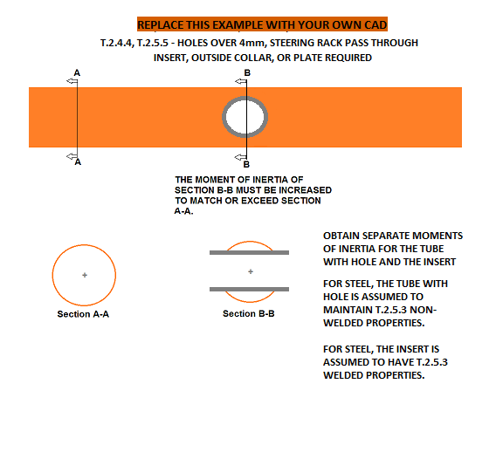

BLANK
Any holes over 4mm drilled in F.3.2.1 required tubes?

Select Drop Down

BLANK
Does the steering rack interrupt any required tubes? |  |  | Welded Tube Insert with dimensions. |  |  |  |  |  |  | Welded Tube Insert with dimensions. |  |  |  |  |  |  | Welded Tube Insert with dimensions. |  |  |  |  |  |  | Welded Tube Insert with dimensions. |  |  |  |  |  |  | Welded Tube Insert with dimensions.

Select Drop Down

mm

BLANK

 |  |  | If additional images are necessary, they may be placed below each section. |  |  |  |  |  |  | If additional images are necessary, they may be placed below each section. |  |  |  |  |  |  | If additional images are necessary, they may be placed below each section. |  |  |  |  |  |  | If additional images are necessary, they may be placed below each section. |  |  |  |  |  |  | If additional images are necessary, they may be placed below each section.
 |  |  | EQ |  | Welded Tube Insert |  |  |  |  | EQ |  | Welded Tube Insert |  |  |  |  | EQ |  | Welded Tube Insert |  |  |  |  | EQ |  | Welded Tube Insert |  |  |  |  | EQ |  | Welded Tube Insert

2020 |  |  | Note: Young's Modulus is given in MPa, not Gpa. |  |  |  |  |  |  | Note: Young's Modulus is given in MPa, not Gpa. |  |  |  |  |  |  | Note: Young's Modulus is given in MPa, not Gpa. |  |  |  |  |  |  | Note: Young's Modulus is given in MPa, not Gpa. |  |  |  |  |  |  | Note: Young's Modulus is given in MPa, not Gpa.
0 |  |  | EQ |  |  |  |  |  |  | EQ |  |  |  |  |  |  | EQ |  |  |  |  |  |  | EQ |  |  |  |  |  |  | EQ
0 |  |  |  |  |  | Minimum | Tube With Hole |  | EQ |  |  |  | Minimum | Tube With Hole |  | EQ |  |  |  | Minimum | Tube With Hole |  | EQ |  |  |  | Minimum | Tube With Hole |  | EQ |  |  |  | Minimum | Tube With Hole |  | EQ
 |  |  |  |  |  | F.3.2.1 | + |  | EQ |  |  |  | F.3.2.1 | + |  | EQ |  |  |  | F.3.2.1 | + |  | EQ |  |  |  | F.3.2.1 | + |  | EQ |  |  |  | F.3.2.1 | + |  | EQ
 |  |  |  |  |  | Tube | Insert |  | EQ |  |  |  | Tube | Insert |  | EQ |  |  |  | Tube | Insert |  | EQ |  |  |  | Tube | Insert |  | EQ |  |  |  | Tube | Insert |  | EQ
Comp. | EV | Sheet Acc |  | Material: |  | Steel | Steel |  | EQ |  | Material: |  | Steel | Steel |  | EQ |  | Material: |  | Steel | Steel |  | EQ |  | Material: |  | Steel | Steel |  | EQ |  | Material: |  | Steel | Steel |  | EQ
 |  |  |  | Original tube: |  | Size A | Round |  | EQ |  | Original tube: |  | Size A | Round |  | EQ |  | Original tube: |  | Size A | Round |  | EQ |  | Original tube: |  | Size A | Round |  | EQ |  | Original tube: |  | Size A | Round |  | EQ
For EQ: All entries filled out correctly. -or- No holes over 4mm: Set material to Steel. Select Tube and Shape. Clear all entry boxes. Identical tube / insert combinations need to be identified everywhere used on the chassis, but only need to be calculated once. If more than 5 tube / insert combinations are used, make a copy of this tab. |  |  | F.3.4.1 | Wall thickness: |  | 2 |  | mm | EQ | F.3.4.1 | Wall thickness: |  | 2 |  | mm | EQ | F.3.4.1 | Wall thickness: |  | 2 |  | mm | EQ | F.3.4.1 | Wall thickness: |  | 2 |  | mm | EQ | F.3.4.1 | Wall thickness: |  | 2 |  | mm | EQ
 |  |  |  | Outer Diameter: |  | 25 |  | mm | EQ |  | Outer Diameter: |  | 25 |  | mm | EQ |  | Outer Diameter: |  | 25 |  | mm | EQ |  | Outer Diameter: |  | 25 |  | mm | EQ |  | Outer Diameter: |  | 25 |  | mm | EQ
 |  |  |  | Tube cross sectional area (A_1): |  | 1.73E+02 | - | mm^2 | EQ |  | Tube cross sectional area (A_1): |  | 1.73E+02 | - | mm^2 | EQ |  | Tube cross sectional area (A_1): |  | 1.73E+02 | - | mm^2 | EQ |  | Tube cross sectional area (A_1): |  | 1.73E+02 | - | mm^2 | EQ |  | Tube cross sectional area (A_1): |  | 1.73E+02 | - | mm^2 | EQ
 |  |  |  | Tube second moment of inertia (I_1): |  | 1.13E+04 | - | mm^4 | EQ |  | Tube second moment of inertia (I_1): |  | 1.13E+04 | - | mm^4 | EQ |  | Tube second moment of inertia (I_1): |  | 1.13E+04 | - | mm^4 | EQ |  | Tube second moment of inertia (I_1): |  | 1.13E+04 | - | mm^4 | EQ |  | Tube second moment of inertia (I_1): |  | 1.13E+04 | - | mm^4 | EQ
 |  |  |  | Tube with Hole cross sectional area (A_3): |  |  |  | mm^2 | EQ |  | Tube with Hole cross sectional area (A_3): |  |  |  | mm^2 | EQ |  | Tube with Hole cross sectional area (A_3): |  |  |  | mm^2 | EQ |  | Tube with Hole cross sectional area (A_3): |  |  |  | mm^2 | EQ |  | Tube with Hole cross sectional area (A_3): |  |  |  | mm^2 | EQ
 |  |  |  | Tube with Hole second moment of inertia (I_3): |  |  |  | mm^4 | EQ |  | Tube with Hole second moment of inertia (I_3): |  |  |  | mm^4 | EQ |  | Tube with Hole second moment of inertia (I_3): |  |  |  | mm^4 | EQ |  | Tube with Hole second moment of inertia (I_3): |  |  |  | mm^4 | EQ |  | Tube with Hole second moment of inertia (I_3): |  |  |  | mm^4 | EQ
 |  |  |  | Insert/Collar cross sectional area (A_2): |  |  |  | mm^2 | EQ |  | Insert/Collar cross sectional area (A_2): |  |  |  | mm^2 | EQ |  | Insert/Collar cross sectional area (A_2): |  |  |  | mm^2 | EQ |  | Insert/Collar cross sectional area (A_2): |  |  |  | mm^2 | EQ |  | Insert/Collar cross sectional area (A_2): |  |  |  | mm^2 | EQ
 |  |  |  | Insert/Collar second moment of inertia (I_2): |  |  |  | mm^4 | EQ |  | Insert/Collar second moment of inertia (I_2): |  |  |  | mm^4 | EQ |  | Insert/Collar second moment of inertia (I_2): |  |  |  | mm^4 | EQ |  | Insert/Collar second moment of inertia (I_2): |  |  |  | mm^4 | EQ |  | Insert/Collar second moment of inertia (I_2): |  |  |  | mm^4 | EQ
 |  |  | F.3.4.3 | Young's Modulus (E): |  | 2.00E+11 | 2.00E+11 | Pa | EQ | F.3.4.3 | Young's Modulus (E): |  | 2.00E+11 | 2.00E+11 | Pa | EQ | F.3.4.3 | Young's Modulus (E): |  | 2.00E+11 | 2.00E+11 | Pa | EQ | F.3.4.3 | Young's Modulus (E): |  | 2.00E+11 | 2.00E+11 | Pa | EQ | F.3.4.3 | Young's Modulus (E): |  | 2.00E+11 | 2.00E+11 | Pa | EQ
 |  |  |  | Yield Strength (Sy): |  | 3.05E+08 | 1.80E+08 | Pa | EQ |  | Yield Strength (Sy): |  | 3.05E+08 | 1.80E+08 | Pa | EQ |  | Yield Strength (Sy): |  | 3.05E+08 | 1.80E+08 | Pa | EQ |  | Yield Strength (Sy): |  | 3.05E+08 | 1.80E+08 | Pa | EQ |  | Yield Strength (Sy): |  | 3.05E+08 | 1.80E+08 | Pa | EQ
 |  |  |  | Ultimate Strength (Su): |  | 3.65E+08 | 3.00E+08 | Pa | EQ |  | Ultimate Strength (Su): |  | 3.65E+08 | 3.00E+08 | Pa | EQ |  | Ultimate Strength (Su): |  | 3.65E+08 | 3.00E+08 | Pa | EQ |  | Ultimate Strength (Su): |  | 3.65E+08 | 3.00E+08 | Pa | EQ |  | Ultimate Strength (Su): |  | 3.65E+08 | 3.00E+08 | Pa | EQ
 |  |  | Buckling Modulus |  | E_1*I_1 <= E_2*I_2 + E_1*I_3: |  |  |  | EQ | Buckling Modulus |  | E_1*I_1 <= E_2*I_2 + E_1*I_3: |  |  |  | EQ | Buckling Modulus |  | E_1*I_1 <= E_2*I_2 + E_1*I_3: |  |  |  | EQ | Buckling Modulus |  | E_1*I_1 <= E_2*I_2 + E_1*I_3: |  |  |  | EQ | Buckling Modulus |  | E_1*I_1 <= E_2*I_2 + E_1*I_3: |  |  |  | EQ
 |  |  | Yield | Sy_1*A_1 <= Sy_2*A_2 + Sy_1*A_3: |  |  |  |  | EQ | Yield | Sy_1*A_1 <= Sy_2*A_2 + Sy_1*A_3: |  |  |  |  | EQ | Yield | Sy_1*A_1 <= Sy_2*A_2 + Sy_1*A_3: |  |  |  |  | EQ | Yield | Sy_1*A_1 <= Sy_2*A_2 + Sy_1*A_3: |  |  |  |  | EQ | Yield | Sy_1*A_1 <= Sy_2*A_2 + Sy_1*A_3: |  |  |  |  | EQ
 |  |  | Ultimate | Su_1*A_1 <= Su_2*A_2 + Su_1*A_3: |  |  |  |  | EQ | Ultimate | Su_1*A_1 <= Su_2*A_2 + Su_1*A_3: |  |  |  |  | EQ | Ultimate | Su_1*A_1 <= Su_2*A_2 + Su_1*A_3: |  |  |  |  | EQ | Ultimate | Su_1*A_1 <= Su_2*A_2 + Su_1*A_3: |  |  |  |  | EQ | Ultimate | Su_1*A_1 <= Su_2*A_2 + Su_1*A_3: |  |  |  |  | EQ
 |  |  | Bending | 4*Su_1*I_1/r <= 4*(Su_2*I_2+Su_1*I_3)/r: |  |  |  |  | EQ | Bending | 4*Su_1*I_1/r <= 4*Su_1*(I_2+I_3)/r: |  |  |  |  | EQ | Bending | 4*Su_1*I_1/r <= 4*Su_1*(I_2+I_3)/r: |  |  |  |  | EQ | Bending | 4*Su_1*I_1/r <= 4*Su_1*(I_2+I_3)/r: |  |  |  |  | EQ | Bending | 4*Su_1*I_1/r <= 4*Su_1*(I_2+I_3)/r: |  |  |  |  | EQ
 |  |  | Deflection | Bending_1/(48*EI): |  |  |  |  | EQ | Deflection | Bending_1/(48*EI): |  |  |  |  | EQ | Deflection | Bending_1/(48*EI): |  |  |  |  | EQ | Deflection | Bending_1/(48*EI): |  |  |  |  | EQ | Deflection | Bending_1/(48*EI): |  |  |  |  | EQ
 |  |  | Energy | 0.5*Bending^2/(48*EI): |  |  |  |  | EQ | Energy | 0.5*Bending^2/(48*EI) |  |  |  |  | EQ | Energy | 0.5*Bending^2/(48*EI) |  |  |  |  | EQ | Energy | 0.5*Bending^2/(48*EI) |  |  |  |  | EQ | Energy | 0.5*Bending^2/(48*EI) |  |  |  |  | EQ

F.5.10 Bolted Members
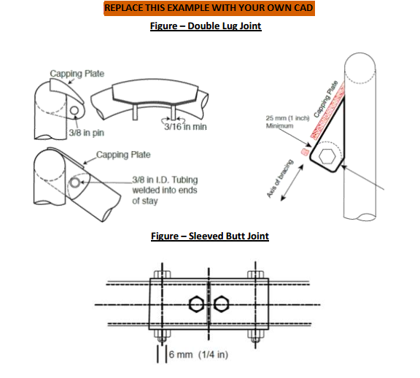
BLANK
Bolted Members Used?
Select Drop Down

For EQ: All entries filled out correctly. - or - No connection used: 1. Bolted Connection set to "Select drop down." 2. Clear lug thickness box. Symmetric left / right attachments only need to be entered for one side. If more than 5 non-symmetric bolted connections are used, make a copy of this tab.

 |  |  | Bolted Chassis Connection with dimensions. |  |  |  |  |  | Bolted Chassis Connection with dimensions. |  |  |  |  |  | Bolted Chassis Connection with dimensions. |  |  |  |  |  | Bolted Chassis Connection with dimensions. |  |  |  |  |  | Bolted Chassis Connection with dimensions.

mm

BLANK

 |  |  | If additional images are necessary, they may be placed below each section. |  |  |  |  |  | If additional images are necessary, they may be placed below each section. |  |  |  |  |  | If additional images are necessary, they may be placed below each section. |  |  |  |  |  | If additional images are necessary, they may be placed below each section. |  |  |  |  |  | If additional images are necessary, they may be placed below each section.
 |  |  | EQ |  | Bolted Connection |  |  |  | EQ |  | Bolted Connection |  |  |  | EQ |  | Bolted Connection |  |  |  | EQ |  | Bolted Connection |  |  |  | EQ |  | Bolted Connection

2020
0 |  |  | EQ |  |  |  |  |  | EQ |  |  |  |  |  | EQ |  |  |  |  |  | EQ |  |  |  |  |  | EQ
0 |  |  | F.5.10 | Bolted Connection: |  | Select drop down: |  | EQ | F.5.10 | Bolted Connection: |  | Select drop down: |  | EQ | F.5.10 | Bolted Connection: |  | Select drop down: |  | EQ | F.5.10 | Bolted Connection: |  | Select drop down: |  | EQ | F.5.10 | Bolted Connection: |  | Select drop down: |  | EQ

 |  |  | F.5.10.4 - Double lug joints caps at both ends. |  |  |  |  |  | F.5.10.4 - Double lug joints caps at both ends. |  |  |  |  |  | F.5.10.4 - Double lug joints caps at both ends. |  |  |  |  |  | F.5.10.4 - Double lug joints caps at both ends. |  |  |  |  |  | F.5.10.4 - Double lug joints caps at both ends.
Comp. | EV | Sheet Acc
 |  |  | EQ |  |  |  |  |  | EQ |  |  |  |  |  | EQ |  |  |  |  |  | EQ |  |  |  |  |  | EQ
 |  |  | F.5.10.3a | Lug thickness >= 4.5mm (0.177in) steel: |  |  | mm | N/A | F.5.10.3a | Lug thickness >= 4.5mm (0.177in) steel: |  |  | mm | N/A | F.5.10.3a | Lug thickness >= 4.5mm (0.177in) steel: |  |  | mm | N/A | F.5.10.3a | Lug thickness >= 4.5mm (0.177in) steel: |  |  | mm | N/A | F.5.10.3a | Lug thickness >= 4.5mm (0.177in) steel: |  |  | mm | N/A
 |  |  | F.5.10.3b | Perpendicular dimension >=25mm (1in): |  |  | mm | N/A | F.5.10.3b | Perpendicular dimension >=25mm (1in): |  |  | mm | N/A | F.5.10.3b | Perpendicular dimension >=25mm (1in): |  |  | mm | N/A | F.5.10.3b | Perpendicular dimension >=25mm (1in): |  |  | mm | N/A | F.5.10.3b | Perpendicular dimension >=25mm (1in): |  |  | mm | N/A

 |  |  | F.5.10.5 - Double lug joints require a pin or fastener >= 10mm Grade 9.8 (3/8in Grade 8). |  |  |  |  |  | F.5.10.5 - Double lug joints require a pin or fastener >= 10mm Grade 9.8 (3/8in Grade 8). |  |  |  |  |  | F.5.10.5 - Double lug joints require a pin or fastener >= 10mm Grade 9.8 (3/8in Grade 8). |  |  |  |  |  | F.5.10.5 - Double lug joints require a pin or fastener >= 10mm Grade 9.8 (3/8in Grade 8). |  |  |  |  |  | F.5.10.5 - Double lug joints require a pin or fastener >= 10mm Grade 9.8 (3/8in Grade 8).
 |  |  | F.5.10.6 - Sleeved butt joints require a pin or fastener >= 6mm Grade 9.8 (1/4in Grade 8). |  |  |  |  |  | F.5.10.6 - Sleeved butt joints require a pin or fastener >= 6mm Grade 9.8 (1/4in Grade 8). |  |  |  |  |  | F.5.10.6 - Sleeved butt joints require a pin or fastener >= 6mm Grade 9.8 (1/4in Grade 8). |  |  |  |  |  | F.5.10.6 - Sleeved butt joints require a pin or fastener >= 6mm Grade 9.8 (1/4in Grade 8). |  |  |  |  |  | F.5.10.6 - Sleeved butt joints require a pin or fastener >= 6mm Grade 9.8 (1/4in Grade 8).
 |  |  | F.5.4.3 - Any bolted non-suspension member must have an edge::distance ratio >=1.5. |  |  |  |  |  | F.5.4.3 - Any bolted non-suspension member must have an edge::distance ratio >=1.5. |  |  |  |  |  | F.5.4.3 - Any bolted non-suspension member must have an edge::distance ratio >=1.5. |  |  |  |  |  | F.5.4.3 - Any bolted non-suspension member must have an edge::distance ratio >=1.5. |  |  |  |  |  | F.5.4.3 - Any bolted non-suspension member must have an edge::distance ratio >=1.5.
 |  |  | Dimensions shown above from the edges of the holes to the end of each tube/tab >=1.5 x diameter. |  |  |  |  |  | Dimensions shown above from the edges of the holes to the end of each tube/tab >=1.5 x diameter. |  |  |  |  |  | Dimensions shown above from the edges of the holes to the end of each tube/tab >=1.5 x diameter. |  |  |  |  |  | Dimensions shown above from the edges of the holes to the end of each tube/tab >=1.5 x diameter. |  |  |  |  |  | Dimensions shown above from the edges of the holes to the end of each tube/tab >=1.5 x diameter.

 |  |  | EQ |  |  |  |  |  | EQ |  |  |  |  |  | EQ |  |  |  |  |  | EQ |  |  |  |  |  | EQ
 |  |  | F.5.4.3 | Hole diameter / fastener size: |  |  | mm | N/A | F.5.4.3 | Hole diameter / fastener size: |  |  | mm | N/A | F.5.4.3 | Hole diameter / fastener size: |  |  | mm | N/A | F.5.4.3 | Hole diameter / fastener size: |  |  | mm | N/A | F.5.4.3 | Hole diameter / fastener size: |  |  | mm | N/A
 |  |  |  | Distance to tube edge: |  |  | mm | N/A |  | Distance to tube edge: |  |  | mm | N/A |  | Distance to tube edge: |  |  | mm | N/A |  | Distance to tube edge: |  |  | mm | N/A |  | Distance to tube edge: |  |  | mm | N/A
 |  |  |  | Distance to tab edge: |  |  | mm | N/A |  | Distance to tab edge: |  |  | mm | N/A |  | Distance to tab edge: |  |  | mm | N/A |  | Distance to tab edge: |  |  | mm | N/A |  | Distance to tab edge: |  |  | mm | N/A
 |  |  |  | Minimum edge::diameter ratio >=1.5: |  |  |  | N/A |  | Minimum edge::diameter ratio >=1.5: |  |  |  | N/A |  | Minimum edge::diameter ratio >=1.5: |  |  |  | N/A |  | Minimum edge::diameter ratio >=1.5: |  |  |  | N/A |  | Minimum edge::diameter ratio >=1.5: |  |  |  | N/A

